Hybrid Equity

PGIM INDIA AGGRESSIVE HYBRID EQUITY FUND
( An Open Ended Hybrid Scheme Investing Predominantly In Equity Related Instruments)
Riskometer of the Scheme |  |  | Riskometer of the Benchmark (CRISIL Hybrid 35+65 - Aggresive Index)
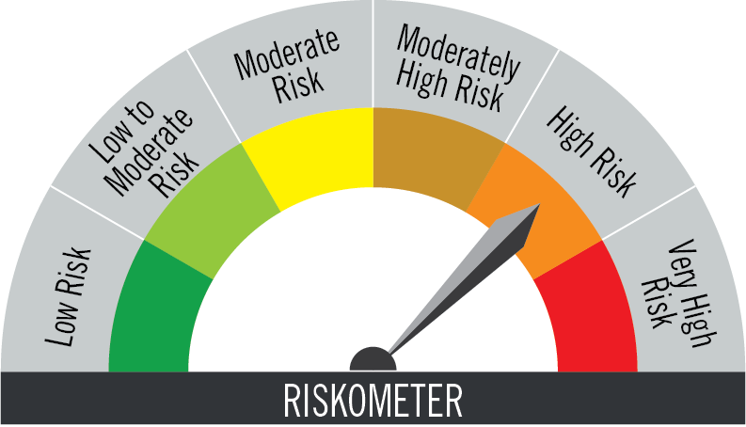

The risk of the scheme is very high risk |  |  | Benchmark riskometer is at high risk
Portfolio Statement as on February 28,2026
Name of Instrument | ISIN | Industry/Rating | Quantity | Market/Fair Value (INR Lacs) | % to Net Assets | % Yield
Equity & Equity related

(a)Listed / Awaiting listing on Stock Exchanges
HDFC Bank Ltd. | INE040A01034 | Banks | 145,894 | 1,295.17 | 6.26
ICICI Bank Ltd. | INE090A01021 | Banks | 93,662 | 1,291.51 | 6.24
Reliance Industries Ltd. | INE002A01018 | Petroleum Products | 55,736 | 776.90 | 3.75
Bharti Airtel Ltd. | INE397D01024 | Telecom - Services | 40,560 | 762.24 | 3.68
Larsen & Toubro Ltd. | INE018A01030 | Construction | 17,047 | 729.32 | 3.52
Titan Company Ltd. | INE280A01028 | Consumer Durables | 11,305 | 489.22 | 2.36
State Bank of India | INE062A01020 | Banks | 39,450 | 474.07 | 2.29
Bajaj Finance Ltd. | INE296A01032 | Finance | 42,033 | 418.61 | 2.02
VARUN BEVERAGES LIMITED | INE200M01039 | Beverages | 78,940 | 356.34 | 1.72
Power Grid Corporation of India Ltd. | INE752E01010 | Power | 109,800 | 327.92 | 1.58
Dixon Technologies (India) Ltd. | INE935N01020 | Consumer Durables | 3,020 | 317.95 | 1.54
Ultratech Cement Ltd. | INE481G01011 | Cement & Cement Products | 2,395 | 303.61 | 1.47
Persistent Systems Ltd. | INE262H01021 | IT - Software | 6,241 | 295.39 | 1.43
Max Healthcare Institute Ltd. | INE027H01010 | Healthcare Services | 27,000 | 294.83 | 1.42
ICICI Lombard General Insurance Co. Ltd. | INE765G01017 | Insurance | 14,937 | 284.03 | 1.37
Mahindra & Mahindra Ltd. | INE101A01026 | Automobiles | 7,890 | 268.05 | 1.30
UNO Minda Ltd. | INE405E01023 | Auto Components | 22,478 | 267.15 | 1.29
Vishal Mega Mart Ltd | INE01EA01019 | Retailing | 204,010 | 240.28 | 1.16
Eternal Ltd. | INE758T01015 | Retailing | 93,558 | 230.43 | 1.11
Sai Life Sciences Ltd | INE570L01029 | Pharmaceuticals & Biotechnology | 22,999 | 229.59 | 1.11
JB Chemicals & Pharmaceuticals Ltd. | INE572A01036 | Pharmaceuticals & Biotechnology | 11,130 | 228.55 | 1.10
Britannia Industries Ltd. | INE216A01030 | Food Products | 3,790 | 227.49 | 1.10
Tata Steel Ltd. | INE081A01020 | Ferrous Metals | 107,100 | 227.41 | 1.10
SRF Ltd. | INE647A01010 | Chemicals & Petrochemicals | 8,743 | 224.01 | 1.08
LG Electronics India Ltd. | INE324D01010 | Consumer Durables | 13,990 | 222.30 | 1.07
Doms Industries Ltd. | INE321T01012 | Household Products | 9,056 | 211.19 | 1.02
Clean Max Enviro Energy Solutions Ltd. | INE647U01026 | Power | 19,936 | 209.93 | 1.01
Bharat Electronics Ltd. | INE263A01024 | Aerospace & Defense | 45,000 | 200.12 | 0.97
ICICI Prudential Asset Mgmt Co Ltd. | INE346A01027 | Capital Markets | 6,200 | 192.95 | 0.93
Ajanta Pharma Ltd. | INE031B01049 | Pharmaceuticals & Biotechnology | 5,830 | 174.54 | 0.84
TVS Motor Company Ltd. | INE494B01023 | Automobiles | 4,455 | 172.40 | 0.83
Multi Commodity Exchange Of India Ltd. | INE745G01043 | Capital Markets | 6,825 | 166.76 | 0.81
Solar Industries India Ltd. | INE343H01029 | Chemicals & Petrochemicals | 1,215 | 164.07 | 0.79
CG Power and Industrial Solutions Ltd. | INE067A01029 | Electrical Equipment | 22,085 | 160.16 | 0.77
Home First Finance Company India Ltd. | INE481N01025 | Finance | 14,303 | 154.92 | 0.75
Sona BLW Precision Forgings Ltd. | INE073K01018 | Auto Components | 28,795 | 153.91 | 0.74
ITC Ltd. | INE154A01025 | Diversified FMCG | 46,640 | 146.26 | 0.71
Sagility Ltd. | INE0W2G01015 | IT - Services | 369,170 | 146.01 | 0.71
Tata Consultancy Services Ltd. | INE467B01029 | IT - Software | 5,152 | 135.88 | 0.66
Prestige Estates Projects Ltd. | INE811K01011 | Realty | 9,145 | 127.39 | 0.62
PB Fintech Ltd. | INE417T01026 | Financial Technology (Fintech) | 8,100 | 120.01 | 0.58
LTIMindtree Ltd. | INE214T01019 | IT - Software | 2,520 | 112.44 | 0.54
United Spirits Ltd. | INE854D01024 | Beverages | 7,740 | 106.87 | 0.52
Nestle India Ltd. | INE239A01024 | Food Products | 8,100 | 104.63 | 0.51
Infosys Ltd. | INE009A01021 | IT - Software | 7,075 | 91.98 | 0.44
Muthoot Finance Ltd. | INE414G01012 | Finance | 2,700 | 90.54 | 0.44
KFIN Technologies Ltd. | INE138Y01010 | Capital Markets | 1,700 | 16.26 | 0.08
Sub Total |  |  |  | 13,941.59 | 67.34

(b) Unlisted
 |  |  |  | - | -
Sub Total |  |  |  | NIL | NIL

TOTAL |  |  |  | 13,941.59 | 67.34
Debt Instruments

(a)Listed / Awaiting listing on stock Exchanges
7.1% Government of India | IN0020240019 | SOVEREIGN | 1,400,000 | 1,438.18 | 6.95 | 6.77
7.26% Government of India | IN0020220060 | SOVEREIGN | 900,000 | 933.97 | 4.51 | 6.64
6.54% Government of India | IN0020210244 | SOVEREIGN | 500,000 | 502.20 | 2.43 | 6.55
7.26% Government of India | IN0020220151 | SOVEREIGN | 380,000 | 394.37 | 1.91 | 6.68
6.01% Government of India | IN0020250067 | SOVEREIGN | 350,000 | 346.99 | 1.68 | 6.33
7.37% Indian Railway Finance Corporation Ltd. ** | INE053F08411 | CRISIL AAA | 200,000 | 202.48 | 0.98 | 6.96
6.48% Government of India | IN0020250091 | SOVEREIGN | 200,000 | 197.40 | 0.95 | 6.78
7.18% Government of India | IN0020230077 | SOVEREIGN | 100,000 | 102.90 | 0.50 | 6.92
6.79% Government of India | IN0020240126 | SOVEREIGN | 85,000 | 85.69 | 0.41 | 6.77
7.17% Government of India | IN0020170174 | SOVEREIGN | 55,000 | 56.50 | 0.27 | 5.68
6.33% Government of India | IN0020250026 | SOVEREIGN | 50,000 | 48.97 | 0.24 | 6.74
5.63% Government of India | IN0020210012 | SOVEREIGN | 200 | 0.20 | - | 5.36
Sub Total |  |  |  | 4,309.85 | 20.83

(b)Privately Placed/Unlisted
 |  |  |  | - | -
Sub Total |  |  |  | NIL | NIL

(c)Securitised Debt Instruments
 |  |  |  | - | -
Sub Total |  |  |  | NIL | NIL

TOTAL |  |  |  | 4,309.85 | 20.83

Foreign Securities and/or Overseas ETFs
International Mutual Fund Units
PGIM Jennison Global Equity Opportunities Fund | IE00BYV6MS67 |  | 7,085 | 2,003.29 | 9.68
Sub Total |  |  |  | 2,003.29 | 9.68

TOTAL |  |  |  | 2,003.29 | 9.68

Treps / Reverse Repo
Clearing Corporation of India Ltd. |  |  |  | 376.88 | 1.82
Sub Total |  |  |  | 376.88 | 1.82

TOTAL |  |  |  | 376.88 | 1.82

Net Receivables / (Payables) |  |  |  | 59.08 | 0.33

GRAND TOTAL |  |  |  | 20,690.69 | 100.00

# Unlisted Security
** Non Traded Security

Notes:
1. Plan / Option-wise Net Asset Value per unit are as below : (Face Value per unit = Rs. 10)
Plan / Option | 2026-01-30 | 2026-02-27
Direct Plan | (INR) | (INR)
Growth | 153.37 | 152.73
IDCW (earlier called Dividend) | 26.64 | 26.53
Monthly IDCW (earlier called Monthly Dividend) | 25.50 | 25.22
Regular Plan
Growth | 127.38 | 126.69
IDCW (earlier called Dividend) | 14.94 | 14.86
Monthly IDCW (earlier called Monthly Dividend) | 22.70 | 22.42

2. Exposure to derivative instruments in the scheme at the end of the month |  | NIL

3. Derivatives Transactions in the scheme for the month |  | NIL

4. Investment in foreign securities/ADRs/GDRs at the end of the month (INR Lacs) |  | 2003.29

5. Investment in short term deposits at the end of the month (INR Lacs) |  | NIL

6. Portfolio Turnover Ratio |  | 0.23

7. Aggregate IDCW (earlier called Dividend) declared during the month
Plan/Option | Dividend Rate
Direct Plan
Monthly IDCW (earlier called monthly dividend) | 0.1763
Regular Plan
Monthly IDCW (earlier called monthly dividend) | 0.1569
IDCWs are declared on face value. After distribution of IDCW, the NAV falls to the extent of IDCW and statutory levy (if applicable).

8. (a) Total Exposure to illiquid securities in the portfolio (INR Lacs) |  | NIL
(b) Total Exposure to illiquid securities in the portfolio (% of AUM) |  | NIL

9. Instances of Fair valuation of securities or Deviation in valuation from what is provided by valuation agencies |  | NIL

10. Securities in default beyond its maturity date in the portfolio of the scheme |  | NIL

