Hybrid Equity

PGIM INDIA AGGRESSIVE HYBRID EQUITY FUND
( An Open Ended Hybrid Scheme Investing Predominantly In Equity Related Instruments)
Riskometer of the Scheme |  |  | Riskometer of the Benchmark (CRISIL Hybrid 35+65 - Aggresive Index)
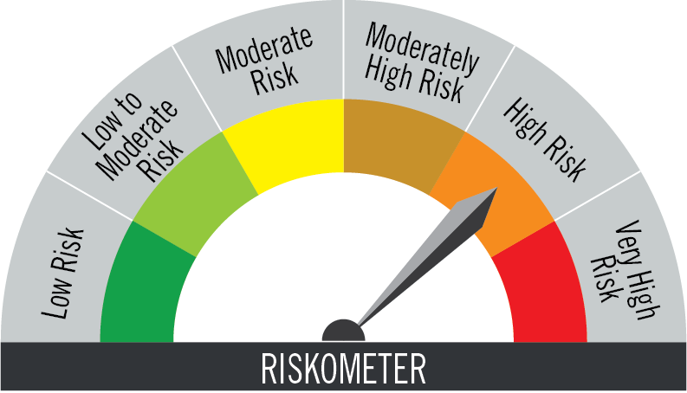

Investors understand that their principal will be at very high risk |  |  | Benchmark riskometer is at high risk
Portfolio Statement as on November 30,2025
Name of Instrument | ISIN | Industry/Rating | Quantity | Market/Fair Value (INR Lacs) | % to Net Assets | % Yield
Equity & Equity related

(a)Listed / Awaiting listing on Stock Exchanges
HDFC Bank Ltd. | INE040A01034 | Banks | 173,484 | 1,748.02 | 7.97
ICICI Bank Ltd. | INE090A01021 | Banks | 112,622 | 1,564.09 | 7.13
Reliance Industries Ltd. | INE002A01018 | Petroleum Products | 76,646 | 1,201.43 | 5.48
Bharti Airtel Ltd. | INE397D01024 | Telecom - Services | 48,060 | 1,010.03 | 4.61
Dixon Technologies (India) Ltd. | INE935N01020 | Consumer Durables | 3,920 | 572.36 | 2.61
Global Health Ltd. | INE474Q01031 | Healthcare Services | 37,450 | 466.63 | 2.13
Mahindra & Mahindra Ltd. | INE101A01026 | Automobiles | 12,390 | 465.53 | 2.12
Titan Company Ltd. | INE280A01028 | Consumer Durables | 11,305 | 441.77 | 2.01
InterGlobe Aviation Ltd. | INE646L01027 | Transport Services | 6,767 | 399.35 | 1.82
Larsen & Toubro Ltd. | INE018A01030 | Construction | 9,737 | 396.26 | 1.81
Ultratech Cement Ltd. | INE481G01011 | Cement & Cement Products | 3,410 | 395.56 | 1.80
Eternal Ltd. | INE758T01015 | Retailing | 129,558 | 388.80 | 1.77
Tata Consultancy Services Ltd. | INE467B01029 | IT - Software | 12,152 | 381.27 | 1.74
VARUN BEVERAGES LIMITED | INE200M01039 | Beverages | 78,940 | 380.14 | 1.73
Multi Commodity Exchange Of India Ltd. | INE745G01035 | Capital Markets | 3,365 | 338.97 | 1.55
Bajaj Finance Ltd. | INE296A01032 | Finance | 31,620 | 328.06 | 1.50
ICICI Lombard General Insurance Co. Ltd. | INE765G01017 | Insurance | 14,937 | 294.33 | 1.34
UNO Minda Ltd. | INE405E01023 | Auto Components | 22,478 | 293.74 | 1.34
Persistent Systems Ltd. | INE262H01021 | IT - Software | 4,567 | 290.14 | 1.32
Vishal Mega Mart Ltd | INE01EA01019 | Retailing | 204,010 | 277.05 | 1.26
Hindustan Aeronautics Ltd. | INE066F01020 | Aerospace & Defense | 5,350 | 243.02 | 1.11
Cholamandalam Investment & Finance Company Ltd. | INE121A01024 | Finance | 13,610 | 236.27 | 1.08
LG Electronics India Ltd. | INE324D01010 | Consumer Durables | 13,990 | 232.14 | 1.06
Doms Industries Ltd. | INE321T01012 | Household Products | 9,056 | 227.31 | 1.04
Britannia Industries Ltd. | INE216A01030 | Food Products | 3,790 | 221.56 | 1.01
Dr. Reddy's Laboratories Ltd. | INE089A01031 | Pharmaceuticals & Biotechnology | 15,510 | 195.24 | 0.89
SRF Ltd. | INE647A01010 | Chemicals & Petrochemicals | 6,448 | 188.75 | 0.86
ITC Ltd. | INE154A01025 | Diversified FMCG | 46,640 | 188.54 | 0.86
Sagility Ltd. | INE0W2G01015 | IT - Services | 369,170 | 184.88 | 0.84
International Gemmological Inst Ind Ltd. | INE0Q9301021 | Commercial Services & Supplies | 50,740 | 166.43 | 0.76
Home First Finance Company India Ltd. | INE481N01025 | Finance | 14,303 | 158.91 | 0.72
Prestige Estates Projects Ltd. | INE811K01011 | Realty | 9,145 | 153.39 | 0.70
Ajanta Pharma Ltd. | INE031B01049 | Pharmaceuticals & Biotechnology | 5,830 | 149.29 | 0.68
CG Power and Industrial Solutions Ltd. | INE067A01029 | Electrical Equipment | 22,085 | 148.61 | 0.68
Sai Life Sciences Ltd | INE570L01029 | Pharmaceuticals & Biotechnology | 14,899 | 131.77 | 0.60
Infosys Ltd. | INE009A01021 | IT - Software | 7,698 | 120.10 | 0.55
Hexaware Technologies Ltd. | INE093A01041 | IT - Software | 11,510 | 87.10 | 0.40
KPIT Technologies Ltd. | INE04I401011 | IT - Software | 5,830 | 71.27 | 0.32
KFIN Technologies Ltd. | INE138Y01010 | Capital Markets | 1,700 | 17.96 | 0.08
Sub Total |  |  |  | 14,756.07 | 67.28

(b) Unlisted
 |  |  |  | - | -
Sub Total |  |  |  | NIL | NIL

TOTAL |  |  |  | 14,756.07 | 67.28
Debt Instruments

(a)Listed / Awaiting listing on stock Exchanges
7.1% Government of India | IN0020240019 | SOVEREIGN | 1,400,000 | 1,447.60 | 6.60 | 6.67
7.26% Government of India | IN0020220060 | SOVEREIGN | 900,000 | 936.67 | 4.27 | 6.61
7.26% Government of India | IN0020220151 | SOVEREIGN | 580,000 | 604.19 | 2.75 | 6.63
6.54% Government of India | IN0020210244 | SOVEREIGN | 500,000 | 501.63 | 2.29 | 6.58
5.63% Government of India | IN0020210012 | SOVEREIGN | 350,200 | 350.27 | 1.60 | 5.64
7.37% Indian Railway Finance Corporation Ltd. ** | INE053F08411 | CRISIL AAA | 200,000 | 204.03 | 0.93 | 6.73
7.18% Government of India | IN0020230077 | SOVEREIGN | 100,000 | 102.67 | 0.47 | 6.96
6.79% Government of India | IN0020240126 | SOVEREIGN | 85,000 | 86.14 | 0.39 | 6.69
7.17% Government of India | IN0020170174 | SOVEREIGN | 55,000 | 56.49 | 0.26 | 5.87
6.33% Government of India | IN0020250026 | SOVEREIGN | 50,000 | 49.25 | 0.22 | 6.65
8.29% State Government of Andhra Pradesh | IN1020150117 | SOVEREIGN | 100 | 0.10 | - | 5.58
Sub Total |  |  |  | 4,339.04 | 19.78

(b)Privately Placed/Unlisted
 |  |  |  | - | -
Sub Total |  |  |  | NIL | NIL

(c)Securitised Debt Instruments
 |  |  |  | - | -
Sub Total |  |  |  | NIL | NIL

TOTAL |  |  |  | 4,339.04 | 19.78

Foreign Securities and/or Overseas ETFs
International Mutual Fund Units
PGIM Jennison Global Equity Opportunities Fund | IE00BYV6MS67 |  | 7,085 | 2,121.00 | 9.67
Sub Total |  |  |  | 2,121.00 | 9.67

TOTAL |  |  |  | 2,121.00 | 9.67

Treps / Reverse Repo
Clearing Corporation of India Ltd. |  |  |  | 613.85 | 2.79
Sub Total |  |  |  | 613.85 | 2.79

TOTAL |  |  |  | 613.85 | 2.79

Net Receivables / (Payables) |  |  |  | 102.47 | 0.48

GRAND TOTAL |  |  |  | 21,932.43 | 100.00

** Non Traded Security

Notes:
1. Plan / Option-wise Net Asset Value per unit are as below : (Face Value per unit = Rs. 10)
Plan / Option | 2025-10-31 | 2025-11-28
Direct Plan | (INR) | (INR)
Growth | 158.93 | 159.90
IDCW (earlier called Dividend) | 27.61 | 27.78
Monthly IDCW (earlier called Monthly Dividend) | 26.98 | 26.96
Regular Plan
Growth | 132.51 | 133.16
IDCW (earlier called Dividend) | 15.55 | 15.62
Monthly IDCW (earlier called Monthly Dividend) | 24.10 | 24.06

2. Exposure to derivative instruments in the scheme at the end of the month |  | NIL

3. Derivatives Transactions in the scheme for the month |  | NIL

4. Investment in foreign securities/ADRs/GDRs at the end of the month (INR Lacs) |  | 2121

5. Investment in short term deposits at the end of the month (INR Lacs) |  | NIL

6. Portfolio Turnover Ratio |  | 0.15

7. Aggregate IDCW (earlier called Dividend) declared during the month
Plan/Option | Dividend Rate
Direct Plan
Monthly IDCW (earlier called monthly dividend) | 0.1839
Regular Plan
Monthly IDCW (earlier called monthly dividend) | 0.1645
IDCWs are declared on face value. After distribution of IDCW, the NAV falls to the extent of IDCW and statutory levy (if applicable).

8. (a) Total Exposure to illiquid securities in the portfolio (INR Lacs) |  | NIL
(b) Total Exposure to illiquid securities in the portfolio (% of AUM) |  | NIL

9. Instances of Fair valuation of securities or Deviation in valuation from what is provided by valuation agencies |  | NIL

10. Securities in default beyond its maturity date in the portfolio of the scheme |  | NIL
11. For Performance of the scheme refer - | PGIM India Hybrid Equity Fund

