Liquid
PGIM INDIA LIQUID FUND
(An Open Ended Liquid Scheme. A Relatively Low Interest Rate Risk And Moderate Credit Risk Scheme.)
Riskometer of the Scheme |  |  | Riskometer of the Benchmark (CRISIL Liquid Debt A-I Index)
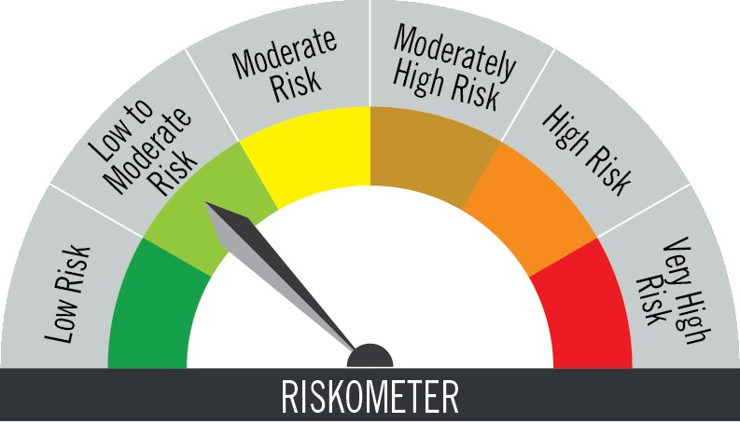

The risk of the scheme is low to moderate risk |  |  | Benchmark riskometer is at low to moderate risk

Portfolio Statement as on May 31,2026
Name of Instrument | ISIN | Rating$ | Quantity | Market/Fair Value (INR Lacs) | % to Net Assets | % Yield
Debt Instruments

(a)Listed / Awaiting listing on stock Exchanges
7.48% Housing & Urban Development Corp Ltd. ** | INE031A08889 | ICRA AAA | 4,700,000 | 4,696.27 | 7.67 | 7.42
7.58% National Bank for Agriculture & Rural Development ** | INE261F08DX0 | CRISIL AAA | 1,800,000 | 1,798.60 | 2.94 | 7.58
8.33% Government of India | IN0020120039 | SOVEREIGN | 100,000 | 100.30 | 0.16 | 5.46
Sub Total |  |  |  | 6,595.17 | 10.77

(b)Privately Placed/Unlisted
 |  |  |  | - | -
Sub Total |  |  |  | NIL | NIL

(c)Securitised Debt Instruments
 |  |  |  | - | -
Sub Total |  |  |  | NIL | NIL

TOTAL |  |  |  | 6,595.17 | 10.77

Money Market Instruments

Certificate of Deposit
Union Bank of India ** # | INE692A16KH8 | ICRA A1+ | 2,500,000 | 2,500.00 | 4.08 | 5.41
HDFC Bank Ltd. ** # | INE040A16IW3 | CARE A1+ | 2,500,000 | 2,496.26 | 4.08 | 6.07
Canara Bank ** # | INE476A16J17 | CRISIL A1+ | 2,500,000 | 2,462.44 | 4.02 | 7.23
Bank of Baroda ** # | INE028A16MJ7 | ICRA A1+ | 2,500,000 | 2,460.42 | 4.02 | 7.25
Union Bank of India ** # | INE692A16MH4 | ICRA A1+ | 2,500,000 | 2,459.09 | 4.02 | 7.23
HDFC Bank Ltd. ** # | INE040A16HO2 | CARE A1+ | 2,500,000 | 2,458.49 | 4.01 | 7.25
Indian Bank ** # | INE562A16PB5 | CRISIL A1+ | 1,500,000 | 1,497.29 | 2.44 | 6.00
Sub Total |  |  |  | 16,333.99 | 26.67

Commercial Paper
Export Import Bank of India ** | INE514E14TE9 | CRISIL A1+ | 5,000,000 | 5,000.00 | 8.16 | 5.40
HSBC InvestDirect Financial Ser Ind Ltd. ** | INE790I14GZ8 | CRISIL A1+ | 4,000,000 | 3,994.43 | 6.52 | 7.27
Small Industries Development Bank of India ** | INE556F14LT2 | CRISIL A1+ | 2,500,000 | 2,499.17 | 4.08 | 6.08
Aditya Birla Money Ltd. ** | INE865C14PR9 | CRISIL A1+ | 2,500,000 | 2,495.91 | 4.08 | 7.48
National Bank for Agriculture & Rural Development ** | INE261F14PA0 | CRISIL A1+ | 2,500,000 | 2,494.08 | 4.07 | 6.19
JM Financial Services Ltd. ** | INE012I14SM0 | CRISIL A1+ | 2,500,000 | 2,471.12 | 4.03 | 8.70
Kotak Securities Ltd. ** | INE028E14WK1 | CRISIL A1+ | 2,500,000 | 2,455.79 | 4.01 | 8.11
Reliance Retail Ventures Ltd. ** | INE929O14EX0 | CRISIL A1+ | 2,100,000 | 2,095.05 | 3.42 | 6.16
HDFC Securities Ltd. ** | INE700G14TQ3 | CRISIL A1+ | 1,500,000 | 1,474.09 | 2.41 | 8.12
Sub Total |  |  |  | 24,979.64 | 40.78

Treasury Bill
91 DAYS TBILL RED 23-07-2026 | IN002026X032 | SOVEREIGN | 5,000,000 | 4,961.20 | 8.10 | 5.49
91 DAYS TBILL RED 20-08-2026 | IN002026X073 | SOVEREIGN | 2,700,000 | 2,667.70 | 4.36 | 5.52
364 DAYS TBILL RED 09-07-2026 | IN002025Z153 | SOVEREIGN | 1,000,000 | 994.49 | 1.62 | 5.32
91 DAYS TBILL RED 11-06-2026 | IN002025X497 | SOVEREIGN | 500,000 | 499.28 | 0.82 | 5.30
Sub Total |  |  |  | 9,122.67 | 14.90

TOTAL |  |  |  | 50,436.30 | 82.35

Mutual Fund Units
SBI CDMDF--A2 | INF0RQ622028 |  | 1,980 | 233.44 | 0.38

TOTAL |  |  |  | 233.44 | 0.38

Treps / Reverse Repo
Clearing Corporation of India Ltd. |  |  |  | 2,271.40 | 3.71
Clearing Corporation of India Ltd. |  |  |  | 1,315.15 | 2.15
Sub Total |  |  |  | 3,586.55 | 5.86

TOTAL |  |  |  | 3,586.55 | 5.86

Net Receivables / (Payables) |  |  |  | 392.09 | 0.64

GRAND TOTAL |  |  |  | 61,243.55 | 100.00

# Unlisted Security
** Non Traded Security
$ Debt instruments with Structured Obligations are denoted with suffix (SO) and those with Credit Enhancement features are denoted with suffix (CE) after rating where held in portfolio

Notes:
1. Plan / Option-wise Net Asset Value per unit are as below : (Face Value per unit = Rs. 100)
Plan / Option | 2026-04-30 | 2026-05-31
Direct Plan | (INR) | (INR)
Growth | 361.8400 | 363.6842
Daily IDCW (earlier called Daily Dividend) | 128.9564 | 129.6129
Weekly IDCW (earlier called Weekly Dividend) | 100.5750 | 100.5396
Monthly IDCW (earlier called Monthly Dividend) | 116.1320 | 116.0887
Regular Plan
Growth | 357.2470 | 359.0354
Daily IDCW (earlier called Daily Dividend) | 100.3040 | 100.3040
Weekly IDCW (earlier called Weekly Dividend) | 100.5735 | 100.5391
Monthly IDCW (earlier called Monthly Dividend) | 116.5803 | 116.5269

2. Exposure to derivative instruments in the scheme at the end of the month |  | NIL

3. Derivatives Transactions in the scheme for the month |  | NIL

4. Investment in foreign securities/ADRs/GDRs at the end of the month (INR Lacs) |  | NIL

5. Investment in short term deposits at the end of the month (INR Lacs) |  | NIL

6. Average Maturity period of the Portfolio (expressed in years) |  | 0.11

7. Aggregate IDCW (earlier called Dividend) declared during the month
Plan/Option | Dividend Rate
Direct Plan
Weekly IDCW (earlier called Weekly Dividend) | 0.4757
Monthly IDCW (earlier called monthly dividend) | 0.6344
Regular Plan
Daily IDCW (earlier called Daily Dividend) | 0.5014
Weekly IDCW (earlier called Weekly Dividend) | 0.4676
Monthly IDCW (earlier called monthly dividend) | 0.6368
IDCWs are declared on face value. After distribution of IDCW, the NAV falls to the extent of IDCW and statutory levy (if applicable).

8. (a) Total Exposure to illiquid securities in the portfolio (INR Lacs) |  | NIL
(b) Total Exposure to illiquid securities in the portfolio (% of AUM) |  | NIL

9. Instances of Fair valuation of securities or Deviation in valuation from what is provided by valuation agencies |  | NIL

10. Securities in default beyond its maturity date in the portfolio of the scheme |  | NIL

 | Portfolio Information
Scheme Name : | PGIM INDIA LIQUID FUND
Description (if any) | (An Open Ended Liquid Scheme. A Relatively Low Interest Rate Risk And Moderate Credit Risk Scheme.)
Annualised Portfolio YTM* : | 6.57
Macaulay Duration | 0.11 years
Residual Maturity | 0.11 years
As on (Date) | 31-May-26

