IBX GILT
PGIM INDIA CRISIL IBX GILT INDEX - APR 2028
(An open-ended Target Maturity Index Fund investing in constituents of the CRISIL-IBX Gilt Index - April 2028. A relatively high interest rate risk and relatively low credit risk)
Riskometer of the Scheme |  |  | Riskometer of the Benchmark (CRISIL-IBX Gilt Index - April 2028)
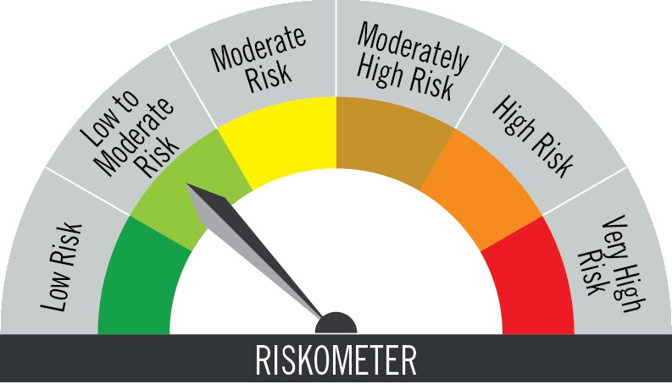

The risk of the scheme is low to moderate risk |  |  | Benchmark riskometer is at low to moderate risk

Portfolio Statement as on March 31,2026
Name of Instrument | ISIN | Rating$ | Quantity | Market/Fair Value (INR Lacs) | % to Net Assets | % Yield
Debt Instruments

(a)Listed / Awaiting listing on stock Exchanges
7.17% Government of India | IN0020170174 | SOVEREIGN | 1,200,000 | 1,220.03 | 55.53 | 6.25
6.64% Government of India | IN0020240167 | SOVEREIGN | 620,000 | 626.20 | 28.50 | 6.09
8.28% Government of India | IN0020070069 | SOVEREIGN | 410,900 | 423.88 | 19.29 | 6.09
Sub Total |  |  |  | 2,270.11 | 103.32

(b)Privately Placed/Unlisted
 |  |  |  | - | -
Sub Total |  |  |  | NIL | NIL

(c)Securitised Debt Instruments
 |  |  |  | - | -
Sub Total |  |  |  | NIL | NIL

TOTAL |  |  |  | 2,270.11 | 103.32

Net Receivables / (Payables) |  |  |  | (72.89) | (3.32)

GRAND TOTAL |  |  |  | 2,197.22 | 100.00

$ Debt instruments with Structured Obligations are denoted with suffix (SO) and those with Credit Enhancement features are denoted with suffix (CE) after rating where held in portfolio

Notes:
1. Plan / Option-wise Net Asset Value per unit are as below : (Face Value per unit = Rs. 10)
Plan / Option | 2026-02-27 | 2026-03-31
Direct Plan | (INR) | (INR)
IDCW (earlier called Dividend) | 11.0657 | 10.4087
Growth | 12.6231 | 12.5859
Regular Plan
Growth | 12.5588 | 12.5196
IDCW (earlier called Dividend) | 11.0063 | 10.3509

2. Exposure to derivative instruments in the scheme at the end of the month |  | NIL

3. Derivatives Transactions in the scheme for the month |  | NIL

4. Investment in foreign securities/ADRs/GDRs at the end of the month (INR Lacs) |  | NIL

5. Investment in short term deposits at the end of the month (INR Lacs) |  | NIL

6. Average Maturity period of the Portfolio (expressed in years) |  | 1.78

7. Aggregate IDCW (earlier called Dividend) declared during the month
Plan/Option | Dividend Rate
Direct Plan
IDCW (earlier called Dividend) | 0.6244
Regular Plan
IDCW (earlier called Dividend) | 0.6210
IDCWs are declared on face value. After distribution of IDCW, the NAV falls to the extent of IDCW and statutory levy (if applicable).

8. (a) Total Exposure to illiquid securities in the portfolio (INR Lacs) |  | NIL
(b) Total Exposure to illiquid securities in the portfolio (% of AUM) |  | NIL

9. Instances of Fair valuation of securities or Deviation in valuation from what is provided by valuation agencies |  | NIL

10. Securities in default beyond its maturity date in the portfolio of the scheme |  | NIL

 | Portfolio Information
Scheme Name : | PGIM INDIA CRISIL IBX GILT INDEX - APR 2028 FUND
Description (if any) | (An open-ended Target Maturity Index Fund investing in constituents of the CRISIL-IBX Gilt Index - April 2028. A relatively high interest rate risk and relatively low credit risk)
Annualised Portfolio YTM* : | 6.20
Macaulay Duration | 1.66 years
Residual Maturity | 1.78 years
As on (Date) | 31-Mar-26

