Liquid
PGIM INDIA LIQUID FUND
(An Open Ended Liquid Scheme. A Relatively Low Interest Rate Risk And Moderate Credit Risk Scheme.)
Riskometer of the Scheme |  |  | Riskometer of the Benchmark (CRISIL Liquid Debt A-I Index)
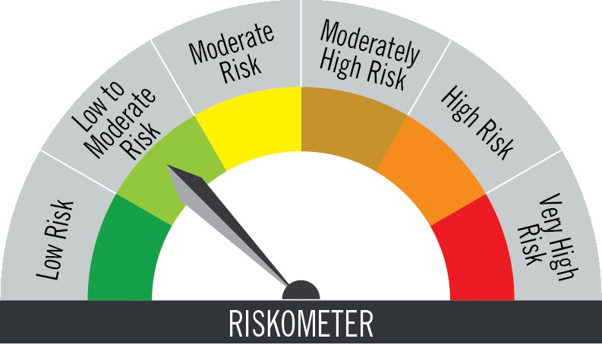

The risk of the scheme is low to moderate risk |  |  | Benchmark riskometer is at low to moderate risk

Portfolio Statement as on February 28,2026
Name of Instrument | ISIN | Rating$ | Quantity | Market/Fair Value (INR Lacs) | % to Net Assets | % Yield
Debt Instruments

(a)Listed / Awaiting listing on stock Exchanges
7.23% Small Industries Development Bank of India ** | INE556F08KC2 | ICRA AAA | 2,500,000 | 2,500.52 | 3.69 | 6.07
Sub Total |  |  |  | 2,500.52 | 3.69

(b)Privately Placed/Unlisted
 |  |  |  | - | -
Sub Total |  |  |  | NIL | NIL

(c)Securitised Debt Instruments
 |  |  |  | - | -
Sub Total |  |  |  | NIL | NIL

TOTAL |  |  |  | 2,500.52 | 3.69

Money Market Instruments

Certificate of Deposit
Bank of Baroda ** # | INE028A16JR6 | FITCH A1+ | 5,000,000 | 4,919.41 | 7.26 | 7.04
Bank of India ** # | INE084A16FC9 | CRISIL A1+ | 2,500,000 | 2,498.48 | 3.69 | 5.55
Canara Bank ** # | INE476A16B23 | CRISIL A1+ | 2,500,000 | 2,495.83 | 3.68 | 5.54
Union Bank of India ** # | INE692A16KR7 | ICRA A1+ | 2,500,000 | 2,485.84 | 3.67 | 6.50
Canara Bank ** # | INE476A16G51 | CRISIL A1+ | 2,500,000 | 2,467.44 | 3.64 | 7.19
Punjab National Bank ** # | INE160A16UF9 | CRISIL A1+ | 2,500,000 | 2,467.32 | 3.64 | 7.22
Union Bank of India ** # | INE692A16KC9 | ICRA A1+ | 2,500,000 | 2,463.70 | 3.64 | 7.17
The Federal Bank Ltd. ** # | INE171A16ND6 | FITCH A1+ | 2,500,000 | 2,461.32 | 3.63 | 7.17
Axis Bank Ltd. ** # | INE238AD6AO8 | CRISIL A1+ | 1,500,000 | 1,499.11 | 2.21 | 5.41
National Bank for Agriculture & Rural Development ** # | INE261F16983 | CRISIL A1+ | 1,500,000 | 1,497.26 | 2.21 | 5.57
Bank of Baroda ** # | INE028A16HW0 | ICRA A1+ | 300,000 | 299.78 | 0.44 | 5.47
Sub Total |  |  |  | 25,555.49 | 37.71

Commercial Paper
Reliance Retail Ventures Ltd. ** | INE929O14EL5 | CRISIL A1+ | 2,500,000 | 2,496.83 | 3.69 | 5.80
Toyota Financial Services India Ltd. ** | INE692Q14BS5 | CRISIL A1+ | 2,500,000 | 2,494.88 | 3.68 | 6.24
Small Industries Development Bank of India ** | INE556F14LX4 | CRISIL A1+ | 2,500,000 | 2,492.67 | 3.68 | 5.65
ICICI Home Finance Company Ltd. ** | INE071G14HL5 | ICRA A1+ | 2,500,000 | 2,462.30 | 3.64 | 7.17
Kotak Securities Ltd. ** ^ | IN27B26DUM01 | CRISIL A1+ | 2,500,000 | 2,453.81 | 3.62 | 7.55
ICICI Securities Ltd. ** | INE763G14C61 | CRISIL A1+ | 2,000,000 | 1,999.72 | 2.95 | 5.15
Aditya Birla Money Ltd. ** | INE865C14PG2 | CRISIL A1+ | 1,350,000 | 1,332.53 | 1.97 | 7.98
Sub Total |  |  |  | 15,732.74 | 23.23

Treasury Bill
91 DAYS TBILL RED 17-04-2026 | IN002025X414 | SOVEREIGN | 4,500,000 | 4,469.93 | 6.60 | 5.22
364 DAYS TBILL RED 16-04-2026 | IN002025Z039 | SOVEREIGN | 2,500,000 | 2,483.65 | 3.67 | 5.23
91 DAYS TBILL RED 22-05-2026 | IN002025X463 | SOVEREIGN | 2,500,000 | 2,470.94 | 3.65 | 5.23
91 DAYS TBILL RED 19-03-2026 | IN002025X380 | SOVEREIGN | 500,000 | 498.87 | 0.74 | 4.60
364 DAYS TBILL RED 05-03-2026 | IN002024Z479 | SOVEREIGN | 325,000 | 324.82 | 0.48 | 5.00
Sub Total |  |  |  | 10,248.21 | 15.14

TOTAL |  |  |  | 51,536.44 | 76.08

Mutual Fund Units
SBI CDMDF--A2 | INF0RQ622028 |  | 1,980 | 231.00 | 0.34

TOTAL |  |  |  | 231.00 | 0.34

Treps / Reverse Repo
Clearing Corporation of India Ltd. |  |  |  | 12,995.67 | 19.19
Sub Total |  |  |  | 12,995.67 | 19.19

TOTAL |  |  |  | 12,995.67 | 19.19

Net Receivables / (Payables) |  |  |  | 471.50 | 0.70

GRAND TOTAL |  |  |  | 67,735.13 | 100.00

# Unlisted Security
** Non Traded Security
$ Debt instruments with Structured Obligations are denoted with suffix (SO) and those with Credit Enhancement features are denoted with suffix (CE) after rating where held in portfolio
^ Awaiting Listing

Notes:
1. Plan / Option-wise Net Asset Value per unit are as below : (Face Value per unit = Rs. 100)
Plan / Option | 2026-01-31 | 2026-02-28
Direct Plan | (INR) | (INR)
Growth | 355.8197 | 357.5998
Daily IDCW (earlier called Daily Dividend) | 126.8127 | 127.4468
Weekly IDCW (earlier called Weekly Dividend) | 100.5218 | 100.5203
Monthly IDCW (earlier called Monthly Dividend) | 116.4910 | 116.4302
Regular Plan
Growth | 351.3923 | 353.1225
Daily IDCW (earlier called Daily Dividend) | 100.3040 | 100.3040
Weekly IDCW (earlier called Weekly Dividend) | 100.5214 | 100.5200
Monthly IDCW (earlier called Monthly Dividend) | 116.9393 | 116.8888

2. Exposure to derivative instruments in the scheme at the end of the month |  | NIL

3. Derivatives Transactions in the scheme for the month |  | NIL

4. Investment in foreign securities/ADRs/GDRs at the end of the month (INR Lacs) |  | NIL

5. Investment in short term deposits at the end of the month (INR Lacs) |  | NIL

6. Average Maturity period of the Portfolio (expressed in years) |  | 0.1

7. Aggregate IDCW (earlier called Dividend) declared during the month
Plan/Option | Dividend Rate
Direct Plan
Weekly IDCW (earlier called Weekly Dividend) | 0.5033
Monthly IDCW (earlier called monthly dividend) | 0.6434
Regular Plan
Daily IDCW (earlier called Daily Dividend) | 0.4934
Weekly IDCW (earlier called Weekly Dividend) | 0.4956
Monthly IDCW (earlier called monthly dividend) | 0.6263
IDCWs are declared on face value. After distribution of IDCW, the NAV falls to the extent of IDCW and statutory levy (if applicable).

8. (a) Total Exposure to illiquid securities in the portfolio (INR Lacs) |  | NIL
(b) Total Exposure to illiquid securities in the portfolio (% of AUM) |  | NIL

9. Instances of Fair valuation of securities or Deviation in valuation from what is provided by valuation agencies |  | NIL

10. Securities in default beyond its maturity date in the portfolio of the scheme |  | NIL

 | Portfolio Information
Scheme Name : | PGIM INDIA LIQUID FUND
Description (if any) | (An Open Ended Liquid Scheme. A Relatively Low Interest Rate Risk And Moderate Credit Risk Scheme.)
Annualised Portfolio YTM* : | 5.89
Macaulay Duration | 0.1 years
Residual Maturity | 0.1 years
As on (Date) | 28-Feb-26

