Liquid
PGIM INDIA LIQUID FUND
(An Open Ended Liquid Scheme. A Relatively Low Interest Rate Risk And Moderate Credit Risk Scheme.)
Riskometer of the Scheme |  |  | Riskometer of the Benchmark (CRISIL Liquid Debt A-I Index)
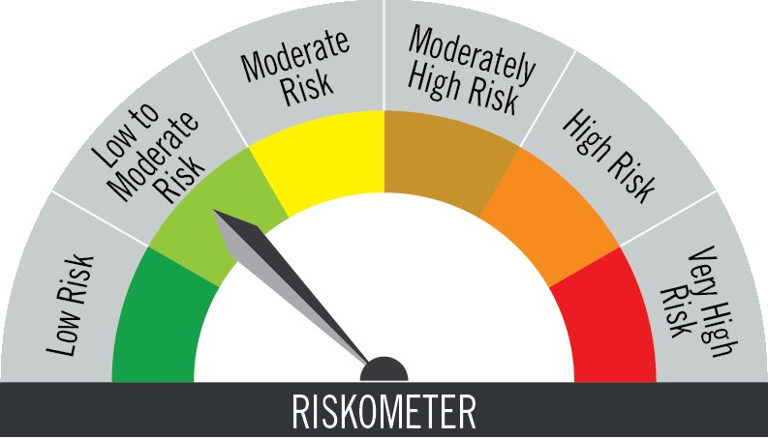

Investors understand that their principal will be at low to moderate risk |  |  | Benchmark riskometer is at low to moderate risk

Portfolio Statement as on December 31,2025
Name of Instrument | ISIN | Rating$ | Quantity | Market/Fair Value (INR Lacs) | % to Net Assets | % Yield
Debt Instruments

(a)Listed / Awaiting listing on stock Exchanges
7.23% Small Industries Development Bank of India | INE556F08KC2 | ICRA AAA | 2,500,000 | 2,504.50 | 4.96 | 6.10
8.5% Muthoot Finance Ltd. | INE414G07HK3 | CRISIL AA+ | 1,500,000 | 1,501.29 | 2.98 | 6.84
Sub Total |  |  |  | 4,005.79 | 7.94

(b)Privately Placed/Unlisted
 |  |  |  | - | -
Sub Total |  |  |  | NIL | NIL

(c)Securitised Debt Instruments
 |  |  |  | - | -
Sub Total |  |  |  | NIL | NIL

TOTAL |  |  |  | 4,005.79 | 7.94

Money Market Instruments

Certificate of Deposit
Indian Bank ** # | INE562A16PW1 | FITCH A1+ | 5,000,000 | 4,962.27 | 9.84 | 5.91
Bank of Baroda ** # | INE028A16JO3 | FITCH A1+ | 5,000,000 | 4,957.43 | 9.83 | 5.91
Punjab National Bank ** # | INE160A16TH7 | CRISIL A1+ | 2,500,000 | 2,482.71 | 4.92 | 5.91
HDFC Bank Ltd. ** # | INE040A16GJ4 | CARE A1+ | 2,500,000 | 2,477.79 | 4.91 | 5.95
Kotak Mahindra Bank Ltd. ** # | INE237A166Z3 | CRISIL A1+ | 2,500,000 | 2,477.12 | 4.91 | 5.91
Bank of India ** # | INE084A16FC9 | CRISIL A1+ | 2,500,000 | 2,474.44 | 4.90 | 5.98
Canara Bank ** # | INE476A16B23 | CRISIL A1+ | 2,500,000 | 2,471.91 | 4.90 | 5.92
National Bank for Agriculture & Rural Development ** # | INE261F16983 | CRISIL A1+ | 1,500,000 | 1,482.72 | 2.94 | 5.99
Punjab National Bank # | INE160A16RK5 | CRISIL A1+ | 800,000 | 790.27 | 1.57 | 5.91
Bank of Baroda ** # | INE028A16HW0 | ICRA A1+ | 300,000 | 296.92 | 0.59 | 5.92
Sub Total |  |  |  | 24,873.58 | 49.31

Commercial Paper
ICICI Securities Ltd. ** | INE763G14XI0 | CRISIL A1+ | 3,500,000 | 3,464.94 | 6.87 | 6.48
Motilal Oswal Financial Services Ltd. ** | INE338I14JF2 | CRISIL A1+ | 2,500,000 | 2,483.24 | 4.92 | 6.85
Reliance Retail Ventures Ltd. ** | INE929O14EL5 | CRISIL A1+ | 2,500,000 | 2,472.81 | 4.90 | 5.99
Small Industries Development Bank of India ** | INE556F14LX4 | CRISIL A1+ | 2,500,000 | 2,468.38 | 4.89 | 5.99
Fedbank Financial Services Ltd. ** | INE007N14EL2 | CRISIL A1+ | 2,300,000 | 2,276.01 | 4.51 | 6.75
Sub Total |  |  |  | 13,165.38 | 26.09

Treasury Bill
364 DAYS TBILL RED 05-03-2026 | IN002024Z479 | SOVEREIGN | 2,500,000 | 2,477.80 | 4.91 | 5.19
91 DAYS TBILL RED 19-03-2026 | IN002025X380 | SOVEREIGN | 2,500,000 | 2,472.82 | 4.90 | 5.21
91 DAYS TBILL RED 27-03-2026 | IN002025X398 | SOVEREIGN | 2,500,000 | 2,470.18 | 4.90 | 5.18
364 DAYS TBILL RED 12-02-2026 | IN002024Z446 | SOVEREIGN | 1,000,000 | 993.94 | 1.97 | 5.30
182 DAYS TBILL RED 27-02-2026 | IN002025Y222 | SOVEREIGN | 500,000 | 495.98 | 0.98 | 5.19
182 DAYS TBILL RED 19-02-2026 | IN002025Y214 | SOVEREIGN | 300,000 | 297.92 | 0.59 | 5.19
91 DAYS TBILL RED 02-01-2026 | IN002025X273 | SOVEREIGN | 250,000 | 249.96 | 0.50 | 5.35
182 DAYS TBILL RED 12-02-2026 | IN002025Y206 | SOVEREIGN | 200,000 | 198.79 | 0.39 | 5.30
Sub Total |  |  |  | 9,657.39 | 19.14

TOTAL |  |  |  | 47,696.35 | 94.54

Mutual Fund Units
SBI CDMDF--A2 | INF0RQ622028 |  | 1,980 | 228.79 | 0.45

TOTAL |  |  |  | 228.79 | 0.45

Net Receivables / (Payables) |  |  |  | (1,477.61) | (2.93)

GRAND TOTAL |  |  |  | 50,453.32 | 100.00

# Unlisted Security
** Non Traded Security
$ Debt instruments with Structured Obligations are denoted with suffix (SO) and those with Credit Enhancement features are denoted with suffix (CE) after rating where held in portfolio

Notes:
1. Plan / Option-wise Net Asset Value per unit are as below : (Face Value per unit = Rs. 100)
Plan / Option | 2025-11-30 | 2025-12-31
Direct Plan | (INR) | (INR)
Growth | 352.4332 | 354.2017
Daily IDCW (earlier called Daily Dividend) | 125.6058 | 126.2361
Weekly IDCW (earlier called Weekly Dividend) | 100.5364 | 100.6081
Monthly IDCW (earlier called Monthly Dividend) | 116.5349 | 116.5384
Regular Plan
Growth | 348.1073 | 349.8243
Daily IDCW (earlier called Daily Dividend) | 100.3040 | 100.3040
Weekly IDCW (earlier called Weekly Dividend) | 100.5358 | 100.6068
Monthly IDCW (earlier called Monthly Dividend) | 117.0031 | 116.9967

2. Exposure to derivative instruments in the scheme at the end of the month |  | NIL

3. Derivatives Transactions in the scheme for the month |  | NIL

4. Investment in foreign securities/ADRs/GDRs at the end of the month (INR Lacs) |  | NIL

5. Investment in short term deposits at the end of the month (INR Lacs) |  | NIL

6. Average Maturity period of the Portfolio (expressed in years) |  | 0.17

7. Aggregate IDCW (earlier called Dividend) declared during the month
Plan/Option | Dividend Rate
Direct Plan
Weekly IDCW (earlier called Weekly Dividend) | 0.4317
Monthly IDCW (earlier called monthly dividend) | 0.5807
Regular Plan
Daily IDCW (earlier called Daily Dividend) | 0.4942
Weekly IDCW (earlier called Weekly Dividend) | 0.4238
Monthly IDCW (earlier called monthly dividend) | 0.5830
IDCWs are declared on face value. After distribution of IDCW, the NAV falls to the extent of IDCW and statutory levy (if applicable).

8. (a) Total Exposure to illiquid securities in the portfolio (INR Lacs) |  | NIL
(b) Total Exposure to illiquid securities in the portfolio (% of AUM) |  | NIL

9. Instances of Fair valuation of securities or Deviation in valuation from what is provided by valuation agencies |  | NIL

10. Securities in default beyond its maturity date in the portfolio of the scheme |  | NIL
11. For Performance of the scheme refer - | PGIM India Liquid Fund

 | Portfolio Information
Scheme Name : | PGIM INDIA LIQUID FUND
Description (if any) | (An Open Ended Liquid Scheme. A Relatively Low Interest Rate Risk And Moderate Credit Risk Scheme.)
Annualised Portfolio YTM* : | 5.95
Macaulay Duration | 0.17 years
Residual Maturity | 0.17 years
As on (Date) | 31-Dec-25

