Corporate Bond
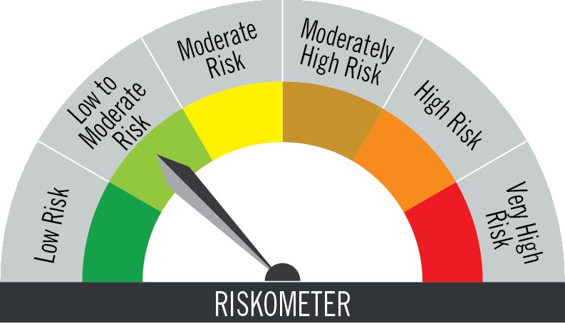
PGIM INDIA CORPORATE BOND FUND
(An Open Ended Debt Scheme Predominantly Investing In Aa+ And Above Rated Corporate Bonds. A Relatively High Interest Rate Risk And Moderate Credit Risk Scheme)
Riskometer of the Scheme |  |  | Riskometer of the Benchmark (CRISIL Corporate Debt A-II Index)


Investors understand that their principal will be at moderate risk |  |  | Benchmark riskometer is at low to moderate risk

Portfolio Statement as on December 31,2025
Name of Instrument | ISIN | Rating$ | Quantity | Market/Fair Value (INR Lacs) | % to Net Assets | % Yield
Debt Instruments

(a)Listed / Awaiting listing on stock Exchanges
6.79% Government of India | IN0020240126 | SOVEREIGN | 525,000 | 529.71 | 6.19 | 6.76
7.68% National Bank for Agriculture & Rural Development | INE261F08EG3 | CRISIL AAA | 500,000 | 509.79 | 5.96 | 6.98
7.9% Bajaj Housing Finance Ltd. ** | INE377Y07417 | CRISIL AAA | 500,000 | 508.26 | 5.94 | 7.08
8.52% Muthoot Finance Ltd. ** | INE414G07JO1 | CRISIL AA+ | 500,000 | 507.54 | 5.94 | 7.77
7.38% Power Finance Corporation Ltd. ** | INE134E08NM4 | CRISIL AAA | 500,000 | 505.89 | 5.92 | 7.13
8.2% Aditya Birla Housing Finance Ltd. ** | INE831R07425 | ICRA AAA | 500,000 | 505.75 | 5.91 | 7.09
7.48% State Government of Andhra Pradesh | IN1020250297 | SOVEREIGN | 500,000 | 503.92 | 5.89 | 7.49
6.7% REC Ltd. ** | INE020B08FY2 | ICRA AAA | 500,000 | 495.68 | 5.80 | 6.96
6.9% Housing & Urban Development Corp Ltd. ** | INE031A08962 | ICRA AAA | 500,000 | 494.81 | 5.79 | 7.10
6.65% Indian Railway Finance Corporation Ltd. ** | INE053F08502 | CRISIL AAA | 450,000 | 444.82 | 5.20 | 6.96
8.7% Shriram Finance Ltd. ** | INE721A07SL9 | CRISIL AA+ | 400,000 | 408.67 | 4.78 | 7.59
7.24% Government of India | IN0020250075 | SOVEREIGN | 400,000 | 398.91 | 4.66 | 7.39
8.5% NHPC Ltd. ** | INE848E07880 | FITCH AAA | 350,000 | 363.47 | 4.25 | 6.77
8.87% Export Import Bank of India ** | INE514E08ED5 | CRISIL AAA | 300,000 | 319.49 | 3.74 | 6.87
8.16% Aditya Birla Capital Ltd. ** | INE860H07IW8 | ICRA AAA | 300,000 | 305.96 | 3.58 | 7.41
7.37% Indian Railway Finance Corporation Ltd. ** | INE053F08411 | CRISIL AAA | 300,000 | 304.21 | 3.56 | 6.91
7.34% Small Industries Development Bank of India ** | INE556F08KS8 | CRISIL AAA | 200,000 | 201.95 | 2.36 | 6.99
7.26% Government of India | IN0020220151 | SOVEREIGN | 150,000 | 155.30 | 1.82 | 6.74
8.0359% Kotak Mahindra Investments Ltd. ** | INE975F07IM9 | CRISIL AAA | 150,000 | 150.90 | 1.76 | 7.14
7.51% Small Industries Development Bank of India ** | INE556F08KU4 | CRISIL AAA | 100,000 | 101.43 | 1.19 | 6.87
6.68% Government of India | IN0020250042 | SOVEREIGN | 100,000 | 97.10 | 1.14 | 7.12
6.48% Government of India | IN0020250091 | SOVEREIGN | 80,000 | 79.31 | 0.93 | 6.71
7.1% Government of India | IN0020240019 | SOVEREIGN | 58,333 | 60.00 | 0.70 | 6.75
8.01% REC Ltd. ** | INE020B08AY3 | CRISIL AAA | 50,000 | 51.36 | 0.60 | 6.78
Sub Total |  |  |  | 8,004.23 | 93.61

(b)Privately Placed/Unlisted
 |  |  |  | - | -
Sub Total |  |  |  | NIL | NIL

(c)Securitised Debt Instruments
 |  |  |  | - | -
Sub Total |  |  |  | NIL | NIL

TOTAL |  |  |  | 8,004.23 | 93.61

Mutual Fund Units
SBI CDMDF--A2 | INF0RQ622028 |  | 339 | 39.13 | 0.46

TOTAL |  |  |  | 39.13 | 0.46

Treps / Reverse Repo
Clearing Corporation of India Ltd. |  |  |  | 65.44 | 0.76
Sub Total |  |  |  | 65.44 | 0.76

TOTAL |  |  |  | 65.44 | 0.76

Net Receivables / (Payables) |  |  |  | 442.55 | 5.17

GRAND TOTAL |  |  |  | 8,551.35 | 100.00

** Non Traded Security
$ Debt instruments with Structured Obligations are denoted with suffix (SO) and those with Credit Enhancement features are denoted with suffix (CE) after rating where held in portfolio

Notes:
1. Plan / Option-wise Net Asset Value per unit are as below : (Face Value per unit = Rs. 10)
Plan / Option | 2025-11-28 | 2025-12-31
Direct Plan | (INR) | (INR)
Growth | 49.5195 | 49.5693
Monthly IDCW (earlier called Monthly Dividend) | 15.0396 | 14.8829
Quarterly IDCW (earlier called Quarterly Dividend) | 13.2136 | 13.0016
Annual IDCW (earlier called Annual Dividend) | 16.5974 | 16.6126
Regular Plan
Growth | 44.3189 | 44.3331
Monthly IDCW (earlier called Monthly Dividend) | 12.9053 | 12.7632
Quarterly IDCW (earlier called Quarterly Dividend) | 11.6386 | 11.4450
Annual IDCW (earlier called Annual Dividend) | 10.7743 | 10.7778

2. Exposure to derivative instruments in the scheme at the end of the month |  | NIL

3. Derivatives Transactions in the scheme for the month |  | NIL

4. Investment in foreign securities/ADRs/GDRs at the end of the month (INR Lacs) |  | NIL

5. Investment in short term deposits at the end of the month (INR Lacs) |  | NIL

6. Average Maturity period of the Portfolio (expressed in years) |  | 5.42

7. Aggregate IDCW (earlier called Dividend) declared during the month
Plan/Option | Dividend Rate
Direct Plan
Monthly IDCW (earlier called monthly dividend) | 0.0844
Quarterly IDCW (earlier called Quarterly Dividend) | 0.2239
Regular Plan
Monthly IDCW (earlier called monthly dividend) | 0.0724
Quarterly IDCW (earlier called Quarterly Dividend) | 0.1971
IDCWs are declared on face value. After distribution of IDCW, the NAV falls to the extent of IDCW and statutory levy (if applicable).

8. (a) Total Exposure to illiquid securities in the portfolio (INR Lacs) |  | NIL
(b) Total Exposure to illiquid securities in the portfolio (% of AUM) |  | NIL

9. Instances of Fair valuation of securities or Deviation in valuation from what is provided by valuation agencies |  | NIL

10. Securities in default beyond its maturity date in the portfolio of the scheme |  | NIL
11. For Performance of the scheme refer - | PGIM India Corporate Bond Fund

 | Portfolio Information
Scheme Name : | PGIM INDIA CORPORATE BOND FUND
Description (if any) | (An Open Ended Debt Scheme Predominantly Investing In Aa+ And Above Rated Corporate Bonds. A Relatively High Interest Rate Risk And Moderate Credit Risk Scheme)
Annualised Portfolio YTM* : | 7.04
Macaulay Duration | 3.81 years
Residual Maturity | 5.42 years
As on (Date) | 31-Dec-25

