Money Market
PGIM INDIA MONEY MARKET FUND |  |  |  |  | (Segregated Portfolios - 1)
(An Open Ended Debt Scheme Investing In Money Market Instruments. A Relatively Low Interest Rate Risk And Moderate Credit Risk Scheme.)
(The scheme has 1 segregated portfolio which was created under PGIM India Credit Risk Fund. Main portfolio of PGIM India Credit Risk Fund was merged with PGIM India Low Duration Fund w.e.f. January 22, 2022. Further, Main portfolio of PGIM India Low Duration Fund is now merged with PGIM India Money Market Fund effective September 30, 2023.)
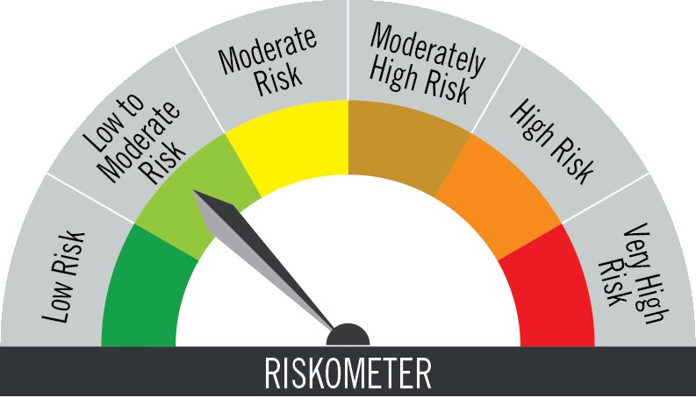
Riskometer of the Scheme |  |  | Riskometer of the Benchmark (CRISIL Money Market A-I Index)

Investors understand that their principal will be at low to moderate risk |  |  | Benchmark riskometer is at low to moderate risk

Portfolio Statement as on November 30,2025
Name of Instrument | ISIN | Rating$ | Quantity | Market/Fair Value (INR Lacs) | % to Net Assets | % Yield

Money Market Instruments

Certificate of Deposit
Union Bank of India ** # | INE692A16KF2 | ICRA A1+ | 2,500,000 | 2,429.62 | 8.26 | 6.22
Export Import Bank of India ** # | INE514E16CM3 | CRISIL A1+ | 1,600,000 | 1,549.62 | 5.27 | 6.18
Axis Bank Ltd. ** # | INE238AD6AT7 | CRISIL A1+ | 1,600,000 | 1,549.15 | 5.26 | 6.24
Canara Bank ** # | INE476A16A57 | CRISIL A1+ | 1,500,000 | 1,480.67 | 5.03 | 5.88
National Bank for Agriculture & Rural Development ** # | INE261F16967 | CRISIL A1+ | 1,500,000 | 1,478.90 | 5.03 | 5.92
Bank of Baroda ** # | INE028A16KH5 | ICRA A1+ | 1,500,000 | 1,416.15 | 4.81 | 6.38
Small Industries Development Bank of India ** # | INE556F16BP6 | CRISIL A1+ | 1,500,000 | 1,415.69 | 4.81 | 6.45
Indian Bank ** # | INE562A16PU5 | CRISIL A1+ | 1,400,000 | 1,323.05 | 4.50 | 6.38
HDFC Bank Ltd. ** # | INE040A16GW7 | CARE A1+ | 1,300,000 | 1,263.47 | 4.29 | 6.25
Indian Bank ** # | INE562A16OS2 | FITCH A1+ | 1,000,000 | 974.15 | 3.31 | 6.21
Kotak Mahindra Bank Ltd. ** # | INE237AD6075 | CRISIL A1+ | 1,000,000 | 954.93 | 3.25 | 6.31
Sub Total |  |  |  | 15,835.40 | 53.82

Commercial Paper
LIC Housing Finance Ltd. ** | INE115A14FJ1 | CRISIL A1+ | 1,500,000 | 1,480.96 | 5.03 | 5.94
Bharti Telecom Ltd. ** | INE403D14551 | CRISIL A1+ | 1,100,000 | 1,085.26 | 3.69 | 6.70
Infina Finance Pvt Ltd. ** | INE879F14LY8 | CRISIL A1+ | 1,100,000 | 1,028.22 | 3.49 | 7.26
ICICI Securities Ltd. ** | INE763G14XX9 | CRISIL A1+ | 1,000,000 | 983.10 | 3.34 | 6.61
Toyota Financial Services India Ltd. ** | INE692Q14BT3 | CRISIL A1+ | 1,000,000 | 963.61 | 3.27 | 6.79
Sub Total |  |  |  | 5,541.15 | 18.82

Treasury Bill
364 DAYS TBILL RED 19-03-2026 | IN002024Z495 | SOVEREIGN | 1,000,000 | 984.37 | 3.35 | 5.37
364 DAYS TBILL RED 03-09-2026 | IN002025Z237 | SOVEREIGN | 567,200 | 544.53 | 1.85 | 5.50
364 DAYS TBILL RED 27-02-2026 | IN002024Z461 | SOVEREIGN | 500,000 | 493.65 | 1.68 | 5.33
364 DAYS TBILL RED 05-03-2026 | IN002024Z479 | SOVEREIGN | 500,000 | 493.21 | 1.68 | 5.35
Sub Total |  |  |  | 2,515.76 | 8.56

TOTAL |  |  |  | 23,892.31 | 81.20

Mutual Fund Units
SBI CDMDF--A2 | INF0RQ622028 |  | 741 | 85.22 | 0.29

TOTAL |  |  |  | 85.22 | 0.29

Treps / Reverse Repo
Clearing Corporation of India Ltd. |  |  |  | 5,439.86 | 18.48
Sub Total |  |  |  | 5,439.86 | 18.48

TOTAL |  |  |  | 5,439.86 | 18.48

Net Receivables / (Payables) |  |  |  | 7.77 | 0.03

GRAND TOTAL |  |  |  | 29,425.16 | 100.00

# Unlisted Security
** Non Traded Security
$ Debt instruments with Structured Obligations are denoted with suffix (SO) and those with Credit Enhancement features are denoted with suffix (CE) after rating where held in portfolio

Notes:
1. Plan / Option-wise Net Asset Value per unit are as below : (Face Value per unit = Rs. 1000)
Plan / Option | 2025-10-31 | 2025-11-28
Direct Plan | (INR) | (INR)
Growth | 1397.9935 | 1404.6300
Daily IDCW (earlier called Daily Dividend) | 1010.4294 | 1010.4294
Weekly IDCW (earlier called Weekly Dividend) | 1003.2056 | 1002.3399
Monthly IDCW (earlier called Monthly Dividend) | 1075.2491 | 1074.9887
Regular Plan
Growth | 1356.0729 | 1362.2528
Daily IDCW (earlier called Daily Dividend) | 1009.0935 | 1009.0935
Weekly IDCW (earlier called Weekly Dividend) | 1003.1612 | 1002.3732
Monthly IDCW (earlier called Monthly Dividend) | 1065.3707 | 1065.6261

2. Exposure to derivative instruments in the scheme at the end of the month |  | NIL

3. Derivatives Transactions in the scheme for the month |  | NIL

4. Investment in foreign securities/ADRs/GDRs at the end of the month (INR Lacs) |  | NIL

5. Investment in short term deposits at the end of the month (INR Lacs) |  | NIL

6. Average Maturity period of the Portfolio (expressed in years) |  | 0.43

7. Aggregate IDCW (earlier called Dividend) declared during the month
Plan/Option | Dividend Rate
Direct Plan
Daily IDCW (earlier called Daily Dividend) | 5.1796
Weekly IDCW (earlier called Weekly Dividend) | 7.1196
Monthly IDCW (earlier called monthly dividend) | 5.3263
Regular Plan
Daily IDCW (earlier called Daily Dividend) | 4.9970
Weekly IDCW (earlier called Weekly Dividend) | 6.9004
Monthly IDCW (earlier called monthly dividend) | 4.5800
IDCWs are declared on face value. After distribution of IDCW, the NAV falls to the extent of IDCW and statutory levy (if applicable).

8. (a) Total Exposure to illiquid securities in the portfolio (INR Lacs) |  | NIL
(b) Total Exposure to illiquid securities in the portfolio (% of AUM) |  | NIL

9. Instances of Fair valuation of securities or Deviation in valuation from what is provided by valuation agencies |  | NIL

10. Securities in default beyond its maturity date in the portfolio of the scheme |  | NIL
11. For Performance of the scheme refer - | PGIM India Money Market Fund

 | Portfolio Information
Scheme Name : | PGIM INDIA MONEY MARKET FUND
Description (if any) | (An Open Ended Debt Scheme Investing In Money Market Instruments. A Relatively Low Interest Rate Risk And Moderate Credit Risk Scheme.)
Annualised Portfolio YTM* : | 6.08
Macaulay Duration | 0.43 years
Residual Maturity | 0.43 years
As on (Date) | 30-Nov-25

PGIM INDIA MONEY MARKET FUND - SEGREGATED PORTFOILIO ##
(This Segregated Portfolio was created under PGIM India Credit Risk Fund. Main portfolio of PGIM India Credit Risk Fund was merged with PGIM India Low Duration Fund w.e.f. January 22, 2022 & Main portfolio of PGIM India Low Duration Fund was merged with PGIM India Money Market Fund w.e.f. September 30, 2023

Portfolio Statement as on November 30,2025
Name of Instrument | ISIN | Rating | Quantity | Market/Fair Value (INR Lacs) | % to Net Assets | % Yield | CRISIL YTC | ICRA YTC
Debt Instruments
9.0% Yes Bank Ltd. ** ~ | INE528G08394 | ICRA D | 1,670,000 | 0.00 | 57.39 | 0.00 | 0.00 | 0.00
9.5% Yes Bank Ltd. ** ~ | INE528G08352 | ICRA D | 1,240,000 | 0.00 | 42.61 | 0.00 | 0.00 | 0.00
TOTAL |  |  |  | 0.00 | 100.00
** Non Traded Security
~ Below Investment Grade or Default

## As substantial time has elapsed since the date of default of these bonds with no clear line of sight on recovery timelines, the Board of Directors of PGIM India Asset Management Private Limited and PGIM India Trustees
Private Limited have, after necessary assessment of the likelihood of recovery of these bonds, decided to fully write off the bonds (currently valued at zero) in the books of the scheme.
This write off in the books does not, in any way, dilute the right of the scheme to recover the sum from the issuer entity should there be a recovery.

PGIM India continues to track development on this matter and will, in the event of any recovery against these bonds, promptly distribute the same to the unit holders in the segregated portfolio
in proportion to their respective entitlement.

Notes:
1. Plan / Option-wise Net Asset Value per unit are as below : (Face Value per unit = Rs. 10)
Plan / Option | 2025-10-31 | 2025-11-28
Direct Plan | (INR) | (INR)
Growth | 0.0000 | 0.0000
Monthly IDCW (earlier called Monthly dividend) | 0.0000 | 0.0000
Quaterly IDCW (earlier called Quarterly dividend) | 0.0000 | 0.0000
Annual IDCW (earlier called Annual dividend) | 0.0000 | 0.0000
Regular Plan
Growth | 0.0000 | 0.0000
Monthly IDCW (earlier called Monthly dividend) | 0.0000 | 0.0000
Quaterly IDCW (earlier called Quarterly dividend) | 0.0000 | 0.0000
Annual IDCW (earlier called Annual dividend) | 0.0000 | 0.0000

2. Securities in default beyond its maturity date in the portfolio of the scheme |  | NIL
3. %age of segregated security holding in scheme AUM prior to segregation |  | 4.34%

