IBX GILT
PGIM INDIA CRISIL IBX GILT INDEX - APR 2028
(An open-ended Target Maturity Index Fund investing in constituents of the CRISIL-IBX Gilt Index - April 2028. A relatively high interest rate risk and relatively low credit risk)
Riskometer of the Scheme |  |  | Riskometer of the Benchmark (CRISIL-IBX Gilt Index - April 2028)
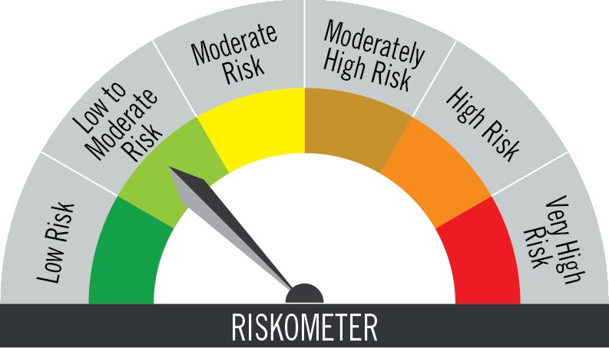

Investors understand that their principal will be at low to moderate risk |  |  | Benchmark riskometer is at low to moderate risk
Portfolio Statement as on November 30,2025
Name of Instrument | ISIN | Rating$ | Quantity | Market/Fair Value (INR Lacs) | % to Net Assets | % Yield
Debt Instruments

(a)Listed / Awaiting listing on stock Exchanges
7.17% Government of India | IN0020170174 | SOVEREIGN | 1,200,000 | 1,232.40 | 49.41 | 5.87
6.64% Government of India | IN0020240167 | SOVEREIGN | 670,000 | 681.85 | 27.34 | 5.78
8.28% Government of India | IN0020070069 | SOVEREIGN | 460,900 | 480.72 | 19.27 | 5.81
Sub Total |  |  |  | 2,394.97 | 96.02

(b)Privately Placed/Unlisted
 |  |  |  | - | -
Sub Total |  |  |  | NIL | NIL

(c)Securitised Debt Instruments
 |  |  |  | - | -
Sub Total |  |  |  | NIL | NIL

TOTAL |  |  |  | 2,394.97 | 96.02

Treps / Reverse Repo
Clearing Corporation of India Ltd. |  |  |  | 31.71 | 1.27
Sub Total |  |  |  | 31.71 | 1.27

TOTAL |  |  |  | 31.71 | 1.27

Net Receivables / (Payables) |  |  |  | 67.69 | 2.71

GRAND TOTAL |  |  |  | 2,494.37 | 100.00

$ Debt instruments with Structured Obligations are denoted with suffix (SO) and those with Credit Enhancement features are denoted with suffix (CE) after rating where held in portfolio

Notes:
1. Plan / Option-wise Net Asset Value per unit are as below : (Face Value per unit = Rs. 10)
Plan / Option | 2025-10-31 | 2025-11-28
Direct Plan | (INR) | (INR)
IDCW (earlier called Dividend) | 10.8444 | 10.8954
Growth | 12.3705 | 12.4288
Regular Plan
Growth | 12.3139 | 12.3705
IDCW (earlier called Dividend) | 10.7916 | 10.8413

2. Exposure to derivative instruments in the scheme at the end of the month |  | NIL

3. Derivatives Transactions in the scheme for the month |  | NIL

4. Investment in foreign securities/ADRs/GDRs at the end of the month (INR Lacs) |  | NIL

5. Investment in short term deposits at the end of the month (INR Lacs) |  | NIL

6. Average Maturity period of the Portfolio (expressed in years) |  | 1.97

7. Aggregate IDCW (earlier called Dividend) declared during the month |  | NIL

8. (a) Total Exposure to illiquid securities in the portfolio (INR Lacs) |  | NIL
(b) Total Exposure to illiquid securities in the portfolio (% of AUM) |  | NIL

9. Instances of Fair valuation of securities or Deviation in valuation from what is provided by valuation agencies |  | NIL

10. Securities in default beyond its maturity date in the portfolio of the scheme |  | NIL
11. For Performance of the scheme refer - | PGIM India CRISIL IBX Gilt Index – April 2028 Fund

 | Portfolio Information
Scheme Name : | PGIM INDIA CRISIL IBX GILT INDEX - APR 2028 FUND
Description (if any) | (An open-ended Target Maturity Index Fund investing in constituents of the CRISIL-IBX Gilt Index - April 2028. A relatively high interest rate risk and relatively low credit risk)
Annualised Portfolio YTM* : | 5.82
Macaulay Duration | 1.8 years
Residual Maturity | 1.97 years
As on (Date) | 30-Nov-25

