Liquid
PGIM INDIA LIQUID FUND
(An Open Ended Liquid Scheme. A Relatively Low Interest Rate Risk And Moderate Credit Risk Scheme.)
Riskometer of the Scheme |  |  | Riskometer of the Benchmark (CRISIL Liquid Debt A-I Index)
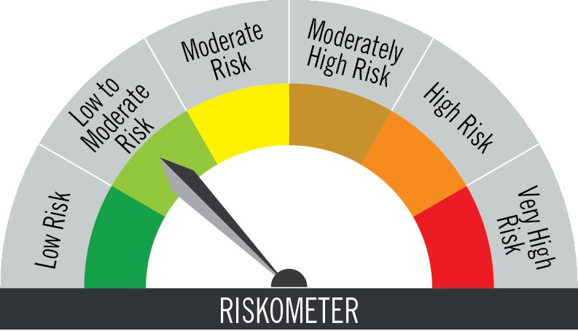

Investors understand that their principal will be at low to moderate risk |  |  | Benchmark riskometer is at low to moderate risk
Portfolio Statement as on October 31,2025
Name of Instrument | ISIN | Rating$ | Quantity | Market/Fair Value (INR Lacs) | % to Net Assets | % Yield
Debt Instruments

(a)Listed / Awaiting listing on stock Exchanges
7.47% Small Industries Development Bank of India ** | INE556F08KE8 | ICRA AAA | 5,000,000 | 5,003.73 | 8.73 | 6.26
Sub Total |  |  |  | 5,003.73 | 8.73

(b)Privately Placed/Unlisted
 |  |  |  | - | -
Sub Total |  |  |  | NIL | NIL

(c)Securitised Debt Instruments
 |  |  |  | - | -
Sub Total |  |  |  | NIL | NIL

TOTAL |  |  |  | 5,003.73 | 8.73

Money Market Instruments

Certificate of Deposit
HDFC Bank Ltd. # | INE040A16FY5 | CARE A1+ | 5,000,000 | 4,973.20 | 8.67 | 5.96
Canara Bank ** # | INE476A16ZV5 | CRISIL A1+ | 5,000,000 | 4,959.40 | 8.65 | 5.86
Indian Bank ** # | INE562A16NQ8 | CRISIL A1+ | 2,500,000 | 2,486.67 | 4.34 | 5.93
Punjab National Bank # | INE160A16QL5 | CRISIL A1+ | 2,500,000 | 2,483.81 | 4.33 | 5.95
Axis Bank Ltd. ** # | INE238AD6AX9 | CRISIL A1+ | 2,500,000 | 2,481.86 | 4.33 | 5.93
Sub Total |  |  |  | 17,384.94 | 30.32

Commercial Paper
SBI Cards & Payment Services Ltd. ** | INE018E14PP5 | CRISIL A1+ | 4,500,000 | 4,470.54 | 7.80 | 6.50
LIC Housing Finance Ltd. ** | INE115A14FM5 | CRISIL A1+ | 2,500,000 | 2,492.24 | 4.35 | 5.99
Indian Oil Corporation Ltd. ** | INE242A14YJ4 | CRISIL A1+ | 2,500,000 | 2,487.03 | 4.34 | 5.95
Reliance Retail Ventures Ltd. ** | INE929O14EC4 | CRISIL A1+ | 2,500,000 | 2,486.46 | 4.34 | 6.02
Aditya Birla Housing Finance Ltd. ** | INE831R14FB4 | ICRA A1+ | 2,500,000 | 2,483.97 | 4.33 | 6.04
HDFC Securities Ltd. ** | INE700G14PW9 | CRISIL A1+ | 2,500,000 | 2,480.56 | 4.33 | 6.50
Infina Finance Pvt Ltd. ** | INE879F14LM3 | CRISIL A1+ | 2,500,000 | 2,479.15 | 4.32 | 6.67
Sub Total |  |  |  | 19,379.95 | 33.81

Treasury Bill
364 DAYS TBILL RED 11-12-2025 | IN002024Z354 | SOVEREIGN | 4,000,000 | 3,976.37 | 6.93 | 5.42
91 DAYS TBILL RED 11-12-2025 | IN002025X240 | SOVEREIGN | 3,500,000 | 3,479.33 | 6.07 | 5.42
364 DAYS TBILL RED 21-11-2025 | IN002024Z321 | SOVEREIGN | 2,500,000 | 2,492.65 | 4.35 | 5.38
91 DAYS TBILL RED 28-11-2025 | IN002025X224 | SOVEREIGN | 500,000 | 498.01 | 0.87 | 5.39
91 DAYS TBILL RED 20-11-2025 | IN002025X216 | SOVEREIGN | 325,000 | 324.10 | 0.57 | 5.36
Sub Total |  |  |  | 10,770.46 | 18.79

TOTAL |  |  |  | 47,535.35 | 82.92

Mutual Fund Units
SBI CDMDF--A2 | INF0RQ622028 |  | 1,980 | 226.55 | 0.40

TOTAL |  |  |  | 226.55 | 0.40

Treps / Reverse Repo
Clearing Corporation of India Ltd. |  |  |  | 4,246.22 | 7.41
Sub Total |  |  |  | 4,246.22 | 7.41

TOTAL |  |  |  | 4,246.22 | 7.41

Net Receivables / (Payables) |  |  |  | 332.35 | 0.54

GRAND TOTAL |  |  |  | 57,344.20 | 100.00

# Unlisted Security
** Non Traded Security
$ Debt instruments with Structured Obligations are denoted with suffix (SO) and those with Credit Enhancement features are denoted with suffix (CE) after rating where held in portfolio

 | Portfolio Information
Scheme Name : | PGIM INDIA LIQUID FUND
Description (if any) | (An Open Ended Liquid Scheme. A Relatively Low Interest Rate Risk And Moderate Credit Risk Scheme.)
Annualised Portfolio YTM* : | 5.95
Macaulay Duration | 0.09 years
Residual Maturity | 0.09 years
As on (Date) | 31-Oct-25

Notes:
1. Plan / Option-wise Net Asset Value per unit are as below : (Face Value per unit = Rs. 100)
Plan / Option | 2025-09-30 | 2025-10-31
Direct Plan | (INR) | (INR)
Growth | 349.0480 | 350.7387
Daily IDCW (earlier called Daily Dividend) | 124.3993 | 125.0019
Weekly IDCW (earlier called Weekly Dividend) | 100.5948 | 100.6101
Monthly IDCW (earlier called Monthly Dividend) | 116.5719 | 117.1364
Regular Plan
Growth | 344.8215 | 346.4621
Daily IDCW (earlier called Daily Dividend) | 100.3040 | 100.3040
Weekly IDCW (earlier called Weekly Dividend) | 100.5937 | 100.6082
Monthly IDCW (earlier called Monthly Dividend) | 117.0501 | 117.6071

2. Exposure to derivative instruments in the scheme at the end of the month |  | NIL

3. Derivatives Transactions in the scheme for the month |  | NIL

4. Investment in foreign securities/ADRs/GDRs at the end of the month (INR Lacs) |  | NIL

5. Investment in short term deposits at the end of the month (INR Lacs) |  | NIL

6. Average Maturity period of the Portfolio (expressed in years) |  | 0.09

7. Aggregate IDCW (earlier called Dividend) declared during the month
Plan/Option | Dividend Rate
Direct Plan
Weekly IDCW (earlier called Weekly Dividend) | 0.5765
Monthly IDCW (earlier called monthly dividend) | 0.5845
Regular Plan
Daily IDCW (earlier called Daily Dividend) | 0.4769
Weekly IDCW (earlier called Weekly Dividend) | 0.5668
Monthly IDCW (earlier called monthly dividend) | 0.5771
IDCWs are declared on face value. After distribution of IDCW, the NAV falls to the extent of IDCW and statutory levy (if applicable).

8. (a) Total Exposure to illiquid securities in the portfolio (INR Lacs) |  | NIL
(b) Total Exposure to illiquid securities in the portfolio (% of AUM) |  | NIL

9. Instances of Fair valuation of securities or Deviation in valuation from what is provided by valuation agencies |  | NIL

10. Securities in default beyond its maturity date in the portfolio of the scheme |  | NIL

11. For Performance of the scheme refer - | PGIM India Liquid Fund

