Overnight
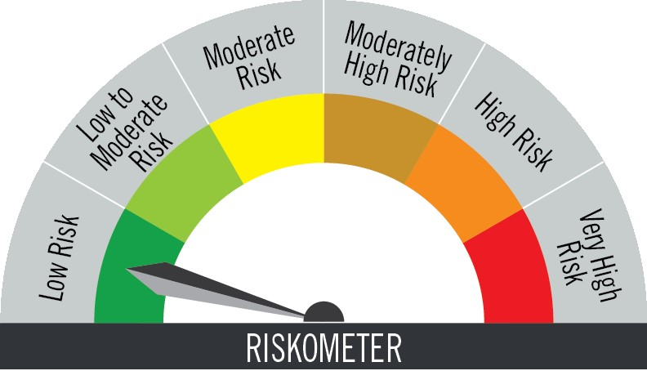
PGIM INDIA OVERNIGHT FUND
(An Open Ended Debt Scheme Investing In Overnight Securities. A Relatively Low Interest Rate Risk And Relatively Low Credit Risk Scheme)
Riskometer of the Scheme |  |  | Riskometer of the Benchmark (Nifty 1D Rate Index)

Investors understand that their principal will be at low risk |  |  | Benchmark riskometer is at low risk
Portfolio Statement as on October 31,2025
Name of Instrument | ISIN | Industry/Rating | Quantity | Market/Fair Value (INR Lacs) | % to Net Assets | % Yield

Money Market Instruments

Treasury Bill
364 DAYS TBILL RED 13-11-2025 | IN002024Z313 | SOVEREIGN | 200,000 | 199.64 | 1.90 | 5.45
91 DAYS TBILL RED 20-11-2025 | IN002025X216 | SOVEREIGN | 175,000 | 174.51 | 1.66 | 5.36
Sub Total |  |  |  | 374.15 | 3.56

TOTAL |  |  |  | 374.15 | 3.56

Treps / Reverse Repo
Clearing Corporation of India Ltd. |  |  |  | 10,112.00 | 96.07
Sub Total |  |  |  | 10,112.00 | 96.07

TOTAL |  |  |  | 10,112.00 | 96.07

Net Receivables / (Payables) |  |  |  | 38.82 | 0.37

GRAND TOTAL |  |  |  | 10,524.97 | 100.00

 | Portfolio Information
Scheme Name : | PGIM INDIA OVERNIGHT FUND
Description (if any) | (An Open Ended Debt Scheme Investing In Overnight Securities. A Relatively Low Interest Rate Risk And Relatively Low Credit Risk Scheme)
Annualised Portfolio YTM* : | 5.66
Macaulay Duration | 0
Residual Maturity | 1 Days
As on (Date) | 31-Oct-25

Notes:
1. Plan / Option-wise Net Asset Value per unit are as below : (Face Value per unit = Rs. 1000)
Plan / Option | 2025-09-30 | 2025-10-31
Direct Plan | (INR) | (INR)
Growth | 1354.0053 | 1360.0998
Daily IDCW (earlier called Daily Dividend) | 1000.0087 | 1000.0087
Weekly IDCW (earlier called Weekly Dividend) | 1000.6580 | 1001.1050
Regular Plan
Growth | 1348.2084 | 1354.2421
Daily IDCW (earlier called Daily Dividend) | 1000.0000 | 1000.0000
Weekly IDCW (earlier called Weekly Dividend) | 1008.0136 | 1008.3116

2. Exposure to derivative instruments in the scheme at the end of the month |  | NIL

3. Derivatives Transactions in the scheme for the month |  | NIL

4. Investment in foreign securities/ADRs/GDRs at the end of the month (INR Lacs) |  | NIL

5. Investment in short term deposits at the end of the month (INR Lacs) |  | NIL

6. Average Maturity period of the Portfolio |  | 1.00 Day

7. Aggregate IDCW (earlier called Dividend) declared during the month
Plan/Option | Dividend Rate
Direct Plan
Daily IDCW (earlier called Daily Dividend) | 4.5072
Weekly IDCW (earlier called Weekly Dividend) | 5.1293
Regular Plan
Daily IDCW (earlier called Daily Dividend) | 3.6641
Weekly IDCW (earlier called Weekly Dividend) | 5.2293
IDCWs are declared on face value. After distribution of IDCW, the NAV falls to the extent of IDCW and statutory levy (if applicable).

8. (a) Total Exposure to illiquid securities in the portfolio (INR Lacs) |  | NIL
(b) Total Exposure to illiquid securities in the portfolio (% of AUM) |  | NIL

9. Instances of Fair valuation of securities or Deviation in valuation from what is provided by valuation agencies |  | NIL

10. Securities in default beyond its maturity date in the portfolio of the scheme |  | NIL

11. For Performance of the scheme refer - | PGIM India Overnight Fund

