Ultra Short
PGIM INDIA ULTRA SHORT DURATION FUND
(An Open Ended Ultra-Short Term Debt Scheme Investing In Instruments Such That The Macaulay Duration Of The Portfolio Is Between 3 Months To 6 Months. A Relatively Low Interest Rate Risk And Moderate Credit Risk Scheme)
Riskometer of the Scheme |  |  | Riskometer of the Benchmark (CRISIL-IBX Gilt Index - April 2028)
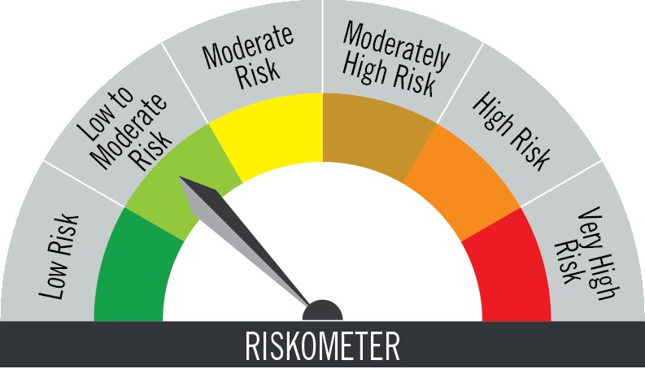

Investors understand that their principal will be at low to moderate risk |  |  | Benchmark riskometer is at low to moderate risk

Portfolio Statement as on August 31,2025
Name of Instrument | ISIN | Rating$ | Quantity | Market/Fair Value (INR Lacs) | % to Net Assets | % Yield
Debt Instruments

(a)Listed / Awaiting listing on stock Exchanges
7.47% Small Industries Development Bank of India ** | INE556F08KE8 | ICRA AAA | 1,500,000 | 1,504.10 | 7.37 | 6.12
8.4% Nuclear Power Corporation ** | INE206D08212 | CRISIL AAA | 1,000,000 | 1,005.30 | 4.93 | 6.03
9.25% Shriram Finance Ltd. ** | INE721A07RU2 | CRISIL AA+ | 1,000,000 | 1,004.68 | 4.92 | 7.19
8.5% Muthoot Finance Ltd. ** | INE414G07HK3 | CRISIL AA+ | 1,000,000 | 1,003.94 | 4.92 | 7.15
7.4% National Bank for Agriculture & Rural Development ** | INE261F08DO9 | CRISIL AAA | 1,000,000 | 1,003.42 | 4.92 | 6.28
8.45% Can Fin Homes Ltd. ** | INE477A07373 | FITCH AA+ | 500,000 | 505.76 | 2.48 | 6.76
7.64% Power Finance Corporation Ltd. ** | INE134E08MT1 | CRISIL AAA | 500,000 | 504.84 | 2.47 | 6.58
7.7201% LIC Housing Finance Ltd. ** | INE115A07QB9 | CRISIL AAA | 500,000 | 502.45 | 2.46 | 6.33
8.8% Bharti Telecom Ltd. ** | INE403D08132 | CRISIL AAA | 500,000 | 501.85 | 2.46 | 6.65
7.49% GIC Housing Finance Ltd. ** | INE289B07115 | CRISIL AA+ | 500,000 | 501.48 | 2.46 | 7.30
7.2% National Bank for Agriculture & Rural Development ** | INE261F08DR2 | ICRA AAA | 500,000 | 500.26 | 2.45 | 5.94
8.25% State Government of Madhya Pradesh | IN2120150049 | SOVEREIGN | 271,400 | 271.55 | 1.33 | 5.71
8.16% State Government of Haryana | IN1620150087 | SOVEREIGN | 219,600 | 219.92 | 1.08 | 5.71
8.15% State Government of Gujarat | IN1520150054 | SOVEREIGN | 151,400 | 151.62 | 0.74 | 5.69
7.55% Sundaram Home Finance Ltd. ** | INE667F07IF6 | ICRA AAA | 100,000 | 100.00 | 0.49 | 5.92
Sub Total |  |  |  | 9,281.17 | 45.48

(b)Privately Placed/Unlisted
 |  |  |  | - | -
Sub Total |  |  |  | NIL | NIL

(c)Securitised Debt Instruments
 |  |  |  | - | -
Sub Total |  |  |  | NIL | NIL

TOTAL |  |  |  | 9,281.17 | 45.48

Money Market Instruments

Certificate of Deposit
HDFC Bank Ltd. ** # | INE040A16GW7 | CARE A1+ | 1,200,000 | 1,148.26 | 5.63 | 6.33
Canara Bank ** # | INE476A16A57 | CRISIL A1+ | 1,000,000 | 972.21 | 4.76 | 6.07
Punjab National Bank ** # | INE160A16RP4 | CRISIL A1+ | 800,000 | 773.50 | 3.79 | 6.10
Indian Bank ** # | INE562A16OS2 | FITCH A1+ | 800,000 | 767.34 | 3.76 | 6.29
Axis Bank Ltd. ** # | INE238AD6AT7 | CRISIL A1+ | 600,000 | 571.97 | 2.80 | 6.32
Punjab National Bank ** # | INE160A16QM3 | CRISIL A1+ | 500,000 | 492.43 | 2.41 | 5.91
Bank of Baroda ** # | INE028A16JM7 | ICRA A1+ | 500,000 | 487.18 | 2.39 | 6.08
Axis Bank Ltd. ** # | INE238AD6BB3 | CRISIL A1+ | 500,000 | 477.99 | 2.34 | 6.32
Export Import Bank of India ** # | INE514E16CM3 | CRISIL A1+ | 400,000 | 381.40 | 1.87 | 6.29
Punjab National Bank ** # | INE160A16RK5 | CRISIL A1+ | 250,000 | 241.99 | 1.19 | 6.10
HDFC Bank Ltd. ** # | INE040A16FM0 | CARE A1+ | 200,000 | 199.44 | 0.98 | 5.73
Sub Total |  |  |  | 6,513.71 | 31.92

Commercial Paper
Bharti Telecom Ltd. ** | INE403D14551 | CRISIL A1+ | 700,000 | 679.06 | 3.33 | 6.82
Infina Finance Pvt Ltd. ** | INE879F14KA0 | CRISIL A1+ | 400,000 | 393.73 | 1.93 | 6.61
Sub Total |  |  |  | 1,072.79 | 5.26

Treasury Bill
364 DAYS TBILL RED 29-01-2026 | IN002024Z420 | SOVEREIGN | 500,000 | 488.85 | 2.40 | 5.55
364 DAYS TBILL RED 04-09-2025 | IN002024Z230 | SOVEREIGN | 350,000 | 349.84 | 1.71 | 5.40
364 DAYS TBILL RED 18-12-2025 | IN002024Z362 | SOVEREIGN | 241,500 | 237.64 | 1.16 | 5.49
91 DAYS TBILL RED 18-09-2025 | IN002025X125 | SOVEREIGN | 150,000 | 149.62 | 0.73 | 5.42
Sub Total |  |  |  | 1,225.95 | 6.00

TOTAL |  |  |  | 8,812.45 | 43.18

Mutual Fund Units
SBI CDMDF--A2 | INF0RQ622028 |  | 1,198 | 135.80 | 0.67

TOTAL |  |  |  | 135.80 | 0.67

Treps / Reverse Repo
Clearing Corporation of India Ltd. |  |  |  | 1,744.23 | 8.55
Sub Total |  |  |  | 1,744.23 | 8.55

TOTAL |  |  |  | 1,744.23 | 8.55

Net Receivables / (Payables) |  |  |  | 430.50 | 2.12

GRAND TOTAL |  |  |  | 20,404.15 | 100.00

# Unlisted Security
** Non Traded Security
$ Debt instruments with Structured Obligations are denoted with suffix (SO) and those with Credit Enhancement features are denoted with suffix (CE) after rating where held in portfolio

Notes:
1. Plan / Option-wise Net Asset Value per unit are as below : (Face Value per unit = Rs. 10)
Plan / Option | 2025-07-31 | 2025-08-29
Direct Plan | (INR) | (INR)
Growth | 35.8510 | 36.0154
Daily IDCW (earlier called Daily Dividend) | 10.0241 | 10.0241
Weekly IDCW (earlier called Weekly Dividend) | 10.2729 | 10.2753
Monthly IDCW (earlier called Monthly Dividend) | 12.4395 | 12.4964
Regular Plan (Live)
Growth | 34.2677 | 34.4087
Daily IDCW (earlier called Daily Dividend) | 10.0203 | 10.0203
Weekly IDCW (earlier called Weekly Dividend) | 10.0842 | 10.0864
Monthly IDCW (earlier called Monthly Dividend) | 14.7993 | 14.8602

2. Exposure to derivative instruments in the scheme at the end of the month |  | NIL

3. Derivatives Transactions in the scheme for the month |  | NIL

4. Investment in foreign securities/ADRs/GDRs at the end of the month (INR Lacs) |  | NIL

5. Investment in short term deposits at the end of the month (INR Lacs) |  | NIL

6. Average Maturity period of the Portfolio (expressed in years) |  | 0.41

7. Aggregate IDCW (earlier called Dividend) declared during the month
Plan/Option | Dividend Rate
Direct Plan
Daily IDCW (earlier called Daily Dividend) | 0.0458
Weekly IDCW (earlier called Weekly Dividend) | 0.0554
Monthly IDCW (earlier called monthly dividend) | 0.0606
Regular Plan
Daily IDCW (earlier called Daily Dividend) | 0.0411
Weekly IDCW (earlier called Weekly Dividend) | 0.0488
IDCWs are declared on face value. After distribution of IDCW, the NAV falls to the extent of IDCW and statutory levy (if applicable).

8. (a) Total Exposure to illiquid securities in the portfolio (INR Lacs) |  | NIL
(b) Total Exposure to illiquid securities in the portfolio (% of AUM) |  | NIL

9. Instances of Fair valuation of securities or Deviation in valuation from what is provided by valuation agencies |  | NIL

10. Securities in default beyond its maturity date in the portfolio of the scheme |  | NIL

 | Portfolio Information
Scheme Name : | PGIM INDIA ULTRA SHORT DURATION FUND
Description (if any) | (An Open Ended Ultra-Short Term Debt Scheme Investing In Instruments Such That The Macaulay Duration Of The Portfolio Is Between 3 Months To 6 Months. A Relatively Low Interest Rate Risk And Moderate Credit Risk Scheme)
Annualised Portfolio YTM* : | 6.21
Macaulay Duration | 0.41 years
Residual Maturity | 0.41 years
As on (Date) | 31-Aug-25

11. For Performance of the scheme refer - | PGIM India Ultra Short Duration Fund

