IBX GILT
PGIM INDIA CRISIL IBX GILT INDEX - APR 2028
(An open-ended Target Maturity Index Fund investing in constituents of the CRISIL-IBX Gilt Index - April 2028. A relatively high interest rate risk and relatively low credit risk)
Riskometer of the Scheme |  |  | Riskometer of the Benchmark (CRISIL Liquid Debt A-I Index)

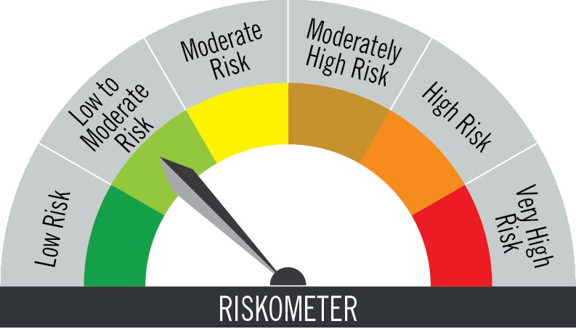

Investors understand that their principal will be at moderate risk |  |  | Benchmark riskometer is at low to moderate risk

Portfolio Statement as on August 31,2025
Name of Instrument | ISIN | Rating$ | Quantity | Market/Fair Value (INR Lacs) | % to Net Assets | % Yield
Debt Instruments

(a)Listed / Awaiting listing on stock Exchanges
7.17% Government of India | IN0020170174 | SOVEREIGN | 1,850,000 | 1,897.36 | 71.91 | 6.07
8.28% Government of India | IN0020070069 | SOVEREIGN | 695,900 | 726.64 | 27.54 | 6.05
Sub Total |  |  |  | 2,624.00 | 99.45

(b)Privately Placed/Unlisted
 |  |  |  | - | -
Sub Total |  |  |  | NIL | NIL

(c)Securitised Debt Instruments
 |  |  |  | - | -
Sub Total |  |  |  | NIL | NIL

TOTAL |  |  |  | 2,624.00 | 99.45

Treps / Reverse Repo
Clearing Corporation of India Ltd. |  |  |  | 26.14 | 0.99
Sub Total |  |  |  | 26.14 | 0.99

TOTAL |  |  |  | 26.14 | 0.99

Net Receivables / (Payables) |  |  |  | (11.70) | (0.44)

GRAND TOTAL |  |  |  | 2,638.44 | 100.00

$ Debt instruments with Structured Obligations are denoted with suffix (SO) and those with Credit Enhancement features are denoted with suffix (CE) after rating where held in portfolio

Notes:
1. Plan / Option-wise Net Asset Value per unit are as below : (Face Value per unit = Rs. 10)
Plan / Option | 2025-07-31 | 2025-08-29
Direct Plan | (INR) | (INR)
IDCW (earlier called Dividend) | 10.6918 | 10.7075
Growth | 12.1963 | 12.2143
Regular Plan
Growth | 12.1447 | 12.1613
IDCW (earlier called Dividend) | 10.6432 | 10.6578

2. Exposure to derivative instruments in the scheme at the end of the month |  | NIL

3. Derivatives Transactions in the scheme for the month |  | NIL

4. Investment in foreign securities/ADRs/GDRs at the end of the month (INR Lacs) |  | NIL

5. Investment in short term deposits at the end of the month (INR Lacs) |  | NIL

6. Average Maturity period of the Portfolio (expressed in years) |  | 2.29

7. Aggregate IDCW (earlier called Dividend) declared during the month |  | NIL

8. (a) Total Exposure to illiquid securities in the portfolio (INR Lacs) |  | NIL
(b) Total Exposure to illiquid securities in the portfolio (% of AUM) |  | NIL

9. Instances of Fair valuation of securities or Deviation in valuation from what is provided by valuation agencies |  | NIL

10. Securities in default beyond its maturity date in the portfolio of the scheme |  | NIL

 | Portfolio Information
Scheme Name : | PGIM INDIA CRISIL IBX GILT INDEX - APR 2028 FUND
Description (if any) | (An open-ended Target Maturity Index Fund investing in constituents of the CRISIL-IBX Gilt Index - April 2028. A relatively high interest rate risk and relatively low credit risk)
Annualised Portfolio YTM* : | 6.06
Macaulay Duration | 2.09 years
Residual Maturity | 2.29 years
As on (Date) | 31-Aug-25

11. For Performance of the scheme refer - | PGIM India CRISIL IBX Gilt Index Apr 2028 Fund

