Corporate Bond
PGIM INDIA CORPORATE BOND FUND
(An Open Ended Debt Scheme Predominantly Investing In Aa+ And Above Rated Corporate Bonds. A Relatively High Interest Rate Risk And Moderate Credit Risk Scheme)
Riskometer of the Scheme |  |  | Riskometer of the Benchmark (CRISIL Corporate Debt A-II Index)

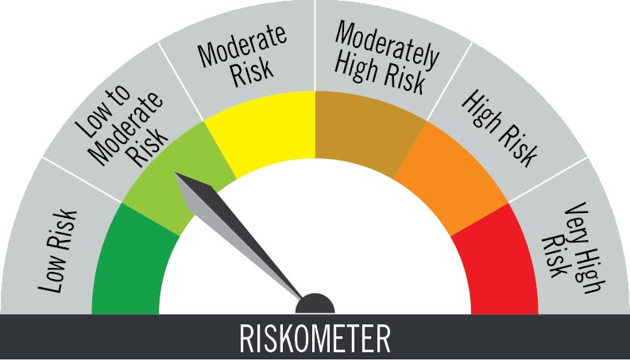

Investors understand that their principal will be at moderate risk |  |  | Benchmark riskometer is at low to moderate risk

Portfolio Statement as on August 31,2025
Name of Instrument | ISIN | Rating$ | Quantity | Market/Fair Value (INR Lacs) | % to Net Assets | % Yield
Debt Instruments

(a)Listed / Awaiting listing on stock Exchanges
7.68% National Bank for Agriculture & Rural Development ** | INE261F08EG3 | CRISIL AAA | 850,000 | 868.84 | 9.85 | 6.96
7.38% Power Finance Corporation Ltd. ** | INE134E08NM4 | CRISIL AAA | 850,000 | 859.75 | 9.75 | 7.14
7.9% Bajaj Housing Finance Ltd. ** | INE377Y07417 | CRISIL AAA | 500,000 | 509.79 | 5.78 | 7.04
8.2% Aditya Birla Housing Finance Ltd. ** | INE831R07425 | ICRA AAA | 500,000 | 506.97 | 5.75 | 7.13
8.52% Muthoot Finance Ltd. ** | INE414G07JO1 | CRISIL AA+ | 500,000 | 505.66 | 5.73 | 8.02
6.7% REC Ltd. ** | INE020B08FY2 | ICRA AAA | 500,000 | 496.17 | 5.63 | 6.92
6.94% Power Grid Corporation of India Ltd. ** | INE752E08783 | CRISIL AAA | 500,000 | 494.89 | 5.61 | 7.08
6.9% Housing & Urban Development Corp Ltd. ** | INE031A08962 | ICRA AAA | 500,000 | 494.38 | 5.61 | 7.11
6.65% Indian Railway Finance Corporation Ltd. ** | INE053F08502 | CRISIL AAA | 450,000 | 444.07 | 5.03 | 6.98
8.7% Shriram Finance Ltd. ** | INE721A07SL9 | CRISIL AA+ | 400,000 | 408.35 | 4.63 | 7.75
7.09% Government of India | IN0020240118 | SOVEREIGN | 400,000 | 389.15 | 4.41 | 7.45
8.87% Export Import Bank of India ** | INE514E08ED5 | CRISIL AAA | 300,000 | 321.64 | 3.65 | 6.81
8.16% Aditya Birla Capital Ltd. ** | INE860H07IW8 | ICRA AAA | 300,000 | 306.40 | 3.47 | 7.41
7.37% Indian Railway Finance Corporation Ltd. ** | INE053F08411 | CRISIL AAA | 300,000 | 304.34 | 3.45 | 6.93
6.79% Government of India | IN0020240126 | SOVEREIGN | 275,000 | 277.10 | 3.14 | 6.79
7.34% Small Industries Development Bank of India ** | INE556F08KS8 | CRISIL AAA | 200,000 | 202.41 | 2.29 | 6.95
7.26% Government of India | IN0020220151 | SOVEREIGN | 150,000 | 155.24 | 1.76 | 6.77
8.0359% Kotak Mahindra Investments Ltd. ** | INE975F07IM9 | CRISIL AAA | 150,000 | 151.53 | 1.72 | 7.02
7.51% Small Industries Development Bank of India ** | INE556F08KU4 | CRISIL AAA | 100,000 | 101.66 | 1.15 | 6.84
7.1% Government of India | IN0020240019 | SOVEREIGN | 58,333 | 59.85 | 0.68 | 6.81
Sub Total |  |  |  | 7,858.19 | 89.09

(b)Privately Placed/Unlisted
 |  |  |  | - | -
Sub Total |  |  |  | NIL | NIL

(c)Securitised Debt Instruments
 |  |  |  | - | -
Sub Total |  |  |  | NIL | NIL

TOTAL |  |  |  | 7,858.19 | 89.09

Mutual Fund Units
SBI CDMDF--A2 | INF0RQ622028 |  | 339 | 38.38 | 0.44

TOTAL |  |  |  | 38.38 | 0.44

Treps / Reverse Repo
Clearing Corporation of India Ltd. |  |  |  | 394.87 | 4.47
Sub Total |  |  |  | 394.87 | 4.47

TOTAL |  |  |  | 394.87 | 4.47

Net Receivables / (Payables) |  |  |  | 528.22 | 6.00

GRAND TOTAL |  |  |  | 8,819.66 | 100.00

** Non Traded Security
$ Debt instruments with Structured Obligations are denoted with suffix (SO) and those with Credit Enhancement features are denoted with suffix (CE) after rating where held in portfolio

Notes:
1. Plan / Option-wise Net Asset Value per unit are as below : (Face Value per unit = Rs. 10)
Plan / Option | 2025-07-31 | 2025-08-29
Direct Plan | (INR) | (INR)
Growth | 48.5403 | 48.4485
Monthly IDCW (earlier called Monthly Dividend) | 15.0044 | 14.9749
Quarterly IDCW (earlier called Quarterly Dividend) | 13.0887 | 13.0629
Annual IDCW (earlier called Annual Dividend) | 16.2744 | 16.2423
Regular Plan
Growth | 43.5500 | 43.4416
Monthly IDCW (earlier called Monthly Dividend) | 12.8897 | 12.8576
Quarterly IDCW (earlier called Quarterly Dividend) | 11.5361 | 11.5074
Annual IDCW (earlier called Annual Dividend) | 10.5874 | 10.5610

2. Exposure to derivative instruments in the scheme at the end of the month |  | NIL

3. Derivatives Transactions in the scheme for the month |  | NIL

4. Investment in foreign securities/ADRs/GDRs at the end of the month (INR Lacs) |  | NIL

5. Investment in short term deposits at the end of the month (INR Lacs) |  | NIL

6. Average Maturity period of the Portfolio (expressed in years) |  | 5.26

7. Aggregate IDCW (earlier called Dividend) declared during the month |  | NIL

8. (a) Total Exposure to illiquid securities in the portfolio (INR Lacs) |  | NIL
(b) Total Exposure to illiquid securities in the portfolio (% of AUM) |  | NIL

9. Instances of Fair valuation of securities or Deviation in valuation from what is provided by valuation agencies |  | NIL

10. Securities in default beyond its maturity date in the portfolio of the scheme |  | NIL

 | Portfolio Information
Scheme Name : | PGIM INDIA CORPORATE BOND FUND
Description (if any) | (An Open Ended Debt Scheme Predominantly Investing In Aa+ And Above Rated Corporate Bonds. A Relatively High Interest Rate Risk And Moderate Credit Risk Scheme)
Annualised Portfolio YTM* : | 6.95
Macaulay Duration | 3.8 years
Residual Maturity | 5.26 years
As on (Date) | 31-Aug-25

11. For Performance of the scheme refer - | PGIM India Corporate Bond Fund

