Liquid
PGIM INDIA LIQUID FUND
(An Open Ended Liquid Scheme. A Relatively Low Interest Rate Risk And Moderate Credit Risk Scheme.)
Riskometer of the Scheme |  |  | Riskometer of the Benchmark (CRISIL Liquid Debt A-I Index)
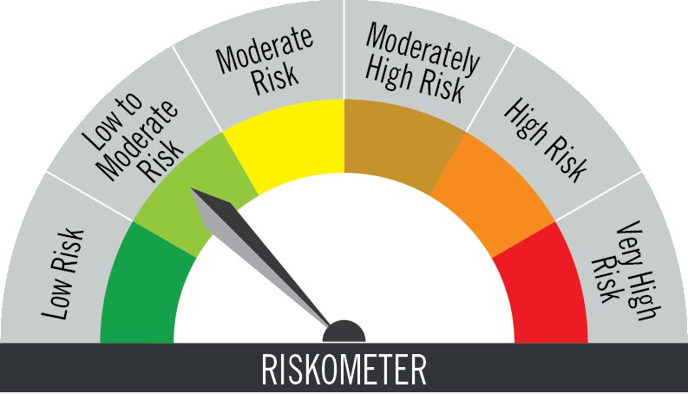

Investors understand that their principal will be at low to moderate risk |  |  | Benchmark riskometer is at low to moderate risk

Portfolio Statement as on May 31,2025
Name of Instrument | ISIN | Rating$ | Quantity | Market/Fair Value (INR Lacs) | % to Net Assets | % Yield
Debt Instruments

(a)Listed / Awaiting listing on stock Exchanges
6.25% LIC Housing Finance Ltd. ** | INE115A07PU1 | CRISIL AAA | 2,500,000 | 2,498.97 | 5.30 | 6.65
5.7% National Bank for Agriculture & Rural Development ** | INE261F08DK7 | CRISIL AAA | 2,500,000 | 2,495.94 | 5.29 | 6.40
5.62% Export Import Bank of India ** | INE514E08FU6 | CRISIL AAA | 2,000,000 | 1,998.72 | 4.24 | 6.51
7.7% HDB Financial Services Ltd. ** | INE756I07EG8 | CRISIL AAA | 1,500,000 | 1,501.32 | 3.18 | 6.82
6.8% Can Fin Homes Ltd. ** | INE477A07324 | ICRA AAA | 1,500,000 | 1,499.94 | 3.18 | 6.86
5.75% State Government of Karnataka | IN1920200061 | SOVEREIGN | 1,000,000 | 999.97 | 2.12 | 5.87
Sub Total |  |  |  | 10,994.86 | 23.31

(b)Privately Placed/Unlisted
 |  |  |  | - | -
Sub Total |  |  |  | NIL | NIL

(c)Securitised Debt Instruments
 |  |  |  | - | -
Sub Total |  |  |  | NIL | NIL

TOTAL |  |  |  | 10,994.86 | 23.31

Money Market Instruments

Certificate of Deposit
ICICI Bank Ltd. ** # | INE090AD6188 | ICRA A1+ | 4,750,000 | 4,697.36 | 9.96 | 6.11
Indian Bank ** # | INE562A16NH7 | FITCH A1+ | 2,500,000 | 2,466.94 | 5.23 | 6.12
Canara Bank ** # | INE476A16C22 | CRISIL A1+ | 2,500,000 | 2,464.58 | 5.22 | 6.10
Punjab National Bank ** # | INE160A16RV2 | CRISIL A1+ | 2,000,000 | 1,975.37 | 4.19 | 6.15
Axis Bank Ltd. ** # | INE238AD6884 | CRISIL A1+ | 1,800,000 | 1,775.55 | 3.76 | 6.13
Sub Total |  |  |  | 13,379.80 | 28.36

Commercial Paper
Aditya Birla Money Ltd. ** | INE865C14NG7 | CRISIL A1+ | 2,500,000 | 2,499.07 | 5.30 | 6.83
NTPC Ltd. ** | INE733E14BV7 | CRISIL A1+ | 2,500,000 | 2,475.10 | 5.25 | 6.22
Sundaram Finance Ltd. ** | INE660A14XX0 | CRISIL A1+ | 2,000,000 | 1,991.22 | 4.22 | 6.71
ICICI Securities Ltd. ** | INE763G14YA5 | CRISIL A1+ | 2,000,000 | 1,990.97 | 4.22 | 6.90
Motilal Oswal Financial Services Ltd. ** | INE338I14JR7 | CRISIL A1+ | 1,500,000 | 1,497.16 | 3.17 | 6.92
Sub Total |  |  |  | 10,453.52 | 22.16

Treasury Bill
91 DAYS TBILL RED 11-07-2025 | IN002025X026 | SOVEREIGN | 2,500,000 | 2,484.75 | 5.27 | 5.60
364 DAYS TBILL RED 21-08-2025 | IN002024Z214 | SOVEREIGN | 2,500,000 | 2,469.31 | 5.23 | 5.60
182 DAYS TBILL RED 12-06-2025 | IN002024Y357 | SOVEREIGN | 1,500,000 | 1,497.43 | 3.17 | 5.70
364 DAYS TBILL RED 19-06-2025 | IN002024Z123 | SOVEREIGN | 500,000 | 498.57 | 1.06 | 5.80
91 DAYS TBILL RED 12-06-2025 | IN002024X490 | SOVEREIGN | 385,400 | 384.74 | 0.82 | 5.70
Sub Total |  |  |  | 7,334.80 | 15.55

TOTAL |  |  |  | 31,168.12 | 66.07

Mutual Fund Units
SBI CDMDF--A2 | INF0RQ622028 |  | 1,980 | 221.60 | 0.47

TOTAL |  |  |  | 221.60 | 0.47

Treps / Reverse Repo
Clearing Corporation of India Ltd. |  |  |  | 3,306.46 | 7.01
Clearing Corporation of India Ltd. |  |  |  | 988.41 | 2.09
Sub Total |  |  |  | 4,294.87 | 9.10

TOTAL |  |  |  | 4,294.87 | 9.10

Net Receivables / (Payables) |  |  |  | 505.60 | 1.05

GRAND TOTAL |  |  |  | 47,185.05 | 100.00

# Unlisted Security
** Non Traded Security
$ Debt instruments with Structured Obligations are denoted with suffix (SO) and those with Credit Enhancement features are denoted with suffix (CE) after rating where held in portfolio

Notes:
1. Plan / Option-wise Net Asset Value per unit are as below : (Face Value per unit = Rs. 100)
Plan / Option | 2025-04-30 | 2025-05-31
Direct Plan | (INR) | (INR)
Growth | 340.3592 | 342.2605
Daily IDCW (earlier called Daily Dividend) | 121.3027 | 121.9804
Weekly IDCW (earlier called Weekly Dividend) | 100.5794 | 100.5212
Monthly IDCW (earlier called Monthly Dividend) | 116.3984 | 116.4288
Regular Plan
Growth | 336.3791 | 338.2295
Daily IDCW (earlier called Daily Dividend) | 100.3040 | 100.3040
Weekly IDCW (earlier called Weekly Dividend) | 100.5781 | 100.5208
Monthly IDCW (earlier called Monthly Dividend) | 116.8795 | 116.9097

2. Exposure to derivative instruments in the scheme at the end of the month |  | NIL

3. Derivatives Transactions in the scheme for the month |  | NIL

4. Investment in foreign securities/ADRs/GDRs at the end of the month (INR Lacs) |  | NIL

5. Investment in short term deposits at the end of the month (INR Lacs) |  | NIL

6. Average Maturity period of the Portfolio (expressed in years) |  | 0.12

7. Aggregate IDCW (earlier called Dividend) declared during the month
Plan/Option | Dividend Rate
Direct Plan
Weekly IDCW (earlier called Weekly Dividend) | 0.6186
Monthly IDCW (earlier called monthly dividend) | 0.6199
Regular Plan
Daily IDCW (earlier called Daily Dividend) | 0.5516
Weekly IDCW (earlier called Weekly Dividend) | 0.6091
Monthly IDCW (earlier called monthly dividend) | 0.6128
IDCWs are declared on face value. After distribution of IDCW, the NAV falls to the extent of IDCW and statutory levy (if applicable).

8. (a) Total Exposure to illiquid securities in the portfolio (INR Lacs) |  | NIL
(b) Total Exposure to illiquid securities in the portfolio (% of AUM) |  | NIL

9. Instances of Fair valuation of securities or Deviation in valuation from what is provided by valuation agencies |  | NIL

10. Securities in default beyond its maturity date in the portfolio of the scheme |  | NIL

 | Portfolio Information
Scheme Name : | PGIM INDIA LIQUID FUND
Description (if any) | (An Open Ended Liquid Scheme. A Relatively Low Interest Rate Risk And Moderate Credit Risk Scheme.)
Annualised Portfolio YTM* : | 6.24
Macaulay Duration | 0.12 years
Residual Maturity | 0.12 years
As on (Date) | 31-May-25

