Emerging Markets
PGIM INDIA EMERGING MARKETS EQUITY FUND
(An Open Ended Fund Of Funds Scheme Investing In PGIM Jennison Emerging Markets Equity Fund)
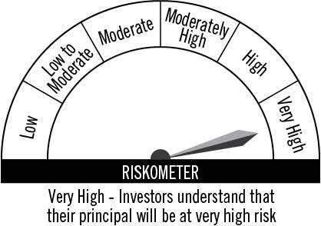

Portfolio Statement as on July 31, 2021
Name of Instrument | ISIN | Industry/Rating | Quantity | Market/Fair Value (INR Lacs) | % to Net Assets
Foreign Securities and/or Overseas ETFs

International Mutual Fund Units
PGIM Jennison Emerging Markets Equity Fund | IE00BMCC4L62 |  | 228,277 | 24,480.77 | 100.07
Sub Total |  |  |  | 24,480.77 | 100.07

TOTAL |  |  |  | 24,480.77 | 100.07

Treps / Reverse Repo
 |  |  |  | 279.18 | 1.14
Sub Total |  |  |  | 279.18 | 1.14

TOTAL |  |  |  | 279.18 | 1.14
Net Receivables / (Payables) |  |  |  | (296.94) | -1.21
GRAND TOTAL |  |  |  | 24,463.01 | 100.00

Notes:
1. Plan / Option-wise Net Asset Value per unit are as below : (Face Value per unit = Rs. 10)
Plan / Option | 2021-06-30 | 2021-07-31
Direct Plan | (INR) | (INR)
Growth | 22.5400 | 21.1700
IDCW (earlier called Dividend) | 16.6800 | 15.6700
Regular Plan
Growth | 20.6500 | 19.3800
IDCW (earlier called Dividend) | 18.9800 | 17.8100

2. Securities in default beyond its maturity date in the portfolio of the scheme |  | NIL
3. Exposure to derivative instruments at the end of the month |  | NIL
4. Investment in foreign securities/ADRs/GDRs at the end of the month (INR Lacs) |  | 24,480.77
5. Investment in short term deposits at the end of the month (INR Lacs) |  | NIL
6. Portfolio Turnover Ratio |  | 0.09
7. Aggregate IDCW (earlier called Dividend) declared during the month |  | NIL
8. (a) Total Exposure to illiquid securities in the portfolio (INR Lacs) |  | NIL
(b) Total Exposure to illiquid securities in the portfolio (% of AUM) |  | NIL
9. Instances of Fair valuation of securities or Deviation in valuation from what is provided by valuation agencies |  | NIL

