Corporate Bond
UNION MUTUAL FUND | YK28
Registered Office: Unit 503, 5th Floor, Leela Business Park, Andheri Kurla Road, Andheri (East), Mumbai - 400059
Toll Free No.: 18002002268 I Non Toll Free.: 022-67483333 I Website: www.unionmf.com • Email: investorcare@unionmf.com

PURSUANT TO REGULATION 59A OF SECURITIES & EXCHANGE BOARD OF INDIA (MUTUAL FUNDS) REGULATIONS, 1996
MONTHLY PORTFOLIO STATEMENT OF UNION CORPORATE BOND FUND AS ON JANUARY 31, 2022
(An open ended debt scheme predominantly investing in AA+ and above rated corporate bonds. A relatively high interest rate risk and moderate credit risk.)
Name of the Instrument | ISIN | Rating / Industry | Quantity | Market value (Rs. in Lakhs) | % to NAV | YTM % | ^^ YTC %
 |  |  |  |  |  |  |  | Industry / Rating | % to NAV | Sector | % to NAV
EQUITY & EQUITY RELATED |  |  |  |  |  |  |  | CRISIL AAA | 67.04 | Financial Services | 49.49
 |  |  |  |  |  |  |  | Sovereign | 10.82 | Oil & Gas | 11.51
a) Listed/awaiting listing on Stock Exchanges |  |  |  | NIL | NIL |  |  | [ICRA]AAA | 6.09 | Sovereign | 10.82
 |  |  |  |  |  |  |  | Cash & Cash Equivalents | 16.05 | Consumer Goods | 6.49
b) Unlisted |  |  |  | NIL | NIL |  |  |  |  | Cement & Cement Products | 5.64
 |  |  |  |  |  |  |  |  |  | Cash & Cash Equivalents | 16.05
c) Foreign Securities and /or overseas ETF |  |  |  | NIL | NIL

DEBT INSTRUMENTS
a) Listed/awaiting listing on the stock exchanges
Britannia Industries Ltd. ** | INE216A07052 | CRISIL AAA | 279,421,290 | 2,844.76 | 6.49 | 4.58
Power Finance Corporation Ltd. ** | INE134E08KH0 | CRISIL AAA | 250,000,000 | 2,603.32 | 5.94 | 5.76
Reliance Industries Ltd. ** | INE002A08625 | CRISIL AAA | 250,000,000 | 2,571.53 | 5.87 | 5.13
National Housing Bank ** | INE557F08FJ5 | CRISIL AAA | 250,000,000 | 2,525.37 | 5.76 | 4.94
Indian Railway Finance Corporation Ltd. ** | INE053F07CU1 | CRISIL AAA | 250,000,000 | 2,504.24 | 5.72 | 4.90
Bajaj Finance Ltd. ** | INE296A07RU5 | CRISIL AAA | 250,000,000 | 2,482.93 | 5.67 | 5.97
REC Ltd. ** | INE020B08DK6 | CRISIL AAA | 250,000,000 | 2,480.30 | 5.66 | 6.17
Ultratech Cement Ltd. ** | INE481G08099 | CRISIL AAA | 250,000,000 | 2,469.00 | 5.64 | 5.27
Oil & Natural Gas Corporation Ltd. ** | INE213A08040 | [ICRA]AAA | 250,000,000 | 2,468.64 | 5.64 | 5.17
State Bank of India( Tier II Bond under Basel III ) | INE062A08264 | CRISIL AAA | 250,000,000 | 2,448.03 | 5.59 | 6.14 | 6.46
National Bank for Agriculture and Rural Development ** | INE261F08DK7 | CRISIL AAA | 150,000,000 | 1,486.02 | 3.39 | 6.01
National Housing Bank ** | INE557F08FK3 | CRISIL AAA | 100,000,000 | 1,003.65 | 2.29 | 5.07
REC Ltd. ** | INE020B08DF6 | CRISIL AAA | 100,000,000 | 990.25 | 2.26 | 6.13
Power Finance Corporation Ltd. ** | INE134E08LK2 | CRISIL AAA | 100,000,000 | 989.86 | 2.26 | 6.34
National Bank for Agriculture and Rural Development ** | INE261F08DI1 | CRISIL AAA | 100,000,000 | 984.72 | 2.25 | 5.80
Housing Development Finance Corporation Ltd. ** | INE001A07SY9 | CRISIL AAA | 100,000,000 | 984.18 | 2.25 | 6.42
National Bank for Agriculture and Rural Development ** | INE261F08DD2 | [ICRA]AAA | 20,000,000 | 198.86 | 0.45 | 5.54
Total |  |  |  | 32,035.66 | 73.13

b) Privately Placed/Unlisted |  |  |  | NIL | NIL

c) Securitised Debt Instruments |  |  |  | NIL | NIL

d) Central Government Securities
GOI 5.63% 2026 | IN0020210012 | Sovereign | 400,000,000 | 3,960.89 | 9.04 | 5.89
GOI 5.22% 2025 | IN0020200112 | Sovereign | 70,000,000 | 691.86 | 1.58 | 5.60
Total |  |  |  | 4,652.75 | 10.62

e) State Government Securities |  |  |  | NIL | NIL

MONEY MARKET INSTRUMENTS
a) Commercial Paper |  |  |  | NIL | NIL

b) Certificate of Deposits |  |  |  | NIL | NIL

c) Treasury Bills
91 Day Treasury Bills | IN002021X389 | Sovereign | 8,975,000 | 89.49 | 0.20 | 3.57
Total |  |  |  | 89.49 | 0.20

d) Bills Re- Discounting |  |  |  | NIL | NIL

OTHERS
a) Mutual Fund Units / Exchange Traded Funds |  |  |  | NIL | NIL

b) Short Term Deposits |  |  |  | NIL | NIL

c) Term Deposits Placed as Margins |  |  |  | NIL | NIL

d) TREPS / Reverse Repo Investments
TREPS |  |  |  | 6,290.41 | 14.36 | 3.17
Total |  |  |  | 6,290.41 | 14.36

Other Current Assets / (Liabilities)
Net Receivable / Payable |  |  |  | 737.97 | 1.69
Total |  |  |  | 737.97 | 1.69

GRAND TOTAL (AUM) |  |  |  | 43,806.28 | 100.00
**Non traded securities as defined in SEBI Regulations and Guidelines (Based on data as of last business day)

Notes:
1. Total Securities in default beyond its maturity date
Name of security | ISIN Code | Net receivable/ market value | Net receivable/ market value | Total amount due (including principal and interest)
 |  | (Rs. in Lakhs) | (as % to NAV) | (Rs. in Lakhs)
NIL | NIL | NIL | NIL | NIL

2. NAV at the beginning of the period - December 31, 2021 (Rs. per unit)
Regular Plan Income Distribution cum Capital Withdrawal Option | 12.3951
Regular Plan Growth Option | 12.3951
Direct Plan Income Distribution cum Capital Withdrawal Option | 12.5395
Direct Plan Growth Option | 12.5395

3. NAV at the end of the period - January 31, 2022 (Rs. per unit)
Regular Plan Income Distribution cum Capital Withdrawal Option | 12.4197
Regular Plan Growth Option | 12.4197
Direct Plan Income Distribution cum Capital Withdrawal Option | 12.5693
Direct Plan Growth Option | 12.5693

4. Total gross exposure to derivative instruments as on January 31, 2022 is Nil.
(Gross exposure means sum of all long and short positions in derivatives)

5. Investment in foreign securities/ADRs/GDRs/Overseas ETF as on January 31, 2022 is Nil.

6. Average Portfolio Maturity is 2.46 Years.

7. Total Dividend (Net) declared during the month - (Income Distribution cum Capital Withdrawal Option) :
 |  | (Rs. per unit)
Option Name | Individual & HUF | Others
Regular Plan Income Distribution cum Capital Withdrawal Option | Nil | Nil
Direct Plan Income Distribution cum Capital Withdrawal Option | Nil | Nil
Dividends are declared on face value of Rs.10 per unit. After distribution of dividend, the NAV falls to the extent of dividend payout and statutory levy, if any.
For detailed history of dividend declared please visit www.unionmf.com .
No bonus was declared by the Scheme during the monthly period ending January 31, 2022

9. Repo transactions in corporate debt securities during the month ending on January 31, 2022 is Nil.
9. Risk o Meter for UNION CORPORATE BOND FUND & for its Benchmark CRISIL CORPORATE BOND COMPOSITE INDEX : ###
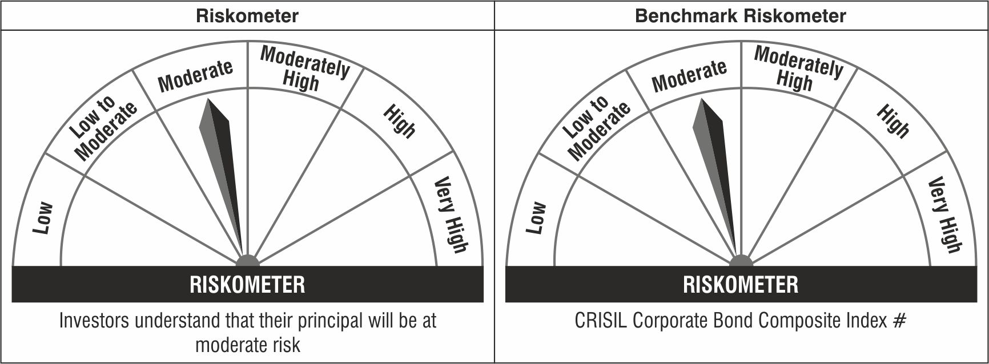

#CRISIL Benchmark Disclaimer : CRISIL Indices are the sole property of CRISIL Limited (CRISIL). CRISIL Indices shall not be copied, transmitted or distributed in any manner for any commercial use. CRISIL has taken due care and caution in computation of the Indices, based on the data obtained from sources, which it considers reliable. However, CRISIL does not guarantee the accuracy, adequacy or completeness of the Indices and is not responsible for any errors or for the results obtained from the use of the Indices. CRISIL especially states that it has no financial liability whatsoever to the users of CRISIL Indices.
### : Note: The scheme riskometers and benchmark riskometers are evaluated on monthly basis and the above riskometers are as per the evaluation of the portfolio data as on January 31, 2022.
^^ : As per AMFI Best Practice Guideline Circular No. 91/ 20 - 21, Yield to Call of the security has been disclosed.

