Money Market
UNION MUTUAL FUND | YK38
Registered Office: Unit 503, 5th Floor, Leela Business Park, Andheri Kurla Road, Andheri (East), Mumbai - 400059
Toll Free No.: 18002002268 I Non Toll Free.: 022-67483333 I Website: www.unionmf.com • Email: investorcare@unionmf.com

PURSUANT TO REGULATION 59A OF SECURITIES & EXCHANGE BOARD OF INDIA (MUTUAL FUNDS) REGULATIONS, 1996
MONTHLY PORTFOLIO STATEMENT OF UNION MONEY MARKET FUND AS ON JANUARY 31, 2022
(An open ended debt scheme investing in money market instruments. A relatively low interest rate risk and moderate credit risk.)
Name of the Instrument | ISIN | Rating / Industry | Quantity | Market value (Rs. in Lakhs) | % to NAV | YTM %
 |  |  |  |  |  |  | Industry / Rating | % to NAV | Sector | % to NAV
EQUITY & EQUITY RELATED |  |  |  |  |  |  | CRISIL A1+ | 43.24 | Financial Services | 28.82
 |  |  |  |  |  |  | Sovereign | 25.22 | Sovereign | 25.22
a) Listed/awaiting listing on Stock Exchanges |  |  |  | NIL | NIL |  | Cash & Cash Equivalents | 31.54 | Telecom | 7.21
 |  |  |  |  |  |  |  |  | Oil & Gas | 7.21
b) Unlisted |  |  |  | NIL | NIL |  |  |  | Cash & Cash Equivalents | 31.54

c) Foreign Securities and /or overseas ETF |  |  |  | NIL | NIL

DEBT INSTRUMENTS

a) Listed/awaiting listing on the stock exchanges |  |  |  | NIL | NIL

b) Privately Placed/Unlisted |  |  |  | NIL | NIL

c) Securitised Debt Instruments |  |  |  | NIL | NIL

d) Central Government Securities |  |  |  | NIL | NIL

e) State Government Securities |  |  |  | NIL | NIL

MONEY MARKET INSTRUMENTS
a) Commercial Paper
Reliance Jio Infocomm Ltd. | INE110L14QD9 | CRISIL A1+ | 100,000,000 | 999.70 | 7.21 | 3.60
Reliance Industries Ltd. | INE002A14JJ3 | CRISIL A1+ | 100,000,000 | 999.22 | 7.21 | 3.55
Axis Finance Ltd. ** | INE891K14LD7 | CRISIL A1+ | 100,000,000 | 999.04 | 7.21 | 3.91
Bajaj Finance Ltd. ** | INE296A14RI6 | CRISIL A1+ | 100,000,000 | 998.41 | 7.20 | 3.88
Total |  |  |  | 3,996.37 | 28.83

b) Certificate of Deposits
The Federal Bank Ltd. ** | INE171A16JM5 | CRISIL A1+ | 100,000,000 | 999.13 | 7.21 | 3.53
National Bank for Agriculture and Rural Development | INE261F16595 | CRISIL A1+ | 100,000,000 | 998.35 | 7.20 | 3.55
Total |  |  |  | 1,997.48 | 14.41

c) Treasury Bills
91 Day Treasury Bills | IN002021X348 | Sovereign | 200,000,000 | 1,999.82 | 14.43 | 3.32
364 Day Treasury Bills | IN002020Z493 | Sovereign | 100,000,000 | 996.30 | 7.19 | 3.57
364 Day Treasury Bills | IN002020Z477 | Sovereign | 50,000,000 | 498.92 | 3.60 | 3.45
Total |  |  |  | 3,495.04 | 25.22

d) Bills Re- Discounting |  |  |  | NIL | NIL

OTHERS
a) Mutual Fund Units / Exchange Traded Funds |  |  |  | NIL | NIL

b) Short Term Deposits |  |  |  | NIL | NIL

c) Term Deposits Placed as Margins |  |  |  | NIL | NIL

d) TREPS / Reverse Repo Investments
TREPS |  |  |  | 4,380.22 | 31.60 | 3.17
Total |  |  |  | 4,380.22 | 31.60

Other Current Assets / (Liabilities)
Net Receivable / Payable |  |  |  | (6.82) | (0.06)
Total |  |  |  | (6.82) | (0.06)

GRAND TOTAL (AUM) |  |  |  | 13,862.29 | 100.00
**Non traded securities as defined in SEBI Regulations and Guidelines (Based on data as of last business day)

Notes:
1. Total Securities in default beyond its maturity date
Name of security | ISIN Code | Net receivable/ market value | Net receivable/ market value | Total amount due (including principal and interest)
 |  | (Rs. in Lakhs) | (as % to NAV) | (Rs. in Lakhs)
NIL | NIL | NIL | NIL | NIL

2. NAV at the beginning of the period - December 31, 2021 (Rs. per unit)
Regular Plan Daily Income Distribution cum Capital Withdrawal Option |  | 1000.0573
Regular Plan Growth Option |  | 1008.7622
Regular Plan Monthly Income Distribution cum Capital Withdrawal Option @ |  | N.A.
Regular Plan Weekly Income Distribution cum Capital Withdrawal Option |  | 1000.2763
Direct Plan Daily Income Distribution cum Capital Withdrawal Option @ |  | N.A.
Direct Plan Growth Option |  | 1011.3714
Direct Plan Monthly Income Distribution cum Capital Withdrawal Option |  | 1000.3325
Direct Plan Weekly Income Distribution cum Capital Withdrawal Option @ |  | N.A.

3. NAV at the end of the period - January 31, 2022 (Rs. per unit)
Regular Plan Daily Income Distribution cum Capital Withdrawal Option |  | 1000.0951
Regular Plan Growth Option |  | 1011.2006
Regular Plan Monthly Income Distribution cum Capital Withdrawal Option @ |  | N.A.
Regular Plan Weekly Income Distribution cum Capital Withdrawal Option |  | N.A.
Direct Plan Daily Income Distribution cum Capital Withdrawal Option @ |  | N.A.
Direct Plan Growth Option |  | 1014.3163
Direct Plan Monthly Income Distribution cum Capital Withdrawal Option |  | 1000.4484
Direct Plan Weekly Income Distribution cum Capital Withdrawal Option @ |  | N.A.
@ There are no investors in the option.

4. Total gross exposure to derivative instruments as on January 31, 2022 is Nil.
(Gross exposure means sum of all long and short positions in derivatives)

5. Investment in foreign securities/ADRs/GDRs/Overseas ETF as on January 31, 2022 is Nil.

6. Average Portfolio Maturity is 9.10 Days.

7. Total Dividend (Net) declared during the month - (Income Distribution cum Capital Withdrawal Option - Daily, Weekly and Monthly) is as follows:
 |  | (Rs. per unit)
Option Name | Individual & HUF | Others
Regular Plan Daily Income Distribution cum Capital Withdrawal Option | 2.387225 | 2.387225
Regular Plan Monthly Income Distribution cum Capital Withdrawal Option | N.A. | N.A.
Regular Plan Weekly Income Distribution cum Capital Withdrawal Option | 1.603379 | 1.603379
Direct Plan Daily Income Distribution cum Capital Withdrawal Option | N.A. | N.A.
Direct Plan Monthly Income Distribution cum Capital Withdrawal Option | 2.816765 | 2.816765
Direct Plan Weekly Income Distribution cum Capital Withdrawal Option | N.A. | N.A.

Dividends are declared on face value of Rs.1,000 per unit. After distribution of dividend, the NAV falls to the extent of dividend payout and statutory levy, if any.
For detailed history of dividend declared please visit www.unionmf.com .
No bonus was declared by the Scheme during the monthly period ending January 31, 2022

8. Repo transactions in corporate debt securities during the month ending on January 31, 2022 is Nil.

9. Risk o Meter for UNION MONEY MARKET FUND & for its Benchmark CRISIL MONEY MARKET INDEX ### :

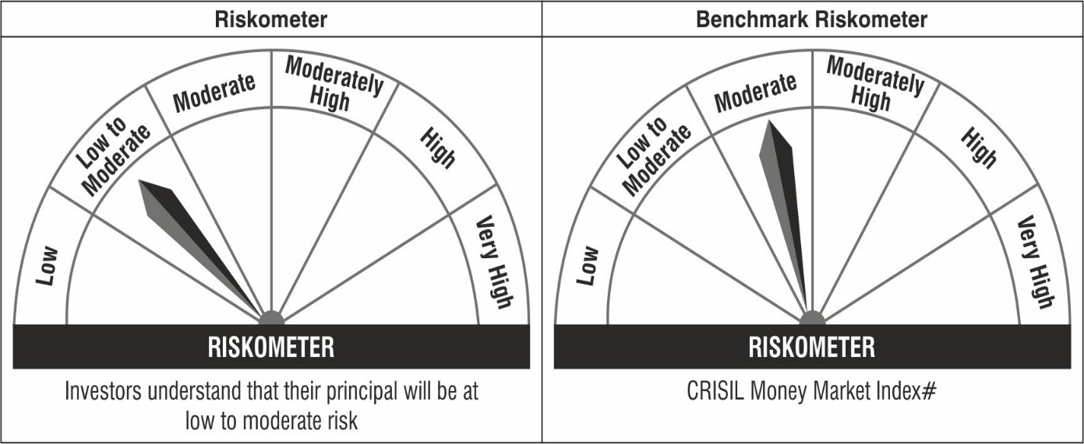

#CRISIL Benchmark Disclaimer : CRISIL Indices are the sole property of CRISIL Limited (CRISIL). CRISIL Indices shall not be copied, transmitted or distributed in any manner for any commercial use. CRISIL has taken due care and caution in computation of the Indices, based on the data obtained from sources, which it considers reliable. However, CRISIL does not guarantee the accuracy, adequacy or completeness of the Indices and is not responsible for any errors or for the results obtained from the use of the Indices. CRISIL especially states that it has no financial liability whatsoever to the users of CRISIL Indices.
### : Note: The scheme riskometers and benchmark riskometers are evaluated on monthly basis and the above riskometers are as per the evaluation of the portfolio data as on January 31, 2022.

