Medium Duration
UNION MUTUAL FUND | YK36
Registered Office: Unit 503, 5th Floor, Leela Business Park, Andheri Kurla Road, Andheri (East), Mumbai - 400059
Toll Free No.: 18002002268 I Non Toll Free.: 022-67483333 I Website: www.unionmf.com • Email: investorcare@unionmf.com

PURSUANT TO REGULATION 59A OF SECURITIES & EXCHANGE BOARD OF INDIA (MUTUAL FUNDS) REGULATIONS, 1996
MONTHLY PORTFOLIO STATEMENT OF UNION MEDIUM DURATION FUND AS ON MARCH 31, 2022
(An open ended medium term debt scheme investing in instruments such that the Macaulay duration^^ of the portfolio is between 3 to 4 years. A relatively high interest rate risk and moderate credit risk)
Name of the Instrument | ISIN | Rating / Industry | Quantity | Market value (Rs. in Lakhs) | % to NAV | YTM %
 |  |  |  |  |  |  | Industry / Rating | % to NAV | Sector | % to NAV
EQUITY & EQUITY RELATED |  |  |  |  |  |  | Sovereign | 50.60 | Sovereign | 50.60
 |  |  |  |  |  |  | CRISIL AAA | 27.79 | Financial Services | 37.02
a) Listed/awaiting listing on Stock Exchanges |  |  |  | NIL | NIL |  | [ICRA]AAA | 11.87 | Power | 7.28
 |  |  |  |  |  |  | CRISIL AA+ | 4.64 | Cash & Cash Equivalents | 5.10
b) Unlisted |  |  |  | NIL | NIL |  | Cash & Cash Equivalents | 5.10

c) Foreign Securities and /or overseas ETF |  |  |  | NIL | NIL

DEBT INSTRUMENTS
a) Listed/awaiting listing on the stock exchanges **
Housing Development Finance Corporation Ltd. | INE001A07SR3 | CRISIL AAA | 200,000,000 | 2,016.19 | 9.35 | 6.15
NHPC Ltd. | INE848E07AO4 | [ICRA]AAA | 150,000,000 | 1,570.84 | 7.28 | 5.96
Power Finance Corporation Ltd. | INE134E08LK2 | CRISIL AAA | 150,000,000 | 1,491.17 | 6.91 | 6.24
Muthoot Finance Ltd. | INE414G07GA6 | CRISIL AA+ | 100,000,000 | 1,000.84 | 4.64 | 6.83
Bajaj Finance Ltd. | INE296A07RX9 | CRISIL AAA | 100,000,000 | 998.80 | 4.63 | 5.81
National Bank for Agriculture and Rural Development | INE261F08DK7 | CRISIL AAA | 100,000,000 | 990.39 | 4.59 | 6.03
Sundaram Finance Ltd. | INE660A07QX8 | [ICRA]AAA | 100,000,000 | 989.60 | 4.59 | 5.89
LIC Housing Finance Ltd. | INE115A07PQ9 | CRISIL AAA | 50,000,000 | 498.18 | 2.31 | 6.13
Total |  |  |  | 9,556.01 | 44.30

b) Privately Placed/Unlisted |  |  |  | NIL | NIL

c) Securitised Debt Instruments |  |  |  | NIL | NIL

d) Central Government Securities
GOI 6.79% 2027 | IN0020170026 | Sovereign | 350,000,000 | 3,569.78 | 16.55 | 6.33
GOI 5.63% 2026 | IN0020210012 | Sovereign | 300,000,000 | 2,959.58 | 13.72 | 6.01
GOI 7.27% 2026 | IN0020190016 | Sovereign | 200,000,000 | 2,084.94 | 9.67 | 6.06
GOI 5.22% 2025 | IN0020200112 | Sovereign | 130,000,000 | 1,283.09 | 5.95 | 5.67
GOI 5.15% 2025 | IN0020200278 | Sovereign | 100,000,000 | 977.75 | 4.53 | 5.84
Total |  |  |  | 10,875.14 | 50.42

e) State Government Securities |  |  |  | NIL | NIL

MONEY MARKET INSTRUMENTS
a) Commercial Paper |  |  |  | NIL | NIL

b) Certificate of Deposits |  |  |  | NIL | NIL

c) Treasury Bills
91 Day Treasury Bills | IN002021X520 | Sovereign | 3,800,000 | 37.85 | 0.18 | 3.50
Total |  |  |  | 37.85 | 0.18

d) Bills Re- Discounting |  |  |  | NIL | NIL

OTHERS
a) Mutual Fund Units / Exchange Traded Funds |  |  |  | NIL | NIL

b) Short Term Deposits |  |  |  | NIL | NIL

c) Term Deposits Placed as Margins |  |  |  | NIL | NIL

d) TREPS / Reverse Repo Investments
TREPS |  |  |  | 648.71 | 3.01 | 3.67
Total |  |  |  | 648.71 | 3.01

Other Current Assets / (Liabilities)
Net Receivable / Payable |  |  |  | 453.38 | 2.09
Total |  |  |  | 453.38 | 2.09

GRAND TOTAL (AUM) |  |  |  | 21,571.09 | 100.00
**Non traded securities as defined in SEBI Regulations and Guidelines (Based on data as of last business day)

Notes:
1. Total Securities in default beyond its maturity date
Name of security | ISIN Code | Net receivable/ market value | Net receivable/ market value | Total amount due (including principal and interest)
 |  | (Rs. in Lakhs) | (as % to NAV) | (Rs. in Lakhs)
NIL | NIL | NIL | NIL | NIL

2. NAV at the beginning of the period - February 28, 2022 (Rs. per unit)
Regular Plan Income Distribution cum Capital Withdrawal Option | 10.6391
Regular Plan Growth Option | 10.6391
Direct Plan Income Distribution cum Capital Withdrawal Option | 10.7063
Direct Plan Growth Option | 10.7063

3. NAV at the end of the period - March 31, 2022 (Rs. per unit)
Regular Plan Income Distribution cum Capital Withdrawal Option | 10.6660
Regular Plan Growth Option | 10.6660
Direct Plan Income Distribution cum Capital Withdrawal Option | 10.7336
Direct Plan Growth Option | 10.7336

4. Total gross exposure to derivative instruments as on March 31, 2022 is Nil.
(Gross exposure means sum of all long and short positions in derivatives)

5. Investment in foreign securities/ADRs/GDRs/Overseas ETF as on March 31, 2022 is Nil.

6. Average Portfolio Maturity is 3.58 Years.

7. Total Dividend (Net) declared during the month - (Income Distribution cum Capital Withdrawal Option)
 |  | (Rs. per unit)
Option Name | Individual & HUF | Others
Regular Plan Income Distribution cum Capital Withdrawal Option | Nil | Nil
Direct Plan Income Distribution cum Capital Withdrawal Option | Nil | Nil
Dividends are declared on face value of Rs.10 per unit. After distribution of dividend, the NAV falls to the extent of dividend payout and statutory levy, if any.
For detailed history of dividend declared please visit www.unionmf.com.
No bonus was declared by the Scheme during the monthly period ending March 31, 2022

8. Repo transactions in corporate debt securities during the month ending on March 31, 2022 is Nil.

9. Risk o Meter for UNION MEDIUM DURATION FUND & for its Benchmark CRISIL MEDIUM TERM DEBT INDEX : ###
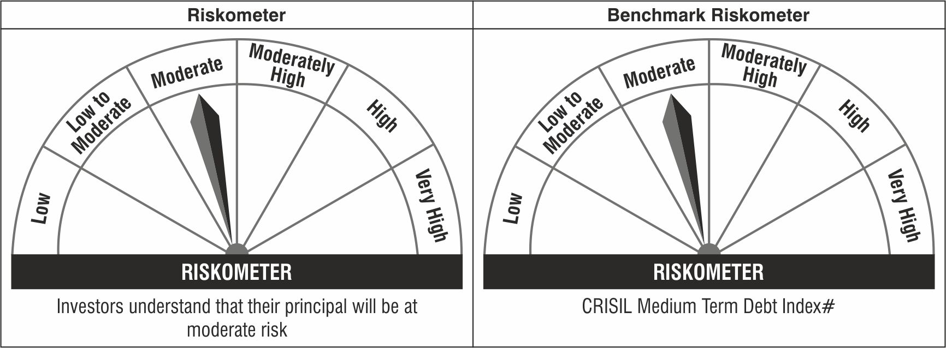

Note: The Scheme Benchmark has been changed from CRISIL Medium Term Debt Index to CRISIL Medium Duration Fund BIII Index with effect from April 01, 2022.
#CRISIL Benchmark Disclaimer : CRISIL Indices are the sole property of CRISIL Limited (CRISIL). CRISIL Indices shall not be copied, transmitted or distributed in any manner for any commercial use. CRISIL has taken due care and caution in computation of the Indices, based on the data obtained from sources, which it considers reliable. However, CRISIL does not guarantee the accuracy, adequacy or completeness of the Indices and is not responsible for any errors or for the results obtained from the use of the Indices. CRISIL especially states that it has no financial liability whatsoever to the users of CRISIL Indices.
### : Note: The scheme riskometers and benchmark riskometers are evaluated on monthly basis and the above riskometers are as per the evaluation of the portfolio data as on March 31, 2022.
^^Please refer to the page no. 39 of the SID on which the concept of Macaulay Duration has been explained.

