Corporate Bond
UNION MUTUAL FUND | YK28
Registered Office: Unit 503, 5th Floor, Leela Business Park, Andheri Kurla Road, Andheri (East), Mumbai - 400059
Toll Free No.: 18002002268 I Non Toll Free.: 022-67483333 I Website: www.unionmf.com • Email: investorcare@unionmf.com

PURSUANT TO REGULATION 59A OF SECURITIES & EXCHANGE BOARD OF INDIA (MUTUAL FUNDS) REGULATIONS, 1996
MONTHLY PORTFOLIO STATEMENT OF UNION CORPORATE BOND FUND AS ON JUNE 30, 2022
(An open ended debt scheme predominantly investing in AA+ and above rated corporate bonds. A relatively high interest rate risk and moderate credit risk.)
Name of the Instrument | ISIN | Rating / Industry | Quantity | Market value (Rs. in Lakhs) | % to NAV | YTM % | ^^ YTC %
 |  |  |  |  |  |  |  | Industry / Rating | % to NAV | Sector | % to NAV
EQUITY & EQUITY RELATED |  |  |  |  |  |  |  | CRISIL AAA | 62.57 | Financial Services | 49.09
 |  |  |  |  |  |  |  | [ICRA]AAA | 10.34 | Oil, Gas & Consumable Fuels | 10.47
a) Listed/awaiting listing on Stock Exchanges |  |  |  | NIL | NIL |  |  | Sovereign | 6.96 | Sovereign | 6.96
 |  |  |  |  |  |  |  | CRISIL AA+ | 3.10 | Fast Moving Consumer Goods | 5.97
b) Unlisted |  |  |  | NIL | NIL |  |  | Cash & Cash Equivalents | 17.03 | Construction | 5.32
 |  |  |  |  |  |  |  |  |  | Construction Materials | 5.16
c) Foreign Securities and /or overseas ETF |  |  |  | NIL | NIL |  |  |  |  | Cash & Cash Equivalents | 17.03

DEBT INSTRUMENTS
a) Listed/awaiting listing on the stock exchanges
Britannia Industries Ltd. ** | INE216A07052 | CRISIL AAA | 279,421,290 | 2,804.79 | 5.97 | 5.17
REC Ltd. ** | INE020B08CG6 | CRISIL AAA | 250,000,000 | 2,512.77 | 5.35 | 5.98
Reliance Industries Ltd. ** | INE002A08625 | CRISIL AAA | 250,000,000 | 2,507.46 | 5.34 | 6.75
National Bank for Agriculture and Rural Development ** | INE261F08BQ8 | CRISIL AAA | 250,000,000 | 2,505.41 | 5.33 | 5.85
Larsen & Toubro Ltd. ** | INE018A08BB5 | CRISIL AAA | 250,000,000 | 2,501.07 | 5.32 | 7.21
Indian Railway Finance Corporation Ltd. ** | INE053F07CC9 | CRISIL AAA | 250,000,000 | 2,494.98 | 5.31 | 6.42
Bajaj Finance Ltd. ** | INE296A07RU5 | CRISIL AAA | 250,000,000 | 2,426.58 | 5.16 | 7.39
Ultratech Cement Ltd. ** | INE481G08099 | CRISIL AAA | 250,000,000 | 2,425.52 | 5.16 | 6.70
Oil & Natural Gas Corporation Ltd. ** | INE213A08040 | [ICRA]AAA | 250,000,000 | 2,410.87 | 5.13 | 6.90
State Bank of India( Tier II Bond under Basel III ) ** | INE062A08264 | CRISIL AAA | 250,000,000 | 2,369.47 | 5.04 | 6.66 | 7.66
National Housing Bank ** | INE557F08FJ5 | CRISIL AAA | 150,000,000 | 1,490.72 | 3.17 | 6.50
Power Finance Corporation Ltd. | INE134E08LB1 | CRISIL AAA | 150,000,000 | 1,480.16 | 3.15 | 6.70
Kotak Mahindra Prime Ltd. ** | INE916DA7QW4 | CRISIL AAA | 150,000,000 | 1,466.75 | 3.12 | 7.25
Muthoot Finance Ltd. ** | INE414G07GA6 | CRISIL AA+ | 150,000,000 | 1,456.82 | 3.10 | 8.09
Sundaram Finance Ltd. ** | INE660A07QX8 | [ICRA]AAA | 150,000,000 | 1,447.46 | 3.08 | 7.36
National Bank for Agriculture and Rural Development ** | INE261F08CD4 | [ICRA]AAA | 100,000,000 | 999.80 | 2.13 | 6.44
Bajaj Housing Finance Ltd. | INE377Y07292 | CRISIL AAA | 100,000,000 | 980.27 | 2.09 | 7.12
LIC Housing Finance Ltd. ** | INE115A07PQ9 | CRISIL AAA | 100,000,000 | 962.37 | 2.05 | 7.57
Power Finance Corporation Ltd. ** | INE134E08LK2 | CRISIL AAA | 50,000,000 | 475.53 | 1.01 | 7.50
Total |  |  |  | 35,718.80 | 76.01

b) Privately Placed/Unlisted |  |  |  | NIL | NIL

c) Securitised Debt Instruments |  |  |  | NIL | NIL

d) Central Government Securities
GOI 5.22% 2025 | IN0020200112 | Sovereign | 70,000,000 | 668.19 | 1.42 | 6.95
Total |  |  |  | 668.19 | 1.42

e) State Government Securities |  |  |  | NIL | NIL

MONEY MARKET INSTRUMENTS
a) Commercial Paper |  |  |  | NIL | NIL

b) Certificate of Deposits |  |  |  | NIL | NIL

c) Treasury Bills
182 Day Treasury Bills | IN002022Y112 | Sovereign | 250,000,000 | 2,437.17 | 5.19 | 5.64
91 Day Treasury Bills | IN002022X114 | Sovereign | 16,400,000 | 162.29 | 0.35 | 5.05
Total |  |  |  | 2,599.46 | 5.54

d) Bills Re- Discounting |  |  |  | NIL | NIL

OTHERS
a) Mutual Fund Units / Exchange Traded Funds |  |  |  | NIL | NIL

b) Short Term Deposits |  |  |  | NIL | NIL

c) Term Deposits Placed as Margins |  |  |  | NIL | NIL

d) TREPS / Reverse Repo Investments
TREPS |  |  |  | 2,177.67 | 4.63 | 4.69
Total |  |  |  | 2,177.67 | 4.63

Other Current Assets / (Liabilities)
Net Receivable / Payable |  |  |  | 5,831.68 | 12.40
Total |  |  |  | 5,831.68 | 12.40

GRAND TOTAL (AUM) |  |  |  | 46,995.80 | 100.00
**Non traded securities as defined in SEBI Regulations and Guidelines (Based on data as of last business day)

Notes:
1. Total Securities in default beyond its maturity date
Name of security | ISIN Code | Net receivable/ market value | Net receivable/ market value | Total amount due (including principal and interest)
 |  | (Rs. in Lakhs) | (as % to NAV) | (Rs. in Lakhs)
NIL | NIL | NIL | NIL | NIL

2. NAV at the beginning of the period - May 31, 2022 (Rs. per unit)
Regular Plan Income Distribution cum Capital Withdrawal Option | 12.3710
Regular Plan Growth Option | 12.3710
Direct Plan Income Distribution cum Capital Withdrawal Option | 12.5366
Direct Plan Growth Option | 12.5366

3. NAV at the end of the period - June 30, 2022 (Rs. per unit)
Regular Plan Income Distribution cum Capital Withdrawal Option | 12.3907
Regular Plan Growth Option | 12.3907
Direct Plan Income Distribution cum Capital Withdrawal Option | 12.5601
Direct Plan Growth Option | 12.5601

4. Total gross exposure to derivative instruments as on June 30, 2022 is Nil.
(Gross exposure means sum of all long and short positions in derivatives)

5. Investment in foreign securities/ADRs/GDRs/Overseas ETF as on June 30, 2022 is Nil.

6. Average Portfolio Maturity is 1.45 Years.

7. Total IDCW (Net) declared during the Monthly period - (IDCW - Income Distribution cum Capital Withdrawal)
 |  | (Rs. per unit)
Option Name | Individual & HUF | Others
Regular Plan Income Distribution cum Capital Withdrawal Option | Nil | Nil
Direct Plan Income Distribution cum Capital Withdrawal Option | Nil | Nil
IDCW are declared on face value of Rs.10 per unit. After distribution of IDCW, the NAV falls to the extent of IDCW payout and statutory levy, if any.
For detailed history of IDCW declared please visit www.unionmf.com.
No bonus was declared by the Scheme during the Monthly period ending June 30, 2022.

8. Repo transactions in corporate debt securities during the Monthly period ending on June 30, 2022 is Nil.
9. Risk o Meter for UNION CORPORATE BOND FUND & for its Benchmark CRISIL CORPORATE BOND FUND BIII INDEX : ###
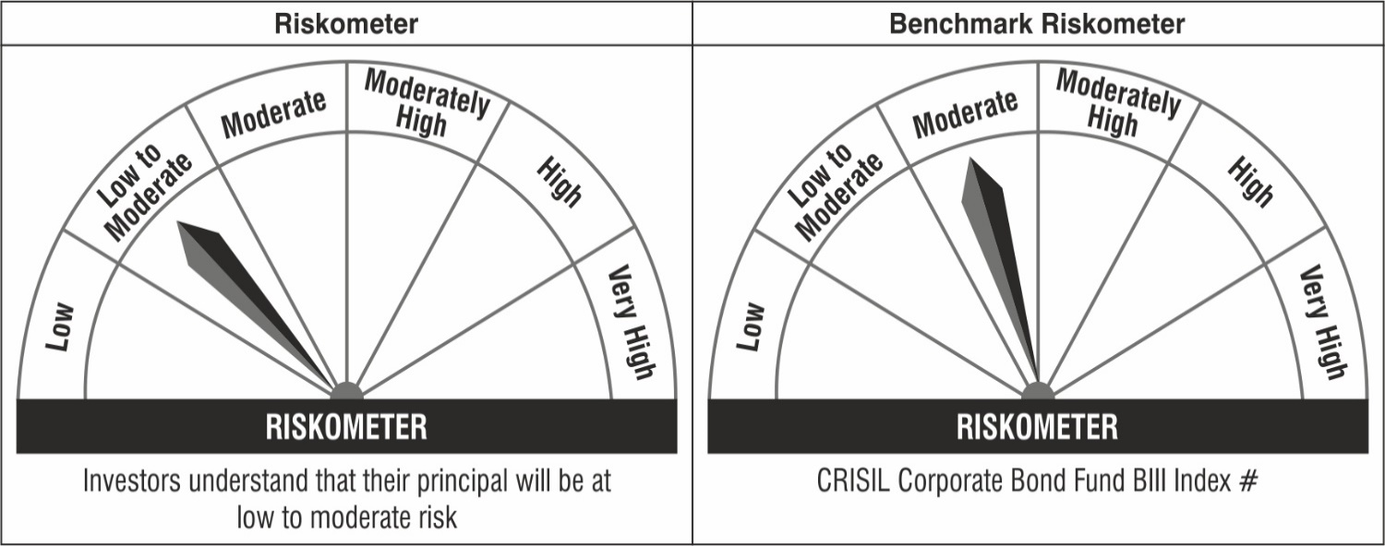

Note: The Scheme Benchmark has been changed from CRISIL Corporate Bond Composite Index to CRISIL Corporate Bond Fund BIII Index with effect from April 01, 2022.
#CRISIL Benchmark Disclaimer : CRISIL Indices are the sole property of CRISIL Limited (CRISIL). CRISIL Indices shall not be copied, transmitted or distributed in any manner for any commercial use. CRISIL has taken due care and caution in computation of the Indices, based on the data obtained from sources, which it considers reliable. However, CRISIL does not guarantee the accuracy, adequacy or completeness of the Indices and is not responsible for any errors or for the results obtained from the use of the Indices. CRISIL especially states that it has no financial liability whatsoever to the users of CRISIL Indices.
### : Note: The Scheme risk-o-meter is based on evaluation of the portfolio data as on June 30, 2022. Further, for the Benchmark, the latest available risk-o-meter has been provided.
^^ : As per AMFI Best Practice Guideline Circular No. 91/ 20 - 21, Yield to Call of the security has been disclosed.

