Money Market
UNION MUTUAL FUND | YK38
Registered Office: Unit 503, 5th Floor, Leela Business Park, Andheri Kurla Road, Andheri (East), Mumbai - 400059
Toll Free No.: 18002002268 I Non Toll Free.: 022-67483333 I Website: www.unionmf.com • Email: investorcare@unionmf.com

PURSUANT TO REGULATION 59A OF SECURITIES & EXCHANGE BOARD OF INDIA (MUTUAL FUNDS) REGULATIONS, 1996
MONTHLY PORTFOLIO STATEMENT OF UNION MONEY MARKET FUND AS ON AUGUST 31, 2022
(An open ended debt scheme investing in money market instruments. A relatively low interest rate risk and moderate credit risk.)
Name of the Instrument | ISIN | Rating / Industry | Quantity | Market value (Rs. in Lakhs) | % to NAV | YTM %
 |  |  |  |  |  |  | Industry / Rating | % to NAV | Sector | % to NAV
EQUITY & EQUITY RELATED |  |  |  |  |  |  | Sovereign | 53.99 | Sovereign | 53.99
 |  |  |  |  |  |  | CRISIL A1+ | 31.67 | Financial Services | 31.63
a) Listed/awaiting listing on Stock Exchanges |  |  |  | NIL | NIL |  | [ICRA]A1+ | 7.88 | Fast Moving Consumer Goods | 3.96
 |  |  |  |  |  |  | Cash & Cash Equivalents | 6.46 | Telecommunication | 3.96
b) Unlisted |  |  |  | NIL | NIL |  |  |  | Cash & Cash Equivalents | 6.46

c) Foreign Securities and /or overseas ETF |  |  |  | NIL | NIL

DEBT INSTRUMENTS

a) Listed/awaiting listing on the stock exchanges |  |  |  | NIL | NIL

b) Privately Placed/Unlisted |  |  |  | NIL | NIL

c) Securitised Debt Instruments |  |  |  | NIL | NIL

d) Central Government Securities |  |  |  | NIL | NIL

e) State Government Securities |  |  |  | NIL | NIL

MONEY MARKET INSTRUMENTS
a) Commercial Paper **
Axis Finance Ltd. | INE891K14LK2 | CRISIL A1+ | 75,000,000 | 749.03 | 5.95 | 5.89
Cholamandalam Investment & Finance Co. Ltd. | INE121A14TQ5 | CRISIL A1+ | 75,000,000 | 748.43 | 5.95 | 5.87
Godrej Agrovet Ltd. | INE850D14MH7 | [ICRA]A1+ | 50,000,000 | 498.90 | 3.96 | 5.77
Reliance Jio Infocomm Ltd. | INE110L14QQ1 | CRISIL A1+ | 50,000,000 | 498.07 | 3.96 | 5.65
Housing Development Finance Corporation Ltd. | INE001A14YX5 | CRISIL A1+ | 50,000,000 | 495.52 | 3.94 | 5.89
Aditya Birla Finance Ltd. | INE860H14Y41 | [ICRA]A1+ | 50,000,000 | 493.28 | 3.92 | 6.14
Total |  |  |  | 3,483.23 | 27.68

b) Certificate of Deposits
Export-Import Bank of India ** | INE514E16BX2 | CRISIL A1+ | 50,000,000 | 499.02 | 3.97 | 5.51
Axis Bank Ltd. | INE238A161X8 | CRISIL A1+ | 50,000,000 | 498.56 | 3.96 | 5.55
Indian Bank | INE562A16KT8 | CRISIL A1+ | 50,000,000 | 495.28 | 3.94 | 5.80
Total |  |  |  | 1,492.86 | 11.87

c) Treasury Bills
364 Day Treasury Bills | IN002021Z368 | Sovereign | 100,000,000 | 986.16 | 7.84 | 5.63
182 Day Treasury Bills | IN002022Y138 | Sovereign | 100,000,000 | 981.77 | 7.80 | 5.69
364 Day Treasury Bills | IN002021Z525 | Sovereign | 100,000,000 | 968.45 | 7.70 | 6.07
364 Day Treasury Bills | IN002022Z093 | Sovereign | 100,000,000 | 955.52 | 7.59 | 6.22
182 Day Treasury Bills | IN002022Y120 | Sovereign | 50,000,000 | 491.41 | 3.91 | 5.70
364 Day Treasury Bills | IN002021Z491 | Sovereign | 50,000,000 | 486.06 | 3.86 | 5.98
364 Day Treasury Bills | IN002021Z509 | Sovereign | 50,000,000 | 485.35 | 3.86 | 6.06
364 Day Treasury Bills | IN002021Z517 | Sovereign | 50,000,000 | 484.79 | 3.85 | 6.06
364 Day Treasury Bills | IN002022Z085 | Sovereign | 50,000,000 | 478.52 | 3.80 | 6.16
364 Day Treasury Bills | IN002022Z127 | Sovereign | 50,000,000 | 476.18 | 3.78 | 6.21
Total |  |  |  | 6,794.21 | 53.99

d) Bills Re- Discounting |  |  |  | NIL | NIL

OTHERS
a) Mutual Fund Units / Exchange Traded Funds |  |  |  | NIL | NIL

b) Short Term Deposits |  |  |  | NIL | NIL

c) Term Deposits Placed as Margins |  |  |  | NIL | NIL

d) TREPS / Reverse Repo Investments
TREPS |  |  |  | 695.76 | 5.53 | 5.36
Total |  |  |  | 695.76 | 5.53

Other Current Assets / (Liabilities)
Net Receivable / Payable |  |  |  | 117.19 | 0.93
Total |  |  |  | 117.19 | 0.93

GRAND TOTAL (AUM) |  |  |  | 12,583.25 | 100.00
**Non traded securities as defined in SEBI Regulations and Guidelines (Based on data as of last business day)

Notes:
1. Total Securities in default beyond its maturity date
Name of security | ISIN Code | Net receivable/ market value | Net receivable/ market value | Total amount due (including principal and interest)
 |  | (Rs. in Lakhs) | (as % to NAV) | (Rs. in Lakhs)
NIL | NIL | NIL | NIL | NIL

2. NAV at the beginning of the period - July 31, 2022 (Rs. per unit) ***
Regular Plan Daily Income Distribution cum Capital Withdrawal Option |  | 1000.5468
Regular Plan Growth Option |  | 1027.6424
Regular Plan Monthly Income Distribution cum Capital Withdrawal Option @ |  | N.A.
Regular Plan Weekly Income Distribution cum Capital Withdrawal Option @ |  | N.A.
Direct Plan Daily Income Distribution cum Capital Withdrawal Option @ |  | N.A.
Direct Plan Growth Option |  | 1033.7748
Direct Plan Monthly Income Distribution cum Capital Withdrawal Option |  | 1000.7228
Direct Plan Weekly Income Distribution cum Capital Withdrawal Option @ |  | N.A.

3. NAV at the end of the period - August 31, 2022 (Rs. per unit) ***
Regular Plan Daily Income Distribution cum Capital Withdrawal Option |  | 1000.4229
Regular Plan Growth Option |  | 1031.8319
Regular Plan Monthly Income Distribution cum Capital Withdrawal Option @ |  | N.A.
Regular Plan Weekly Income Distribution cum Capital Withdrawal Option @ |  | N.A.
Direct Plan Daily Income Distribution cum Capital Withdrawal Option @ |  | N.A.
Direct Plan Growth Option |  | 1038.6391
Direct Plan Monthly Income Distribution cum Capital Withdrawal Option |  | 1000.9379
Direct Plan Weekly Income Distribution cum Capital Withdrawal Option @ |  | N.A.
*** Figures declared refers to computed NAVs
@ There are no investors in the option.

4. Total gross exposure to derivative instruments as on August 31, 2022 is Nil.
(Gross exposure means sum of all long and short positions in derivatives)

5. Investment in foreign securities/ADRs/GDRs/Overseas ETF as on August 31, 2022 is Nil.

6. Average Portfolio Maturity is 111.71 Days.

7. Total IDCW (Net) declared during the monthly period - (IDCW - Income Distribution cum Capital Withdrawal)
 |  | (Rs. per unit)
Option Name | Individual & HUF | Others
Regular Plan Daily Income Distribution cum Capital Withdrawal Option | 4.198125 | 4.198125
Regular Plan Monthly Income Distribution cum Capital Withdrawal Option | N.A. | N.A.
Regular Plan Weekly Income Distribution cum Capital Withdrawal Option | N.A. | N.A.
Direct Plan Daily Income Distribution cum Capital Withdrawal Option | N.A. | N.A.
Direct Plan Monthly Income Distribution cum Capital Withdrawal Option | 4.466175 | 4.466175
Direct Plan Weekly Income Distribution cum Capital Withdrawal Option | N.A. | N.A.

IDCW are declared on face value of Rs.1000 per unit. After distribution of IDCW, the NAV falls to the extent of IDCW payout and statutory levy, if any.
For detailed history of IDCW declared please visit www.unionmf.com .
No bonus was declared by the Scheme during the monthly period ending August 31, 2022.

8. Repo transactions in corporate debt securities during the monthly period ending on August 31, 2022 is Nil.

9. Risk o Meter for UNION MONEY MARKET FUND & for its Benchmark CRISIL MONEY MARKET FUND BI INDEX ### :
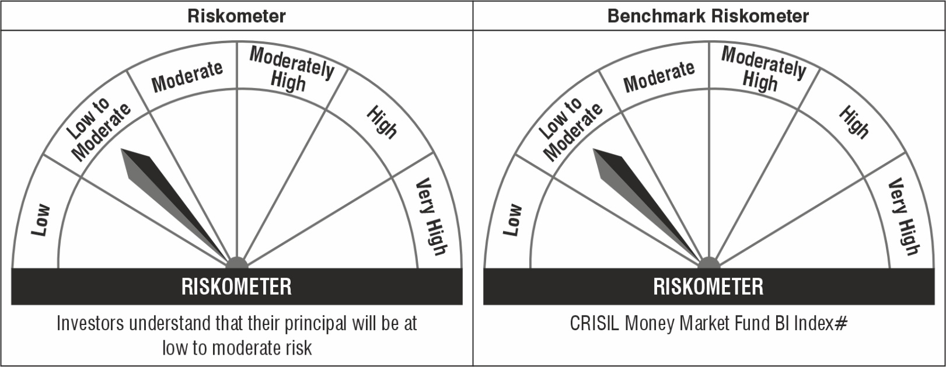

Note: The Scheme Benchmark has been changed from CRISIL Money Market Index to CRISIL Money Market Fund BI Index with effect from April 01, 2022.
#CRISIL Benchmark Disclaimer : CRISIL Indices are the sole property of CRISIL Limited (CRISIL). CRISIL Indices shall not be copied, transmitted or distributed in any manner for any commercial use. CRISIL has taken due care and caution in computation of the Indices, based on the data obtained from sources, which it considers reliable. However, CRISIL does not guarantee the accuracy, adequacy or completeness of the Indices and is not responsible for any errors or for the results obtained from the use of the Indices. CRISIL especially states that it has no financial liability whatsoever to the users of CRISIL Indices.
### : Note: The Scheme risk-o-meter is based on evaluation of the portfolio data as on August 31, 2022. Further, for the Benchmark, the latest available risk-o-meter has been provided.

