Overnight Fund
UNION MUTUAL FUND | YK32
Registered Office: Unit 503, 5th Floor, Leela Business Park, Andheri Kurla Road, Andheri (East), Mumbai - 400059
Toll Free No.: 18002002268 I Non Toll Free.: 022-67483333 I Website: www.unionmf.com • Email: investorcare@unionmf.com

PURSUANT TO REGULATION 59A OF SECURITIES & EXCHANGE BOARD OF INDIA (MUTUAL FUNDS) REGULATIONS, 1996
MONTHLY PORTFOLIO STATEMENT OF UNION OVERNIGHT FUND^^ AS ON AUGUST 31, 2022
(An open ended debt scheme investing in overnight securities. A relatively low interest rate risk and relatively low credit risk.)
Name of the Instrument | ISIN | Rating / Industry | Quantity | Market value (Rs. in Lakhs) | % to NAV | YTM %
 |  |  |  |  |  |  | Industry / Rating | % to NAV | Sector | % to NAV
EQUITY & EQUITY RELATED |  |  |  |  |  |  | Sovereign | 1.88 | Sovereign | 1.88
 |  |  |  |  |  |  | Cash & Cash Equivalents | 98.12 | Cash & Cash Equivalents | 98.12
a) Listed/awaiting listing on Stock Exchanges |  |  |  | NIL | NIL

b) Unlisted |  |  |  | NIL | NIL

c) Foreign Securities and /or overseas ETF |  |  |  | NIL | NIL

DEBT INSTRUMENTS

a) Listed/awaiting listing on the stock exchanges |  |  |  | NIL | NIL

b) Privately Placed/Unlisted |  |  |  | NIL | NIL

c) Securitised Debt Instruments |  |  |  | NIL | NIL

d) Central Government Securities |  |  |  | NIL | NIL

e) State Government Securities |  |  |  | NIL | NIL

MONEY MARKET INSTRUMENTS

a) Commercial Paper |  |  |  | NIL | NIL

b) Certificate of Deposits |  |  |  | NIL | NIL

c) Treasury Bills
182 Day Treasury Bills | IN002021Y528 | Sovereign | 15,000,000 | 149.85 | 0.94 | 5.27
91 Day Treasury Bills | IN002022X114 | Sovereign | 15,000,000 | 149.70 | 0.94 | 5.30
Total |  |  |  | 299.55 | 1.88

d) Bills Re- Discounting |  |  |  | NIL | NIL

OTHERS
a) Mutual Fund Units / Exchange Traded Funds |  |  |  | NIL | NIL

b) Short Term Deposits |  |  |  | NIL | NIL

c) Term Deposits Placed as Margins |  |  |  | NIL | NIL

d) TREPS / Reverse Repo Investments
5.45% Reverse Repo |  |  |  | 10,500.49 | 65.70 | 5.45
TREPS |  |  |  | 5,156.87 | 32.26 | 5.36
Total |  |  |  | 15,657.36 | 97.96

Other Current Assets / (Liabilities)
Net Receivable / Payable |  |  |  | 26.26 | 0.16
Total |  |  |  | 26.26 | 0.16

GRAND TOTAL (AUM) |  |  |  | 15,983.17 | 100.00

Notes:
1. Total Securities in default beyond its maturity date
Name of security | ISIN Code | Net receivable/ market value | Net receivable/ market value | Total amount due (including principal and interest)
 |  | (Rs. in Lakhs) | (as % to NAV) | (Rs. in Lakhs)
NIL | NIL | NIL | NIL | NIL

2. NAV at the beginning of the period - July 31, 2022 (Rs. per unit)
Regular Plan Daily Income Distribution cum Capital Withdrawal Option |  | 1000.8036
Regular Plan Growth Option |  | 1131.3479
Regular Plan Fortnightly Income Distribution cum Capital Withdrawal Option @ |  | N.A.
Regular Plan Monthly Income Distribution cum Capital Withdrawal Option |  | 1001.4251
Regular Plan Weekly Income Distribution cum Capital Withdrawal Option @ |  | N.A.
Direct Plan Daily Income Distribution cum Capital Withdrawal Option |  | 1000.7630
Direct Plan Growth Option |  | 1135.0913
Direct Plan Fortnightly Income Distribution cum Capital Withdrawal Option @ |  | N.A.
Direct Plan Monthly Income Distribution cum Capital Withdrawal Option |  | 1001.4560
Direct Plan Weekly Income Distribution cum Capital Withdrawal Option @ |  | N.A.
Unclaimed Amounts Plan - Income Distribution cum Capital Withdrawal Option Upto 3 years |  | 1023.3516
Unclaimed Amounts Plan - Income Distribution cum Capital Withdrawal Option Beyond 3 years |  | 1000.0000
Unclaimed Amounts Plan - Redemption Upto 3 years |  | 1023.3322
Unclaimed Amounts Plan - Redemption Beyond 3 years |  | 1000.0000

3. NAV at the end of the period - August 31, 2022 (Rs. per unit)
Regular Plan Daily Income Distribution cum Capital Withdrawal Option |  | 1000.8282
Regular Plan Growth Option |  | 1136.1318
Regular Plan Fortnightly Income Distribution cum Capital Withdrawal Option @ |  | N.A.
Regular Plan Monthly Income Distribution cum Capital Withdrawal Option |  | 1001.4216
Regular Plan Weekly Income Distribution cum Capital Withdrawal Option @ |  | N.A.
Direct Plan Daily Income Distribution cum Capital Withdrawal Option |  | 1000.7630
Direct Plan Growth Option |  | 1139.9879
Direct Plan Fortnightly Income Distribution cum Capital Withdrawal Option @ |  | N.A.
Direct Plan Monthly Income Distribution cum Capital Withdrawal Option |  | 1001.4985
Direct Plan Weekly Income Distribution cum Capital Withdrawal Option @ |  | N.A.
Unclaimed Amounts Plan - Income Distribution cum Capital Withdrawal Option Upto 3 years |  | 1027.7600
Unclaimed Amounts Plan - Income Distribution cum Capital Withdrawal Option Beyond 3 years |  | 1000.0000
Unclaimed Amounts Plan - Redemption Upto 3 years |  | 1027.7469
Unclaimed Amounts Plan - Redemption Beyond 3 years |  | 1000.0000
@ There are no investors in the option.
^^ There is a separate plan viz. 'Unclaimed Amounts Plan' which has been launched in terms of SEBI Circular No. SEBI/HO/IMD/IMD-II DOF3/P/CIR/2021/608 dated July 30, 2021 for the limited purpose of deployment of unclaimed redemption and unclaimed dividend amount only. Hence, units under the said plan shall not be available for subscription by investors. Please refer addendum dated December 22, 2021, available on our website for more details. The options available under this Plan are Redemption:Upto 3 years, Redemption: Beyond 3 years, Income Distribution cum Capital Withdrawal: Upto 3 years and Income Distribution cum Capital Withdrawal : Beyond 3 years.
4. Total gross exposure to derivative instruments as on August 31, 2022 is Nil.
(Gross exposure means sum of all long and short positions in derivatives)

5. Investment in foreign securities/ADRs/GDRs/Overseas ETF as on August 31, 2022 is Nil.

6. Average Portfolio Maturity is 1.20 days.
(The Scheme invests only in securities with overnight maturity except to the extent of upto 5% of the net assets which can be invested in G-secs and/or T-bills with a residual maturity of upto 30 days for the purpose of placing the same as margin and collateral for certain transactions in accordance with SEBI circular no. SEBI/HO/IMD/DF2/CIR/P/2021/683 dated December 10, 2021.)
7. Total IDCW (Net) declared during the monthly period - (IDCW - Income Distribution cum Capital Withdrawal)
 |  | (Rs. per unit)
Option Name | Individual & HUF | Others
Regular Plan Daily Income Distribution cum Capital Withdrawal Option | 3.361533 | 3.361533
Regular Plan Fortnightly Income Distribution cum Capital Withdrawal Option | N.A. | N.A.
Regular Plan Monthly Income Distribution cum Capital Withdrawal Option | 4.199149 | 4.199149
Regular Plan Weekly Income Distribution cum Capital Withdrawal Option | N.A. | N.A.
Direct Plan Daily Income Distribution cum Capital Withdrawal Option | 4.308056 | 4.308056
Direct Plan Fortnightly Income Distribution cum Capital Withdrawal Option | N.A. | N.A.
Direct Plan Monthly Income Distribution cum Capital Withdrawal Option | 4.294128 | 4.294128
Direct Plan Weekly Income Distribution cum Capital Withdrawal Option | N.A. | N.A.
IDCW are declared on face value of Rs.1,000 per unit. After distribution of IDCW, the NAV falls to the extent of IDCW payout and statutory levy, if any.
For detailed history of IDCW declared please visit www.unionmf.com.
No bonus was declared by the Scheme during the monthly period ending August 31, 2022.

8. Repo transactions in corporate debt securities during the monthly period ending on August 31, 2022 is Nil.
9. Risk o Meter for UNION OVERNIGHT FUND & for its Benchmark CRISIL OVERNIGHT FUND AI INDEX : ###

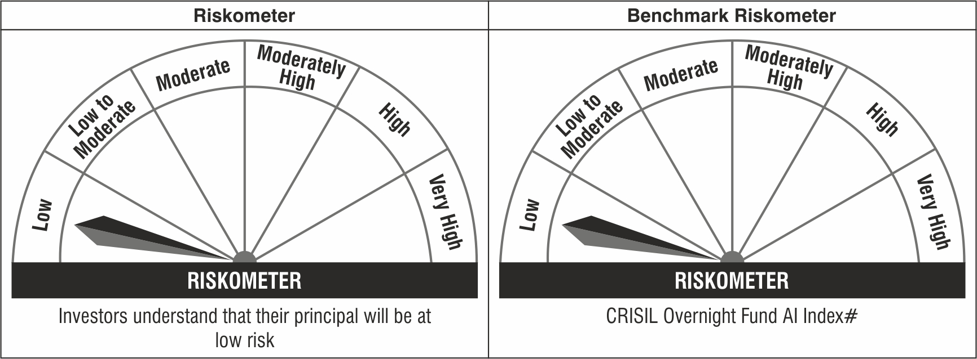

Note: The Scheme Benchmark has been changed from CRISIL Overnight Index to CRISIL Overnight Fund AI Index with effect from April 01, 2022.
#CRISIL Benchmark Disclaimer : CRISIL Indices are the sole property of CRISIL Limited (CRISIL). CRISIL Indices shall not be copied, transmitted or distributed in any manner for any commercial use. CRISIL has taken due care and caution in computation of the Indices, based on the data obtained from sources, which it considers reliable. However, CRISIL does not guarantee the accuracy, adequacy or completeness of the Indices and is not responsible for any errors or for the results obtained from the use of the Indices. CRISIL especially states that it has no financial liability whatsoever to the users of CRISIL Indices.
### : Note: The Scheme risk-o-meter is based on evaluation of the portfolio data as on August 31, 2022. Further, for the Benchmark, the latest available risk-o-meter has been provided.

