Focused Fund
UNION MUTUAL FUND | YK33
Registered Office: Unit 503, 5th Floor, Leela Business Park, Andheri Kurla Road, Andheri (East), Mumbai - 400059
Toll Free No.: 18002002268 I Non Toll Free.: 022-67483333 I Website: www.unionmf.com • Email: investorcare@unionmf.com

PURSUANT TO REGULATION 59A OF SECURITIES & EXCHANGE BOARD OF INDIA (MUTUAL FUNDS) REGULATIONS, 1996
MONTHLY PORTFOLIO STATEMENT OF UNION FOCUSED FUND AS ON SEPTEMBER 30, 2022
(An open ended equity scheme investing in maximum 30 stocks across market caps (i.e. Multi Cap))
Name of the Instrument | ISIN | Rating / Industry | Quantity | Market value (Rs. in Lakhs) | % to NAV | YTM %
 |  |  |  |  |  |  | Industry / Rating | % to NAV | Sector | % to NAV
EQUITY & EQUITY RELATED |  |  |  |  |  |  | Banks | 25.44 | Financial Services | 28.89
a) Listed/awaiting listing on Stock Exchanges |  |  |  |  |  |  | Auto Components | 9.02 | Automobile and Auto Components | 17.50
ICICI Bank Ltd. | INE090A01021 | Banks | 304,563 | 2,625.33 | 8.10 |  | Automobiles | 8.48 | Fast Moving Consumer Goods | 10.03
Reliance Industries Ltd. | INE002A01018 | Petroleum Products | 100,107 | 2,380.29 | 7.35 |  | Petroleum Products | 7.35 | Oil, Gas & Consumable Fuels | 7.35
HDFC Bank Ltd. | INE040A01034 | Banks | 157,596 | 2,239.99 | 6.91 |  | Diversified FMCG | 6.07 | Healthcare | 5.78
Hindustan Unilever Ltd. | INE030A01027 | Diversified FMCG | 72,932 | 1,966.57 | 6.07 |  | Pharmaceuticals & Biotechnology | 5.78 | Information Technology | 5.14
Infosys Ltd. | INE009A01021 | IT - Software | 117,904 | 1,666.51 | 5.14 |  | IT - Software | 5.14 | Telecommunication | 5.01
Bharti Airtel Ltd. | INE397D01024 | Telecom - Services | 202,857 | 1,622.65 | 5.01 |  | Telecom - Services | 5.01 | Chemicals | 4.22
Mahindra & Mahindra Ltd. | INE101A01026 | Automobiles | 122,585 | 1,554.62 | 4.80 |  | Food Products | 3.96 | Capital Goods | 4.14
Tube Investments of India Ltd. | INE974X01010 | Auto Components | 54,764 | 1,502.92 | 4.64 |  | Finance | 3.45 | Power | 3.06
State Bank of India | INE062A01020 | Banks | 270,372 | 1,434.59 | 4.43 |  | Power | 3.06 | Services | 2.86
Motherson Sumi Wiring India Ltd. | INE0FS801015 | Auto Components | 1,621,397 | 1,418.72 | 4.38 |  | Transport Services | 2.86 | Construction Materials | 1.87
Britannia Industries Ltd. | INE216A01030 | Food Products | 33,393 | 1,283.31 | 3.96 |  | Industrial Products | 2.20 | Sovereign | 0.11
Kotak Mahindra Bank Ltd. | INE237A01028 | Banks | 69,480 | 1,263.98 | 3.90 |  | Chemicals & Petrochemicals | 2.11 | Cash & Cash Equivalents | 4.04
Maruti Suzuki India Ltd. | INE585B01010 | Automobiles | 13,512 | 1,192.86 | 3.68 |  | Fertilizers & Agrochemicals | 2.11
Muthoot Finance Ltd. | INE414G01012 | Finance | 107,405 | 1,117.07 | 3.45 |  | Industrial Manufacturing | 1.94
NTPC Ltd. | INE733E01010 | Power | 620,095 | 989.98 | 3.06 |  | Cement & Cement Products | 1.87
Gland Pharma Ltd. | INE068V01023 | Pharmaceuticals & Biotechnology | 45,549 | 953.27 | 2.94 |  | Sovereign | 0.11
Interglobe Aviation Ltd. | INE646L01027 | Transport Services | 49,972 | 927.13 | 2.86 |  | Cash & Cash Equivalents | 4.04
Divi's Laboratories Ltd. | INE361B01024 | Pharmaceuticals & Biotechnology | 24,870 | 921.48 | 2.84
Polycab India Ltd. | INE455K01017 | Industrial Products | 27,870 | 713.68 | 2.20
Tatva Chintan Pharma Chem Ltd. | INE0GK401011 | Chemicals & Petrochemicals | 27,171 | 683.93 | 2.11
PI Industries Ltd. | INE603J01030 | Fertilizers & Agrochemicals | 22,762 | 682.48 | 2.11
Axis Bank Ltd. | INE238A01034 | Banks | 92,976 | 681.70 | 2.10
Honeywell Automation India Ltd. | INE671A01010 | Industrial Manufacturing | 1,570 | 628.07 | 1.94
Ultratech Cement Ltd. | INE481G01011 | Cement & Cement Products | 9,711 | 607.43 | 1.87
Total |  |  |  | 31,058.56 | 95.85

b) Unlisted |  |  |  | NIL | NIL

c) Foreign Securities and /or overseas ETF |  |  |  | NIL | NIL

DEBT INSTRUMENTS

a) Listed/awaiting listing on the stock exchanges |  |  |  | NIL | NIL

b) Privately Placed/Unlisted |  |  |  | NIL | NIL

c) Securitised Debt Instruments |  |  |  | NIL | NIL

d) Central Government Securities |  |  |  | NIL | NIL

e) State Government Securities |  |  |  | NIL | NIL

MONEY MARKET INSTRUMENTS
a) Commercial Paper |  |  |  | NIL | NIL

b) Certificate of Deposits |  |  |  | NIL | NIL

c) Treasury Bills
182 Day Treasury Bills | IN002022Y112 | Sovereign | 3,500,000 | 34.57 | 0.11 | 6.00
Total |  |  |  | 34.57 | 0.11

d) Bills Re- Discounting |  |  |  | NIL | NIL

OTHERS
a) Mutual Fund Units / Exchange Traded Funds |  |  |  | NIL | NIL

b) Short Term Deposits |  |  |  | NIL | NIL

c) Term Deposits Placed as Margins |  |  |  | NIL | NIL

d) TREPS / Reverse Repo Investments
TREPS |  |  |  | 1,587.31 | 4.90 | 5.73
Total |  |  |  | 1,587.31 | 4.90

Other Current Assets / (Liabilities)
Net Receivable / Payable |  |  |  | (281.76) | (0.86)
Total |  |  |  | (281.76) | (0.86)

GRAND TOTAL (AUM) |  |  |  | 32,398.68 | 100.00

Notes:
1. Total Securities in default beyond its maturity date
Name of security | ISIN Code | Net receivable/ market value | Net receivable/ market value | Total amount due (including principal and interest)
 |  | (Rs. in Lakhs) | (as % to NAV) | (Rs. in Lakhs)
NIL | NIL | NIL | NIL | NIL

2. NAV at the beginning of the period - August 31, 2022 (Rs. per unit)***
Regular Plan Income Distribution cum Capital Withdrawal Option | 18.01
Regular Plan Growth Option | 18.01
Direct Plan Income Distribution cum Capital Withdrawal Option | 18.52
Direct Plan Growth Option | 18.52
*** Figures declared refers to computed NAVs

3. NAV at the end of the period - September 30, 2022 (Rs. per unit)
Regular Plan Income Distribution cum Capital Withdrawal Option | 17.69
Regular Plan Growth Option | 17.69
Direct Plan Income Distribution cum Capital Withdrawal Option | 18.21
Direct Plan Growth Option | 18.21

4. Total gross exposure to derivative instruments as on September 30, 2022 is Nil.
(Gross exposure means sum of all long and short positions in derivatives)

5. Investment in foreign securities/ADRs/GDRs/Overseas ETF as on September 30, 2022 is Nil.

6. Portfolio Turnover Ratio is 0.49 times.
Portfolio Turnover Ratio = Lower of sales or purchase of securities divided by average AUM for 12 months ended September 30, 2022

7. Total value and percentage of Illiquid Equity shares is Nil.

8. Total IDCW (Net) declared during the monthly period - (IDCW - Income Distribution cum Capital Withdrawal):
 |  | (Rs. per unit)
Option Name | Individual & HUF | Others
Regular Plan Income Distribution cum Capital Withdrawal Option | Nil | Nil
Direct Plan Income Distribution cum Capital Withdrawal Option | Nil | Nil
IDCW are declared on face value of Rs.10 per unit. After distribution of IDCW, the NAV falls to the extent of IDCW payout and statutory levy, if any.
For detailed history of IDCW declared please visit www.unionmf.com.
No bonus was declared by the Scheme during the monthly period ending September 30, 2022

9. Since there were no transactions in derivative instruments, the disclosure required for derivative instruments under SEBI circular ref no. CIR/ IMD/ DF/ 11/ 2010 dated August 18, 2010 , SEBI circular ref. no. SEBI/HO/IMD/DF2/CIR/P/2017/109 dated September 27, 2017 and SEBI Circular ref no. SEBI/HO/IMD/DF2/CIR/P/2019/17 dated January 16, 2019, as amended from time to time is Nil.
10. Repo transactions in corporate debt securities during the month ending September 30, 2022 is Nil.
11. Risk o Meter for UNION FOCUSED FUND & for its Benchmark S&P BSE 500 Index (TRI) : ###
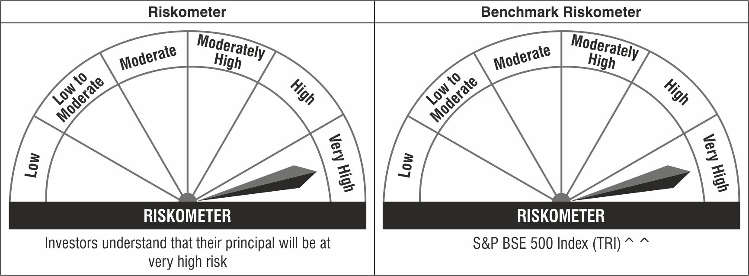

^^ S&P BSE 500 Index (TRI) Benchmark Disclaimer : The "Index" viz. “S&P BSE 500 Index (TRI)”, is a product of Asia Index Private Limited (AIPL), which is a joint venture of S&P Dow Jones Indices LLC or its affiliates (“SPDJI”) and BSE Limited, and has been licensed for use by Union Asset Management Company Private Limited. For the detailed disclaimer in this regard please refer to the Scheme Information Document (SID) of the Scheme.
### : Note: The Scheme risk-o-meter is based on evaluation of the portfolio data as on September 30, 2022. Further, for the Benchmark, the latest available risk-o-meter has been provided.

