Largecap
UNION MUTUAL FUND | YK25 |  |  |  |  |  | Back to Index
Registered Office: Unit 503, 5th Floor, Leela Business Park, Andheri Kurla Road, Andheri (East), Mumbai - 400059
Toll Free No.: 18002002268 I Non Toll Free.: 022-67483333 I Website: www.unionmf.com • Email: investorcare@unionmf.com

PURSUANT TO REGULATION 59A OF SECURITIES & EXCHANGE BOARD OF INDIA (MUTUAL FUNDS) REGULATIONS, 1996
MONTHLY PORTFOLIO STATEMENT OF UNION LARGECAP FUND AS ON AUGUST 31, 2021
(Large Cap Fund - An open ended equity scheme predominantly investing in large cap stocks)
Name of the Instrument | ISIN | Rating / Industry | Quantity | Market value (Rs. in Lakhs) | % to NAV | YTM %
 |  |  |  |  |  |  | Industry / Rating | % to NAV | Sector | % to NAV
EQUITY & EQUITY RELATED |  |  |  |  |  |  | Banks | 20.29 | Financial Services | 33.24
a) Listed/awaiting listing on Stock Exchanges |  |  |  |  |  |  | Software | 15.29 | IT | 15.29
HDFC Bank Ltd. | INE040A01034 | Banks | 110,078 | 1,740.77 | 8.34 |  | Finance | 11.65 | Oil & Gas | 9.29
Infosys Ltd. | INE009A01021 | Software | 75,619 | 1,290.40 | 6.18 |  | Petroleum Products | 9.29 | Consumer Goods | 8.99
Housing Development Finance Corporation Ltd. | INE001A01036 | Finance | 43,989 | 1,231.03 | 5.90 |  | Consumer Non Durables | 6.41 | Pharma | 5.00
ICICI Bank Ltd. | INE090A01021 | Banks | 145,008 | 1,042.68 | 4.99 |  | Pharmaceuticals | 5.00 | Cement & Cement Products | 4.30
Ultratech Cement Ltd. | INE481G01011 | Cement & Cement Products | 11,468 | 898.23 | 4.30 |  | Cement & Cement Products | 4.30 | Automobile | 4.08
Reliance Industries Ltd. | INE002A01018 | Petroleum Products | 37,089 | 837.53 | 4.01 |  | Auto | 4.08 | Consumer Services | 3.72
Avenue Supermarts Ltd. | INE192R01011 | Retailing | 19,626 | 776.17 | 3.72 |  | Retailing | 3.72 | Telecom | 3.43
Tata Consultancy Services Ltd. | INE467B01029 | Software | 19,564 | 740.78 | 3.55 |  | Telecom - Services | 3.43 | Construction | 3.15
State Bank of India | INE062A01020 | Banks | 171,216 | 729.47 | 3.49 |  | Construction Project | 3.15 | Metals | 2.76
Bharti Airtel Ltd. | INE397D01024 | Telecom - Services | 107,705 | 715.22 | 3.43 |  | Consumer Durables | 2.58 | Power | 2.02
Larsen & Toubro Infotech Ltd. | INE214T01019 | Software | 13,032 | 692.32 | 3.32 |  | Power | 2.02 | Services | 1.26
Larsen & Toubro Ltd. | INE018A01030 | Construction Project | 39,320 | 657.51 | 3.15 |  | Non - Ferrous Metals | 1.68 | Fertilisers & Pesticides | 0.95
Reliance Industries Ltd. PP* | IN9002A01032 | Petroleum Products | 39,406 | 637.31 | 3.05 |  | Insurance | 1.30 | Industrial Manufacturing | 0.45
Titan Company Ltd. | INE280A01028 | Consumer Durables | 28,009 | 538.22 | 2.58 |  | Transportation | 1.26 | Sovereign | 0.02
Bajaj Finance Ltd. | INE296A01024 | Finance | 6,940 | 522.20 | 2.50 |  | Ferrous Metals | 1.08 | Cash & Cash Equivalents | 2.05
Divi's Laboratories Ltd. | INE361B01024 | Pharmaceuticals | 9,058 | 468.62 | 2.24 |  | Pesticides | 0.95
Wipro Ltd. | INE075A01022 | Software | 72,827 | 466.78 | 2.24 |  | Industrial Capital Goods | 0.45
Bharat Petroleum Corporation Ltd. | INE029A01011 | Petroleum Products | 98,574 | 464.92 | 2.23 |  | Sovereign | 0.02
Maruti Suzuki India Ltd. | INE585B01010 | Auto | 6,681 | 457.39 | 2.19 |  | Cash & Cash Equivalents | 2.05
Axis Bank Ltd. | INE238A01034 | Banks | 53,120 | 417.79 | 2.00
Muthoot Finance Ltd. | INE414G01012 | Finance | 27,432 | 415.32 | 1.99
Asian Paints Ltd. | INE021A01026 | Consumer Non Durables | 12,129 | 388.29 | 1.86
Hindalco Industries Ltd. | INE038A01020 | Non - Ferrous Metals | 74,693 | 349.79 | 1.68
Gland Pharma Ltd. | INE068V01023 | Pharmaceuticals | 8,745 | 340.52 | 1.63
Kotak Mahindra Bank Ltd. | INE237A01028 | Banks | 17,550 | 307.77 | 1.47
SBI Life Insurance Company Ltd. | INE123W01016 | Insurance | 22,800 | 271.79 | 1.30
Piramal Enterprises Ltd. | INE140A01024 | Finance | 10,065 | 262.36 | 1.26
Interglobe Aviation Ltd. | INE646L01027 | Transportation | 13,777 | 262.33 | 1.26
Eicher Motors Ltd. | INE066A01021 | Auto | 8,976 | 240.49 | 1.15
Tata Steel Ltd. | INE081A01012 | Ferrous Metals | 15,544 | 225.43 | 1.08
Tata Power Company Ltd. | INE245A01021 | Power | 170,865 | 220.50 | 1.06
Varun Beverages Ltd. | INE200M01013 | Consumer Non Durables | 24,333 | 206.09 | 0.99
United Spirits Ltd. | INE854D01024 | Consumer Non Durables | 28,493 | 203.77 | 0.98
NTPC Ltd. | INE733E01010 | Power | 172,919 | 200.50 | 0.96
ITC Ltd. | INE154A01025 | Consumer Non Durables | 94,200 | 199.04 | 0.95
PI Industries Ltd. | INE603J01030 | Pesticides | 5,855 | 198.72 | 0.95
Procter & Gamble Hygiene and Health Care Ltd. | INE179A01014 | Consumer Non Durables | 1,255 | 174.11 | 0.83
Nestle India Ltd. | INE239A01016 | Consumer Non Durables | 863 | 168.01 | 0.80
Tata Motors DVR Ltd. | IN9155A01020 | Auto | 113,567 | 155.08 | 0.74
Abbott India Ltd. | INE358A01014 | Pharmaceuticals | 673 | 129.70 | 0.62
Torrent Pharmaceuticals Ltd. | INE685A01028 | Pharmaceuticals | 3,405 | 105.76 | 0.51
Honeywell Automation India Ltd. | INE671A01010 | Industrial Capital Goods | 236 | 93.47 | 0.45
Total |  |  |  | 20,444.18 | 97.93

b) Unlisted |  |  |  | NIL | NIL

c) Foreign Securities and /or overseas ETF |  |  |  | NIL | NIL

DEBT INSTRUMENTS

a) Listed/awaiting listing on the stock exchanges |  |  |  | NIL | NIL

b) Privately Placed/Unlisted |  |  |  | NIL | NIL

c) Securitised Debt Instruments |  |  |  | NIL | NIL

d) Central Government Securities |  |  |  | NIL | NIL

e) State Government Securities |  |  |  | NIL | NIL

MONEY MARKET INSTRUMENTS
a) Commercial Paper |  |  |  | NIL | NIL

b) Certificate of Deposits |  |  |  | NIL | NIL

c) Treasury Bills
91 Day Treasury Bills | IN002021X173 | Sovereign | 500,000 | 4.98 | 0.02 | 3.20
Total |  |  |  | 4.98 | 0.02

d) Bills Re- Discounting |  |  |  | NIL | NIL

OTHERS
a) Mutual Fund Units / Exchange Traded Funds |  |  |  | NIL | NIL

b) Gold |  |  |  | NIL | NIL

c) Short Term Deposits |  |  |  | NIL | NIL

d) Term Deposits Placed as Margins |  |  |  | NIL | NIL

e) TREPS / Reverse Repo Investments
TREPS |  |  |  | 556.53 | 2.67 | 3.11
Total |  |  |  | 556.53 | 2.67

Other Current Assets / (Liabilities)
Net Receivable / Payable |  |  |  | (130.52) | (0.62)
Total |  |  |  | (130.52) | (0.62)

GRAND TOTAL (AUM) |  |  |  | 20,875.17 | 100.00
R** -> Rights Entitlement; PP* -> Partly Paid Shares; A** -> Awaiting Listing on Stock Exchanges

Notes:
1. Total Securities in default beyond its maturity date
Name of security | ISIN Code | Net receivable/ market value | Net receivable/ market value | Total amount due (including principal and interest)
 |  | (Rs. in Lakhs) | (as % to NAV) | (Rs. in Lakhs)
NIL | NIL | NIL | NIL | NIL

2. NAV at the beginning of the period - July 31, 2021 (Rs. per unit) ***
Regular Plan Income Distribution cum Capital Withdrawal Option | 15.01
Regular Plan Growth Option | 15.01
Direct Plan Income Distribution cum Capital Withdrawal Option | 15.46
Direct Plan Growth Option | 15.46

3. NAV at the end of the period - August 31, 2021 (Rs. per unit)
Regular Plan Income Distribution cum Capital Withdrawal Option | 16.21
Regular Plan Growth Option | 16.21
Direct Plan Income Distribution cum Capital Withdrawal Option | 16.70
Direct Plan Growth Option | 16.70
*** Figures declared refers to computed NAVs

4. Total gross exposure to derivative instruments as on August 31, 2021 is Nil.
(Gross exposure means sum of all long and short positions in derivatives)

5. Investment in foreign securities/ADRs/GDRs/Overseas ETF as on August 31, 2021 is Nil.

6. Portfolio Turnover Ratio is 0.35 times.
Portfolio Turnover Ratio = Lower of sales or purchase of securities divided by average AUM for 12 months ended August 31, 2021

7. Total value and percentage of Illiquid Equity shares is Nil.

8. Total Dividend (Net) declared during the month - (Income Distribution cum Capital Withdrawal Option):
 |  | (Rs. per unit)
Option Name | Individual & HUF | Others
Regular Plan Income Distribution cum Capital Withdrawal Option | Nil | Nil
Direct Plan Income Distribution cum Capital Withdrawal Option | Nil | Nil
Dividends are declared on face value of Rs.10 per unit. After distribution of dividend, the NAV falls to the extent of dividend payout and statutory levy, if any.
For detailed history of dividend declared please visit www.unionmf.com .
No bonus was declared by the Scheme during the fortnightly period ending August 31, 2021

9. Since there were no transactions in derivative instruments, the disclosure required for derivative instruments under SEBI circular ref no. CIR/ IMD/ DF/ 11/ 2010 dated August 18, 2010 , SEBI circular ref. no. SEBI/HO/IMD/DF2/CIR/P/2017/109 dated September 27, 2017 and SEBI Circular ref no. SEBI/HO/IMD/DF2/CIR/P/2019/17 dated January 16, 2019 is Nil.

10. Repo transactions in corporate debt securities during the month ending August 31, 2021 is Nil.
11. Risk o Meter for UNION LARGECAP FUND: ###

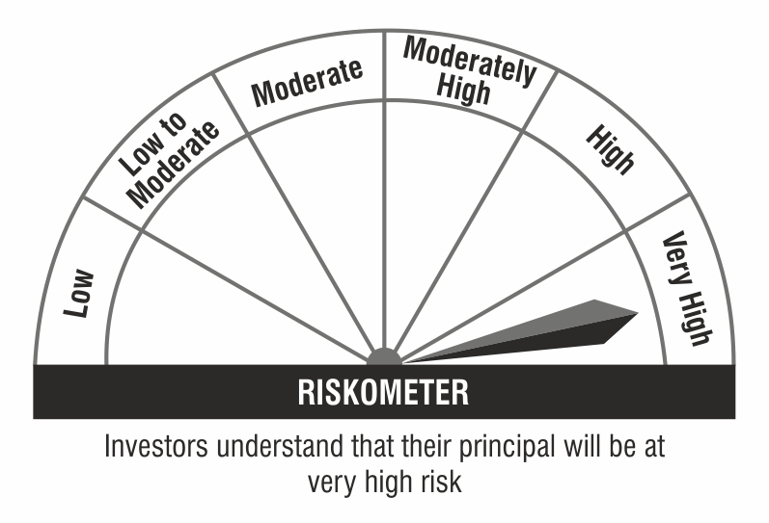

### : As per SEBI circular, the riskometers are evaluated on monthly basis and the current riskometer is as per the evaluation of the scheme portfolio data as on August 31, 2021.

