Overnight Fund
UNION MUTUAL FUND | YK32
Registered Office: Unit 503, 5th Floor, Leela Business Park, Andheri Kurla Road, Andheri (East), Mumbai - 400059
Toll Free No.: 18002002268 I Non Toll Free.: 022-67483333 I Website: www.unionmf.com • Email: investorcare@unionmf.com

PURSUANT TO REGULATION 59A OF SECURITIES & EXCHANGE BOARD OF INDIA (MUTUAL FUNDS) REGULATIONS, 1996
MONTHLY PORTFOLIO STATEMENT OF UNION OVERNIGHT FUND AS ON NOVEMBER 30, 2021
(An open ended debt scheme investing in overnight securities. A relatively low interest rate risk and relatively low credit risk.)
Name of the Instrument | ISIN | Rating / Industry | Quantity | Market value (Rs. in Lakhs) | % to NAV | YTM %
 |  |  |  |  |  |  | Industry / Rating | % to NAV | Sector | % to NAV
EQUITY & EQUITY RELATED |  |  |  |  |  |  | Cash & Cash Equivalents | 100.00 | Cash & Cash Equivalents | 100.00

a) Listed/awaiting listing on Stock Exchanges |  |  |  | NIL | NIL

b) Unlisted |  |  |  | NIL | NIL

c) Foreign Securities and /or overseas ETF |  |  |  | NIL | NIL

DEBT INSTRUMENTS

a) Listed/awaiting listing on the stock exchanges |  |  |  | NIL | NIL

b) Privately Placed/Unlisted |  |  |  | NIL | NIL

c) Securitised Debt Instruments |  |  |  | NIL | NIL

d) Central Government Securities |  |  |  | NIL | NIL

e) State Government Securities |  |  |  | NIL | NIL

MONEY MARKET INSTRUMENTS

a) Commercial Paper |  |  |  | NIL | NIL

b) Certificate of Deposits |  |  |  | NIL | NIL

c) Treasury Bills |  |  |  | NIL | NIL

d) Bills Re- Discounting |  |  |  | NIL | NIL

OTHERS
a) Mutual Fund Units / Exchange Traded Funds |  |  |  | NIL | NIL

b) Gold |  |  |  | NIL | NIL

c) Short Term Deposits |  |  |  | NIL | NIL

d) Term Deposits Placed as Margins |  |  |  | NIL | NIL

e) TREPS / Reverse Repo Investments
TREPS |  |  |  | 332.83 | 5.23 | 3.38
3.50% Reverse Repo |  |  |  | 6,008.10 | 94.41 | 3.50
Total |  |  |  | 6,340.93 | 99.64

Other Current Assets / (Liabilities)
Net Receivable / Payable |  |  |  | 23.10 | 0.36
Total |  |  |  | 23.10 | 0.36

GRAND TOTAL (AUM) |  |  |  | 6,364.03 | 100.00

Notes:
1. Total Securities in default beyond its maturity date
Name of security | ISIN Code | Net receivable/ market value | Net receivable/ market value | Total amount due (including principal and interest)
 |  | (Rs. in Lakhs) | (as % to NAV) | (Rs. in Lakhs)
NIL | NIL | NIL | NIL | NIL

2. NAV at the beginning of the period - October 31, 2021 (Rs. per unit)
Regular Plan Daily Income Distribution cum Capital Withdrawal Option |  | 1000.7574
Regular Plan Growth Option |  | 1100.9575
Regular Plan Fortnightly Income Distribution cum Capital Withdrawal Option @ |  | N.A.
Regular Plan Monthly Income Distribution cum Capital Withdrawal Option |  | 1001.1846
Regular Plan Weekly Income Distribution cum Capital Withdrawal Option @ |  | N.A.
Direct Plan Daily Income Distribution cum Capital Withdrawal Option |  | 1000.7630
Direct Plan Growth Option |  | 1103.7756
Direct Plan Fortnightly Income Distribution cum Capital Withdrawal Option @ |  | N.A.
Direct Plan Monthly Income Distribution cum Capital Withdrawal Option |  | 1001.2096
Direct Plan Weekly Income Distribution cum Capital Withdrawal Option @ |  | N.A.

3. NAV at the end of the period - November 30, 2021 (Rs. per unit)
Regular Plan Daily Income Distribution cum Capital Withdrawal Option |  | 1000.7574
Regular Plan Growth Option |  | 1103.8849
Regular Plan Fortnightly Income Distribution cum Capital Withdrawal Option @ |  | N.A.
Regular Plan Monthly Income Distribution cum Capital Withdrawal Option |  | 1001.0883
Regular Plan Weekly Income Distribution cum Capital Withdrawal Option @ |  | N.A.
Direct Plan Daily Income Distribution cum Capital Withdrawal Option |  | 1000.7630
Direct Plan Growth Option |  | 1106.8011
Direct Plan Fortnightly Income Distribution cum Capital Withdrawal Option @ |  | N.A.
Direct Plan Monthly Income Distribution cum Capital Withdrawal Option |  | 1001.1200
Direct Plan Weekly Income Distribution cum Capital Withdrawal Option @ |  | N.A.
@ There are no investor in the option

4. Total gross exposure to derivative instruments as on November 30, 2021 is Nil.
(Gross exposure means sum of all long and short positions in derivatives)

5. Investment in foreign securities/ADRs/GDRs/Overseas ETF as on November 30, 2021 is Nil.

6. Average Portfolio Maturity is 1.0 day.

7. Total Dividend (Net) declared during the month - (Income Distribution cum Capital Withdrawal Option - Daily, Weekly, Fortnightly and Monthly) is as follows:
 |  | (Rs. per unit)
Option Name | Individual & HUF | Others
Regular Plan Daily Income Distribution cum Capital Withdrawal Option | 2.637290 | 2.637290
Regular Plan Fortnightly Income Distribution cum Capital Withdrawal Option | N.A. | N.A.
Regular Plan Monthly Income Distribution cum Capital Withdrawal Option | 2.755843 | 2.755843
Regular Plan Weekly Income Distribution cum Capital Withdrawal Option | N.A. | N.A.
Direct Plan Daily Income Distribution cum Capital Withdrawal Option | 2.737654 | 2.737654
Direct Plan Fortnightly Income Distribution cum Capital Withdrawal Option | N.A. | N.A.
Direct Plan Monthly Income Distribution cum Capital Withdrawal Option | 2.834151 | 2.834151
Direct Plan Weekly Income Distribution cum Capital Withdrawal Option | N.A. | N.A.
Dividends are declared on face value of Rs.1,000 per unit. After distribution of dividend, the NAV falls to the extent of dividend payout and statutory levy, if any.
For detailed history of dividend declared please visit www.unionmf.com .
No bonus was declared by the Scheme during the monthly period ending November 30, 2021

8. Repo transactions in corporate debt securities during the month ending on November 30, 2021 is Nil.
9. Risk o Meter for UNION OVERNIGHT FUND & for its Benchmark CRISIL OVERNIGHT INDEX : ###

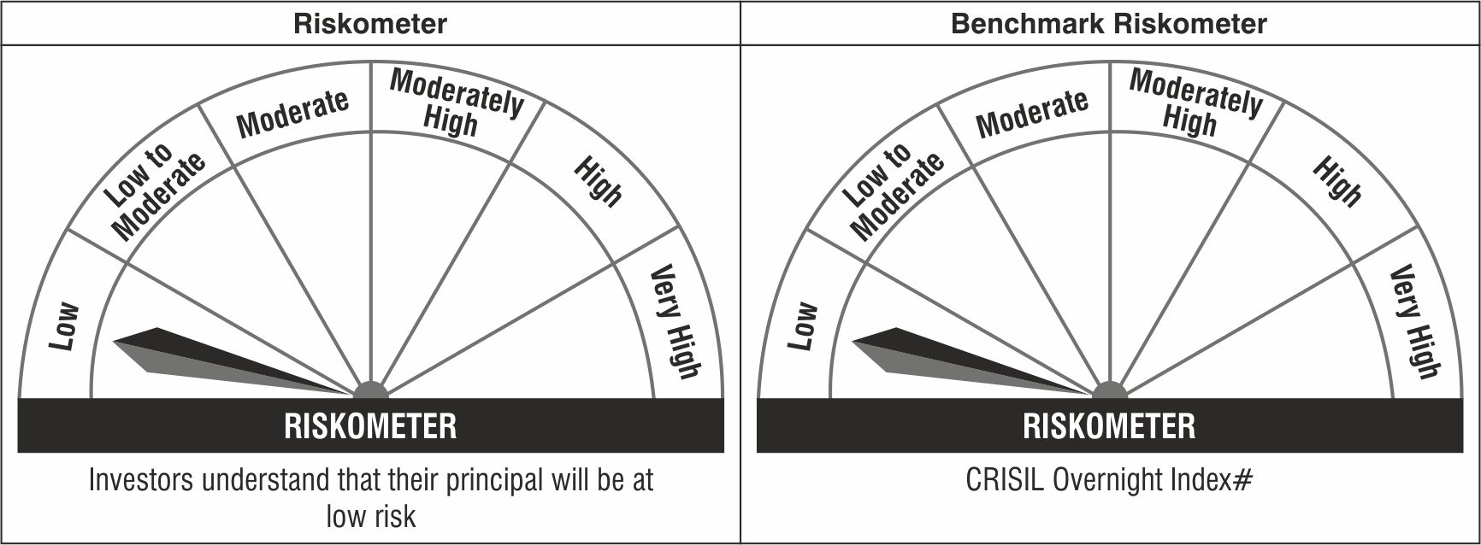

#CRISIL Benchmark Disclaimer : CRISIL Indices are the sole property of CRISIL Limited (CRISIL). CRISIL Indices shall not be copied, transmitted or distributed in any manner for any commercial use. CRISIL has taken due care and caution in computation of the Indices, based on the data obtained from sources, which it considers reliable. However, CRISIL does not guarantee the accuracy, adequacy or completeness of the Indices and is not responsible for any errors or for the results obtained from the use of the Indices. CRISIL especially states that it has no financial liability whatsoever to the users of CRISIL Indices.
### : Note: The scheme riskometers and benchmark riskometers are evaluated on monthly basis and the above riskometers are as per the evaluation of the portfolio data as on November 30, 2021.

