UFI03
Unifi Mutual Fund
Unifi Liquid Fund (An open-ended Liquid scheme. A relatively low interest rate risk and moderate credit risk)
Monthly Portfolio Statement as on 31 October 2025
Name of Instrument | ISIN | Rating/Industry | Quantity | Market Value (In Rs. lakh) | % To Net Assets | Yield to Maturity (YTM)

Debt Instruments
(a) Listed / awaiting listing on Stock Exchange
Non Convertible Debentures
9.90% Vastu Finserve India Private Limited 03-NOV-2025 ** | INE08Z607083 | CARE AA- | 1500 | 1,500.14 | 10.56% | 7.47%
10.20% Clix Capital Services Private Limited 10-NOV-2025 ** | INE157D07EE5 | CARE A+ | 874 | 874.23 | 6.15% | 8.92%
Subtotal |  |  |  | 2,374.37 | 16.71%
(b) Privately placed / Unlisted
Subtotal |  |  |  | NIL | NIL
(c) Securitised Debt
Subtotal |  |  |  | NIL | NIL
Total |  |  |  | 2,374.37 | 16.71%

Money Market Instruments
Commercial Papers
Nuvoco Vistas Corporation Limited 17-NOV-2025 ** | INE118D14910 | CRISIL A1+ | 300 | 1,495.83 | 10.53% | 6.37%
DSP Finance Private Limited 19-NOV-2025 ** | INE422H14016 | IND A1+ | 200 | 996.74 | 7.02% | 6.64%
Subtotal |  |  |  | 2,492.56 | 17.55%
Treasury Bills
91 Days Treasury Bill 06-Nov-2025 | IN002025X190 | SOVEREIGN | 5500000 | 5,495.84 | 38.69% | 5.52%
Subtotal |  |  |  | 5,495.84 | 38.69%
Tri Party Repo (TREPs)
TREPS | INTRPS031125 |  | 3550000 | 3,548.92 | 24.98%
Subtotal |  |  |  | 3,548.92 | 24.98%
Total |  |  |  | 11,537.32 | 81.22%

Mutual Fund Units/CDMDF
(a) Investment in Mutual Fund Units
Sub Total
(b)Corporate Debt Market Development Fund (CDMDF)
Corporate Debt Market Development Fund - Class A2 | INF0RQ622028 |  | 585.367 | 66.97 | 0.47%
Total |  |  |  | 66.97 | 0.47%

Others
Margin Money for derivative/TREPS |  |  |  | 50.00 | 0.35%
Net Current Assets |  |  |  | 176.91 | 1.25%
Total |  |  |  | 226.91 | 1.60%

GRAND TOTAL |  |  |  | 14,205.57 | 100.00%

**Thinly Traded/ Non Traded Securities/ Illiquid Securities
# Unlisted Securities
^^ As per AMFI Best Practices Circular dated 24 March 2021, Yield to Call (YTC) to be disclosed for Perpetual Bonds issued by Banks.
Net Current Assets includes interest accrued on fixed income securities - Wherever applicable.

Notes :
1) Exposure to securities classified as below investment grade or default as on 31st October ,2025 :
Name of security | ISIN Code | Net receivable/ market value | Net receivable/ market value
 |  | (Rs. in Lakhs) | (as % to NAV)
NIL | NIL | NIL | NIL
2) Total value and percentage of Illiquid equity/preference shares as on 31st October , 2025 is NIL
3) Net Assets Value per unit (in Rs) are as follows :

Plan/Option | As on October 31, 2025 | As on September 30, 2025
Direct Plan - Growth Option | 1,023.5526 | 1,018.3983
Regular Plan - Growth Option | 1,023.3118 | 1,018.2106

3) Details of Dividend declared per unit (in Rs.) during the Period 01 October 2025 to 31 October 2025 : NIL
4) No Bonus declared during the Period 01 October 2025 to 31 October 2025
5) Total outstanding exposure in derivative instruments as on October 31, 2025 : NIL
6) Total investments in Foreign Securities / Overseas ETFs as at October 31, 2025 and its percentage to NAV : NIL

Additional Notes:
1) Details of repo transactions in corporate debt securities for the month ended 31st October, 2025: NIL
2) Details of transactions of (Credit Default Swap) for the month ended 31st October, 2025 : NIL
3) Reverse Repo market value is considered as book cost plus accrued Interest.
4) Whether any security is in default beyond its maturity date: NIL
5) Deviation from the valuation prices given by valuation agencies - NIL
6) Macaulay Duration of the portfolio : 0.02 years
7) Average Maturity of the portfolio : 0.02 years
8) For more details on Scheme Performance, please refer to the following link: Click here

This product is suitable for investors who are seeking*:
• Regular Income over the short-term investment horizon
• Investment in debt and money market instruments with maturity upto 91 days.

Scheme’s Riskometer ( The risk of the scheme is Low to Moderate Risk) |  | Tier 1 Benchmark’s Riskometer-(Nifty Liquid Index A-I (TRI)) (The risk of the Benchmark is Low to Moderate Risk)
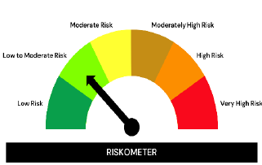
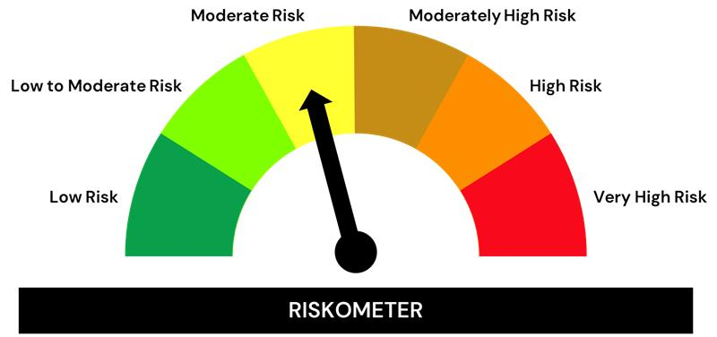

Investors understand that their principal will be at moderate risk. |  | Benchmark Risk-o-meter is low to moderate.

*Investors should consult their financial advisers if in doubt about whether the product is suitable for them.

The product labelling assigned during the NFO is based on internal assessment of the Scheme characteristics or model portfolio and the same may vary post NFO when the actual investments are made.
Potential Risk Class (“PRC”) Matrix of the Scheme
Potential Risk Class
Credit Risk → | Relatively Low (Class A) | Moderate (Class B) | Relatively High (Class C)
Interest Rate Risk ↓
Relatively Low |  | B I
Moderate
Relatively High
B-I – A Scheme with Relatively Low Interest Rate Risk and Moderate Credit Risk

