Overnight
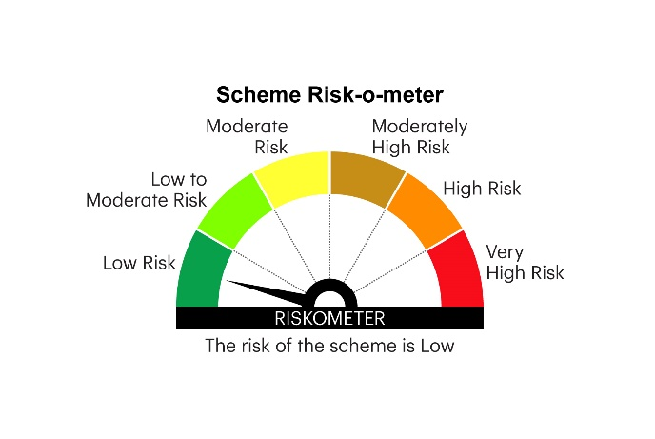
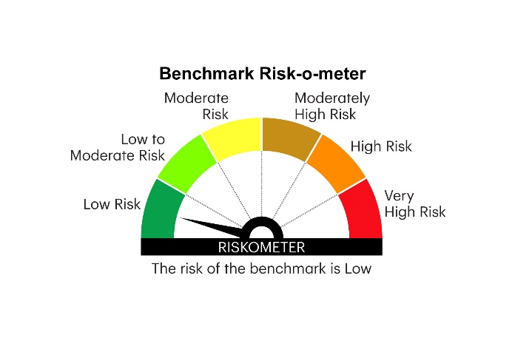
IOF | INVESCO MUTUAL FUND
 | Monthly Portfolio Statement as on November 30, 2024
 | Invesco India Overnight Fund (An open ended debt scheme investing in overnight securities.A relatively low interest rate risk and relatively low credit risk)

 | Name of the Instrument | ISIN | Rating | Quantity | Market/Fair Value (Rs. in Lakhs) | % to Net Assets | YTM
 | Money Market Instruments
 | Treasury Bill/Cash Management Bill
TBIL2296 | 364 Days Tbill 2024 | IN002023Z406 | SOVEREIGN | 1,000,000 | 996.82 | 1.45 | 6.46%
 | Sub Total |  |  |  | 996.82 | 1.45
 | TREPS / Reverse Repo
 | 6.80% Repo in Corporate Debt Securities |  |  |  | 4,397.54 | 6.41 | 6.80%
TRP_021224 | Triparty Repo |  |  |  | 63,186.35 | 92.12 | 6.73%
 | Sub Total |  |  |  | 67,583.89 | 98.53
 | Total |  |  |  | 68,580.71 | 99.98
 | Net Receivables / (Payables) |  |  |  | 14.02 | 0.02
 | GRAND TOTAL |  |  |  | 68,594.73 | 100.00

 | YTM - Yield To Maturity

 | Notes :
 | (1) Details of security in default beyond it's maturity date: Nil
 | (2) Total Value and percentage of illiquid equity shares: Nil
 | (3) Total outstanding exposure in derivative instruments as on November 30, 2024: Nil
 | (4) Total investments in Foreign Securities / Overseas ETFs as on November 30, 2024 and its percentage to NAV : Nil
 | (5) Deviation from the valuation prices given by valuation agencies during the month ended November 30, 2024: Nil
 |  |  |  |  | BENCHMARK NAME - NIFTY 1D RATE INDEX
 | SCHEME RISK-O-METER |  |  |  | BENCHMARK RISK-O-METER

