Overnight
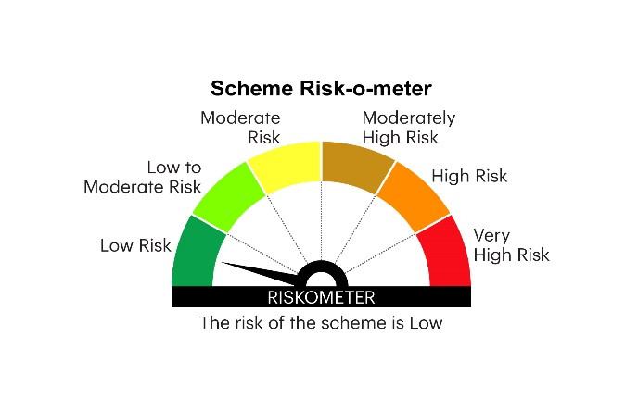
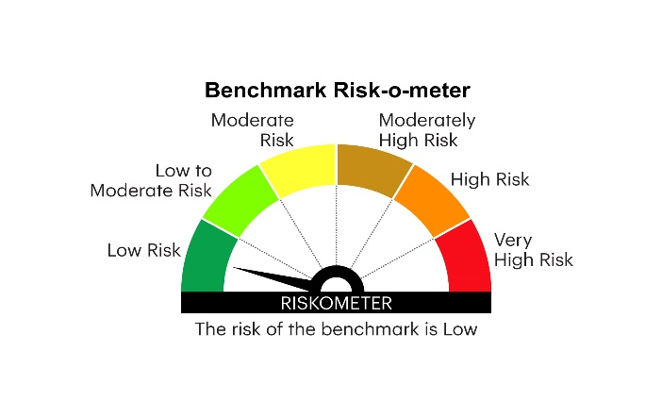
IOF | INVESCO MUTUAL FUND
 | Monthly Portfolio Statement as on December 31, 2024
 | Invesco India Overnight Fund (An open ended debt scheme investing in overnight securities.A relatively low interest rate risk and relatively low credit risk)

 | Name of the Instrument | ISIN | Rating | Quantity | Market/Fair Value (Rs. in Lakhs) | % to Net Assets | YTM
 | Money Market Instruments
 | Treasury Bill/Cash Management Bill
TBIL2419 | 91 Days Tbill 2025 | IN002024X284 | SOVEREIGN | 500,000 | 498.69 | 1.29 | 6.40%
TBIL2311 | 364 Days Tbill 2025 | IN002023Z455 | SOVEREIGN | 500,000 | 498.08 | 1.29 | 6.40%
 | Sub Total |  |  |  | 996.77 | 2.58
 | TREPS / Reverse Repo
 | 7.02% Repo in Corporate Debt Securities |  |  |  | 3,799.27 | 9.86 | 7.02%
TRP_010125 | Triparty Repo |  |  |  | 33,701.00 | 87.48 | 6.45%
 | Sub Total |  |  |  | 37,500.27 | 97.34
 | Total |  |  |  | 38,497.04 | 99.92
 | Net Receivables / (Payables) |  |  |  | 28.78 | 0.08
 | GRAND TOTAL |  |  |  | 38,525.82 | 100.00

 | YTM - Yield To Maturity

 | Notes :
 | (1) Details of security in default beyond it's maturity date: Nil
 | (2) Total Value and percentage of illiquid equity shares: Nil
 | (3) Total outstanding exposure in derivative instruments as on December 31, 2024: Nil
 | (4) Total investments in Foreign Securities / Overseas ETFs as on December 31, 2024 and its percentage to NAV : Nil
 | (5) Deviation from the valuation prices given by valuation agencies during the month ended December 31, 2024: Nil
 |  |  |  |  | BENCHMARK NAME - NIFTY 1D RATE INDEX
 | SCHEME RISK-O-METER |  |  |  | BENCHMARK RISK-O-METER

