Gilt Fund
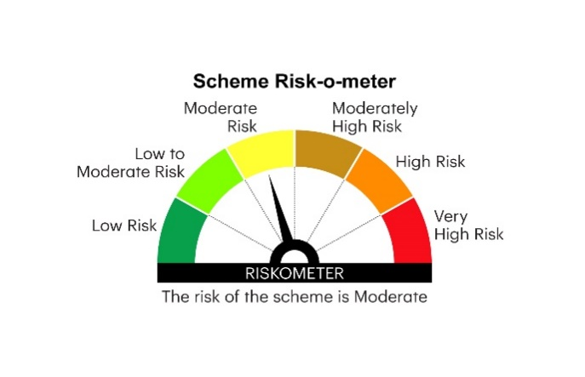

RGILTL | INVESCO MUTUAL FUND
 | Monthly Portfolio Statement as on January 31, 2025
 | Invesco India Gilt Fund (An open ended debt scheme investing in government securities across maturity. A relatively high interest rate risk and relatively low credit risk)

 | Name of the Instrument | ISIN | Rating | Quantity | Market/Fair Value (Rs. in Lakhs) | % to Net Assets | YTM
 | Debt Instruments
 | (a) Listed / awaiting listing on Stock Exchanges
GOI5728 | 7.34% Government of India 2064 | IN0020240035 | SOVEREIGN | 42,531,000 | 44,163.55 | 35.99 | 7.17%
GOI6019 | 7.09% Government of India 2054 | IN0020240118 | SOVEREIGN | 36,000,000 | 36,287.39 | 29.57 | 7.15%
GOI6156 | 6.79% Government of India 2034 | IN0020240126 | SOVEREIGN | 16,512,900 | 16,621.82 | 13.54 | 6.81%
GOI5152 | 7.3% Government of India 2053 | IN0020230051 | SOVEREIGN | 5,000,000 | 5,169.54 | 4.21 | 7.15%
GOI5196 | 7.18% Government of India 2037 | IN0020230077 | SOVEREIGN | 4,500,000 | 4,626.96 | 3.77 | 6.96%
GOI5721 | 7.23% Government of India 2039 | IN0020240027 | SOVEREIGN | 4,000,000 | 4,141.38 | 3.37 | 6.95%
GOI6240 | 7.09% Government of India 2074 | IN0020240142 | SOVEREIGN | 3,500,000 | 3,519.26 | 2.87 | 7.17%
GOI5713 | 7.1% Government of India 2034 | IN0020240019 | SOVEREIGN | 1,000,000 | 1,024.06 | 0.83 | 6.86%
 | Sub Total |  |  |  | 115,553.96 | 94.15
 | (b) Privately placed / Unlisted |  |  |  | Nil | Nil | Nil
 | Sub Total |  |  |  | Nil | Nil | Nil
 | Total |  |  |  | 115,553.96 | 94.15
 | Money Market Instruments
 | TREPS / Reverse Repo
TRP_030225 | Triparty Repo |  |  |  | 10,331.28 | 8.42 | 6.57%
 | Sub Total |  |  |  | 10,331.28 | 8.42
 | Total |  |  |  | 10,331.28 | 8.42
 | Net Receivables / (Payables) |  |  |  | (3,162.23) | (2.57)
 | GRAND TOTAL |  |  |  | 122,723.01 | 100.00

 | YTM - Yield To Maturity

 | Notes :
 | (1) Details of security in default beyond it's maturity date: Nil
 | (2) Total Value and percentage of illiquid equity shares: Nil
 | (3) Total outstanding exposure in derivative instruments as on January 31, 2025: Nil
 | (4) Total investments in Foreign Securities / Overseas ETFs as on January 31, 2025 and its percentage to NAV : Nil
 | (5) Deviation from the valuation prices given by valuation agencies during the month ended January 31, 2025: Nil
 |  |  |  |  | BENCHMARK NAME - NIFTY ALL DURATION G-SEC INDEX
 | SCHEME RISK-O-METER |  |  |  | BENCHMARK RISK-O-METER

