Gilt Fund
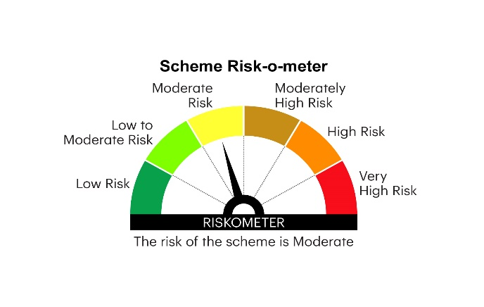

RGILTL | INVESCO MUTUAL FUND
 | Monthly Portfolio Statement as on February 28, 2025
 | Invesco India Gilt Fund (An open ended debt scheme investing in government securities across maturity. A relatively high interest rate risk and relatively low credit risk)

 | Name of the Instrument | ISIN | Rating | Quantity | Market/Fair Value (Rs. in Lakhs) | % to Net Assets | YTM
 | Debt Instruments
 | (a) Listed / awaiting listing on Stock Exchanges
GOI5728 | 7.34% Government of India 2064 | IN0020240035 | SOVEREIGN | 40,031,000 | 41,010.80 | 33.62 | 7.28%
GOI6019 | 7.09% Government of India 2054 | IN0020240118 | SOVEREIGN | 33,500,000 | 33,310.56 | 27.31 | 7.26%
GOI6156 | 6.79% Government of India 2034 | IN0020240126 | SOVEREIGN | 16,012,900 | 16,086.45 | 13.19 | 6.84%
GOI6240 | 7.09% Government of India 2074 | IN0020240142 | SOVEREIGN | 11,000,000 | 10,906.42 | 8.94 | 7.28%
GOI5196 | 7.18% Government of India 2037 | IN0020230077 | SOVEREIGN | 4,500,000 | 4,598.40 | 3.77 | 7.03%
GOI5721 | 7.23% Government of India 2039 | IN0020240027 | SOVEREIGN | 4,000,000 | 4,112.61 | 3.37 | 7.03%
GOI5152 | 7.3% Government of India 2053 | IN0020230051 | SOVEREIGN | 2,500,000 | 2,553.48 | 2.09 | 7.25%
GOI6226 | 6.92% Government of India 2039 | IN0020240134 | SOVEREIGN | 2,000,000 | 2,003.24 | 1.64 | 7.02%
GOI5713 | 7.1% Government of India 2034 | IN0020240019 | SOVEREIGN | 1,000,000 | 1,021.35 | 0.84 | 6.90%
 | Sub Total |  |  |  | 115,603.31 | 94.77
 | (b) Privately placed / Unlisted |  |  |  | Nil | Nil | Nil
 | Sub Total |  |  |  | Nil | Nil | Nil
 | Total |  |  |  | 115,603.31 | 94.77
 | Money Market Instruments
 | TREPS / Reverse Repo
TRP_030325 | Triparty Repo |  |  |  | 4,108.59 | 3.37 | 6.27%
 | Sub Total |  |  |  | 4,108.59 | 3.37
 | Total |  |  |  | 4,108.59 | 3.37
 | Net Receivables / (Payables) |  |  |  | 2,276.78 | 1.86
 | GRAND TOTAL |  |  |  | 121,988.68 | 100.00

 | YTM - Yield To Maturity

 | Notes :
 | (1) Details of security in default beyond it's maturity date: Nil
 | (2) Total Value and percentage of illiquid equity shares: Nil
 | (3) Total outstanding exposure in derivative instruments as on February 28, 2025: Nil
 | (4) Total investments in Foreign Securities / Overseas ETFs as on February 28, 2025 and its percentage to NAV : Nil
 | (5) Deviation from the valuation prices given by valuation agencies during the month ended February 28, 2025: Nil
 |  |  |  |  | BENCHMARK NAME - NIFTY ALL DURATION G-SEC INDEX
 | SCHEME RISK-O-METER |  |  |  | BENCHMARK RISK-O-METER

