Gilt Fund
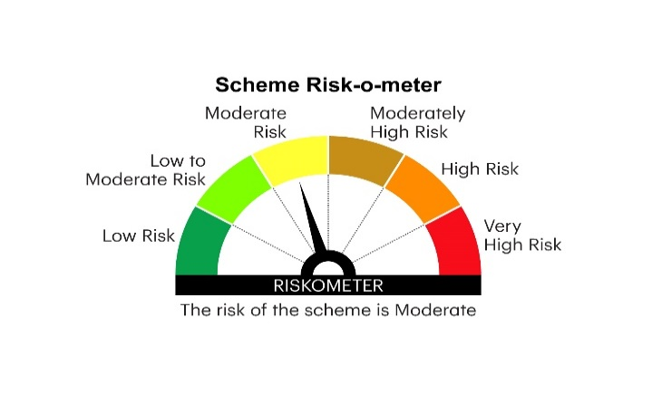

RGILTL | INVESCO MUTUAL FUND
 | Monthly Portfolio Statement as on April 30, 2025
 | Invesco India Gilt Fund (An open ended debt scheme investing in government securities across maturity. A relatively high interest rate risk and relatively low credit risk)

 | Name of the Instrument | ISIN | Rating | Quantity | Market/Fair Value (Rs. in Lakhs) | % to Net Assets | YTM
 | Debt Instruments
 | (a) Listed / awaiting listing on Stock Exchanges
GOI6019 | 7.09% Government of India 2054 | IN0020240118 | SOVEREIGN | 23,000,000 | 23,898.82 | 34.53 | 6.89%
GOI5728 | 7.34% Government of India 2064 | IN0020240035 | SOVEREIGN | 21,531,000 | 23,081.30 | 33.34 | 6.93%
GOI6226 | 6.92% Government of India 2039 | IN0020240134 | SOVEREIGN | 12,000,000 | 12,527.41 | 18.10 | 6.55%
GOI6420 | 7.14% State Government Securities 2039 | IN2220240435 | SOVEREIGN | 3,400,000 | 3,516.38 | 5.08 | 6.87%
GOI6156 | 6.79% Government of India 2034 | IN0020240126 | SOVEREIGN | 2,012,900 | 2,073.69 | 3.00 | 6.46%
GOI6638 | 6.9% Government of India 2065 | IN0020250018 | SOVEREIGN | 1,243,200 | 1,261.09 | 1.82 | 6.91%
 | Sub Total |  |  |  | 66,358.69 | 95.87
 | (b) Privately placed / Unlisted |  |  |  | Nil | Nil | Nil
 | Sub Total |  |  |  | Nil | Nil | Nil
 | Total |  |  |  | 66,358.69 | 95.87
 | Money Market Instruments
 | TREPS / Reverse Repo
TRP_020525 | Triparty Repo |  |  |  | 1,837.40 | 2.65 | 5.95%
 | Sub Total |  |  |  | 1,837.40 | 2.65
 | Total |  |  |  | 1,837.40 | 2.65
 | Net Receivables / (Payables) |  |  |  | 1,023.86 | 1.48
 | GRAND TOTAL |  |  |  | 69,219.95 | 100.00

 | YTM - Yield To Maturity

 | Notes :
 | (1) Details of security in default beyond it's maturity date: Nil
 | (2) Total Value and percentage of illiquid equity shares: Nil
 | (3) Total outstanding exposure in derivative instruments as on April 30, 2025: Nil
 | (4) Total investments in Foreign Securities / Overseas ETFs as on April 30, 2025 and its percentage to NAV : Nil
 | (5) Deviation from the valuation prices given by valuation agencies during the month ended April 30, 2025: Nil
 |  |  |  |  | BENCHMARK NAME - NIFTY ALL DURATION G-SEC INDEX
 | SCHEME RISK-O-METER |  |  |  | BENCHMARK RISK-O-METER

