Gilt Fund
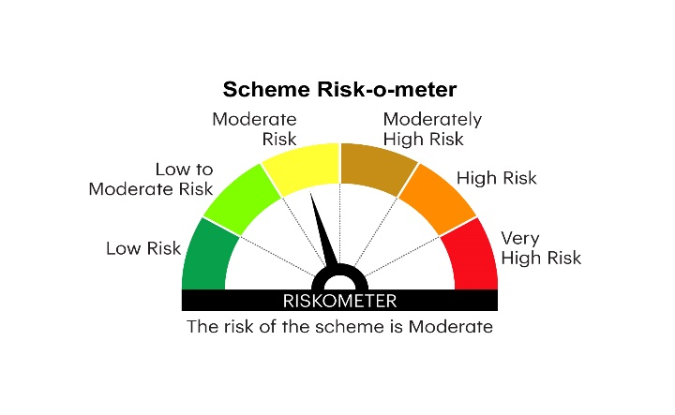

RGILTL | INVESCO MUTUAL FUND
 | Monthly Portfolio Statement as on June 30, 2025
 | Invesco India Gilt Fund (An open ended debt scheme investing in government securities across maturity. A relatively high interest rate risk and relatively low credit risk)

 | Name of the Instrument | ISIN | Rating | Quantity | Market/Fair Value (Rs. in Lakhs) | % to Net Assets | YTM
 | Debt Instruments
 | (a) Listed / awaiting listing on Stock Exchanges
GOI6156 | 6.79% Government of India 2034 | IN0020240126 | SOVEREIGN | 13,500,000 | 13,880.61 | 23.92 | 6.48%
GOI5833 | 7.02% Government of India 2031 | IN0020240076 | SOVEREIGN | 10,500,000 | 10,910.98 | 18.80 | 6.32%
GOI6019 | 7.09% Government of India 2054 | IN0020240118 | SOVEREIGN | 10,500,000 | 10,548.10 | 18.18 | 7.18%
GOI5728 | 7.34% Government of India 2064 | IN0020240035 | SOVEREIGN | 10,000,000 | 10,300.38 | 17.75 | 7.24%
GOI6226 | 6.92% Government of India 2039 | IN0020240134 | SOVEREIGN | 5,000,000 | 5,113.57 | 8.81 | 6.78%
GOI2990 | 6.57% State Government Securities 2031 | IN3120200347 | SOVEREIGN | 2,500,000 | 2,497.77 | 4.30 | 6.70%
GOI2713 | 6.5% State Government Securities 2030 | IN3120200255 | SOVEREIGN | 1,000,000 | 1,001.68 | 1.73 | 6.56%
 | Sub Total |  |  |  | 54,253.09 | 93.49
 | (b) Privately placed / Unlisted |  |  |  | Nil | Nil | Nil
 | Sub Total |  |  |  | Nil | Nil | Nil
 | Total |  |  |  | 54,253.09 | 93.49
 | Money Market Instruments
 | TREPS / Reverse Repo
TRP_010725 | Triparty Repo |  |  |  | 2,754.50 | 4.75 | 5.43%
 | Sub Total |  |  |  | 2,754.50 | 4.75
 | Total |  |  |  | 2,754.50 | 4.75
 | Net Receivables / (Payables) |  |  |  | 1,021.96 | 1.76
 | GRAND TOTAL |  |  |  | 58,029.55 | 100.00

 | YTM - Yield To Maturity

 | Notes :
 | (1) Details of security in default beyond it's maturity date: Nil
 | (2) Total Value and percentage of illiquid equity shares: Nil
 | (3) Total outstanding exposure in derivative instruments as on June 30, 2025: Nil
 | (4) Total investments in Foreign Securities / Overseas ETFs as on June 30, 2025 and its percentage to NAV : Nil
 | (5) Deviation from the valuation prices given by valuation agencies during the month ended June 30, 2025: Nil
 |  |  |  |  | BENCHMARK NAME - NIFTY ALL DURATION G-SEC INDEX
 | SCHEME RISK-O-METER |  |  |  | BENCHMARK RISK-O-METER

