Gilt Fund
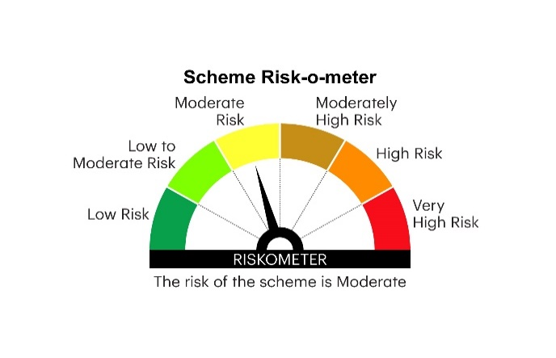

RGILTL | INVESCO MUTUAL FUND
 | Monthly Portfolio Statement as on July 31, 2025
 | Invesco India Gilt Fund (An open ended debt scheme investing in government securities across maturity. A relatively high interest rate risk and relatively low credit risk)

 | Name of the Instrument | ISIN | Rating | Quantity | Market/Fair Value (Rs. in Lakhs) | % to Net Assets | YTM
 | Debt Instruments
 | (a) Listed / awaiting listing on Stock Exchanges
GOI6019 | 7.09% Government of India 2054 | IN0020240118 | SOVEREIGN | 18,500,000 | 18,638.68 | 34.70 | 7.15%
GOI6638 | 6.9% Government of India 2065 | IN0020250018 | SOVEREIGN | 13,500,000 | 13,174.07 | 24.53 | 7.21%
GOI6156 | 6.79% Government of India 2034 | IN0020240126 | SOVEREIGN | 6,000,000 | 6,151.36 | 11.45 | 6.52%
GOI5833 | 7.02% Government of India 2031 | IN0020240076 | SOVEREIGN | 5,000,000 | 5,197.51 | 9.68 | 6.30%
GOI6703 | 6.33% Government of India 2035 | IN0020250026 | SOVEREIGN | 5,000,000 | 4,982.93 | 9.28 | 6.48%
GOI2713 | 6.5% State Government Securities 2030 | IN3120200255 | SOVEREIGN | 1,000,000 | 1,000.13 | 1.86 | 6.60%
 | Sub Total |  |  |  | 49,144.68 | 91.50
 | (b) Privately placed / Unlisted |  |  |  | Nil | Nil | Nil
 | Sub Total |  |  |  | Nil | Nil | Nil
 | Total |  |  |  | 49,144.68 | 91.50
 | Money Market Instruments
 | TREPS / Reverse Repo
TRP_010825 | Triparty Repo |  |  |  | 708.30 | 1.32 | 5.41%
 | Sub Total |  |  |  | 708.30 | 1.32
 | Total |  |  |  | 708.30 | 1.32
 | Net Receivables / (Payables) |  |  |  | 3,859.56 | 7.18
 | GRAND TOTAL |  |  |  | 53,712.54 | 100.00

 | YTM - Yield To Maturity

 | Notes :
 | (1) Details of security in default beyond it's maturity date: Nil
 | (2) Total Value and percentage of illiquid equity shares: Nil
 | (3) Total outstanding exposure in derivative instruments as on July 31, 2025: Nil
 | (4) Total investments in Foreign Securities / Overseas ETFs as on July 31, 2025 and its percentage to NAV : Nil
 | (5) Deviation from the valuation prices given by valuation agencies during the month ended July 31, 2025: Nil
 |  |  |  |  | BENCHMARK NAME - NIFTY ALL DURATION G-SEC INDEX
 | SCHEME RISK-O-METER |  |  |  | BENCHMARK RISK-O-METER

