Banking and PSU
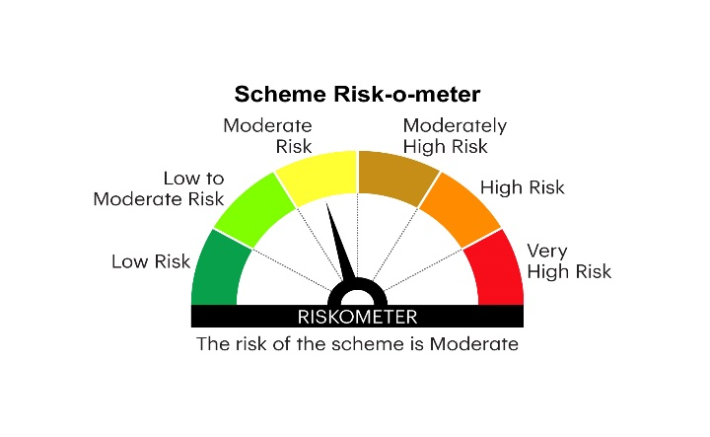

RBDF | INVESCO MUTUAL FUND
 | Monthly Portfolio Statement as on June 30, 2025
 | Invesco India Banking and PSU Fund (An open ended debt scheme predominantly investing in Debt instruments of banks, Public Sector Undertakings,Public Financial Institutions and Municipal Bonds. A relatively high interest rate risk and relatively low credit risk)

 | Name of the Instrument | ISIN | Rating | Quantity | Market/Fair Value (Rs. in Lakhs) | % to Net Assets | YTM
 | Debt Instruments
 | (a) Listed / awaiting listing on Stock Exchanges
EXIM765 | 7.4% Export Import Bank of India 2029 ** | INE514E08GC2 | CRISIL AAA | 850,000 | 868.23 | 8.28 | 6.71%
NBAR747 | 7.68% National Bank For Agriculture and Rural Development 2029 | INE261F08EG3 | CRISIL AAA | 800,000 | 821.43 | 7.83 | 6.85%
IRLY383 | 7.37% Indian Railway Finance Corporation Limited 2029 ** | INE053F08411 | CRISIL AAA | 800,000 | 817.75 | 7.79 | 6.73%
GOI5228 | 7.18% Government of India 2033 | IN0020230085 | SOVEREIGN | 500,000 | 524.18 | 5.00 | 6.51%
GOI5196 | 7.18% Government of India 2037 | IN0020230077 | SOVEREIGN | 500,000 | 522.68 | 4.98 | 6.74%
GOI5081 | 7.17% Government of India 2030 | IN0020230036 | SOVEREIGN | 500,000 | 522.00 | 4.98 | 6.19%
BKBA391 | 7.68% Bank of Baroda 2033 ** | INE028A08307 | CRISIL AAA | 500,000 | 520.70 | 4.96 | 7.00%
POWF411 | 7.85% Power Finance Corporation Limited 2028 ** | INE134E08JP5 | CRISIL AAA | 500,000 | 515.54 | 4.91 | 6.70%
NHAI65 | 7.49% National Highways Authority Of India 2029 ** | INE906B07HG7 | CRISIL AAA | 500,000 | 514.60 | 4.90 | 6.65%
GOI6156 | 6.79% Government of India 2034 | IN0020240126 | SOVEREIGN | 500,000 | 514.10 | 4.90 | 6.48%
HPEC300 | 7.64% Hindustan Petroleum Corporation Limited 2027 ** | INE094A08135 | CRISIL AAA | 500,000 | 511.82 | 4.88 | 6.50%
NHBA336 | 7.35% National Housing Bank 2032 ** | INE557F08GD6 | CARE AAA | 500,000 | 511.06 | 4.87 | 6.91%
RECL426 | 7.55% REC Limited 2028 ** | INE020B08EA5 | CRISIL AAA | 500,000 | 510.75 | 4.87 | 6.65%
NABA20 | 7.43% National Bank For Financing Infrastructure And Development 2033 ** | INE0KUG08019 | CRISIL AAA | 500,000 | 508.23 | 4.84 | 7.15%
IBCL1127 | 6.45% ICICI Bank Limited 2028 ** | INE090A08UE8 | ICRA AAA | 500,000 | 493.35 | 4.70 | 6.96%
PGCI458 | 7.7% Power Grid Corporation of India Limited 2033 ** | INE752E08718 | CRISIL AAA | 500,000 | 463.02 | 4.41 | 6.84%
PGCI455 | 7.52% Power Grid Corporation of India Limited 2033 ** | INE752E08684 | CRISIL AAA | 500,000 | 411.30 | 3.92 | 6.84%
 | Sub Total |  |  |  | 9,550.74 | 91.02
 | (b) Privately placed / Unlisted |  |  |  | Nil | Nil | Nil
 | Sub Total |  |  |  | Nil | Nil | Nil
 | Total |  |  |  | 9,550.74 | 91.02
 | Money Market Instruments
 | TREPS / Reverse Repo
TRP_010725 | Triparty Repo |  |  |  | 656.50 | 6.26 | 5.43%
 | Sub Total |  |  |  | 656.50 | 6.26
 | Total |  |  |  | 656.50 | 6.26
 | Others
 | Corporate Debt Market Development Fund
CDMD50ME | Corporate Debt Market Development Fund Class A2 | INF0RQ622028 |  | 330 | 37.06 | 0.35
 | Sub Total |  |  |  | 37.06 | 0.35
 | Total |  |  |  | 37.06 | 0.35
 | Net Receivables / (Payables) |  |  |  | 247.61 | 2.37
 | GRAND TOTAL |  |  |  | 10,491.91 | 100.00

 | YTM - Yield To Maturity
 | ** Non Traded Security

 | Notes :
 | (1) Details of security in default beyond it's maturity date: Nil
 | (2) Total Value and percentage of illiquid equity shares: Nil
 | (3) Total outstanding exposure in derivative instruments as on June 30, 2025: Nil
 | (4) Total investments in Foreign Securities / Overseas ETFs as on June 30, 2025 and its percentage to NAV : Nil
 | (5) Deviation from the valuation prices given by valuation agencies during the month ended June 30, 2025: Nil
 |  |  |  |  | BENCHMARK NAME - NIFTY BANKING & PSU DEBT INDEX A-II
 | SCHEME RISK-O-METER |  |  |  | BENCHMARK RISK-O-METER

