Banking and PSU
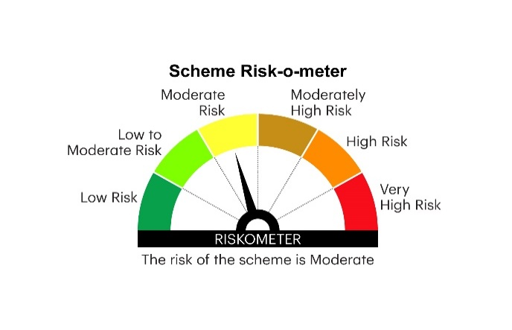

RBDF | INVESCO MUTUAL FUND
 | Monthly Portfolio Statement as on July 31, 2025
 | Invesco India Banking and PSU Fund (An open ended debt scheme predominantly investing in Debt instruments of banks, Public Sector Undertakings,Public Financial Institutions and Municipal Bonds. A relatively high interest rate risk and relatively low credit risk)

 | Name of the Instrument | ISIN | Rating | Quantity | Market/Fair Value (Rs. in Lakhs) | % to Net Assets | YTM
 | Debt Instruments
 | (a) Listed / awaiting listing on Stock Exchanges
GOI6156 | 6.79% Government of India 2034 | IN0020240126 | SOVEREIGN | 1,500,000 | 1,537.84 | 9.12 | 6.52%
EXIM765 | 7.4% Export Import Bank of India 2029 ** | INE514E08GC2 | CRISIL AAA | 850,000 | 870.09 | 5.16 | 6.63%
NBAR747 | 7.68% National Bank For Agriculture and Rural Development 2029 | INE261F08EG3 | CRISIL AAA | 800,000 | 823.01 | 4.88 | 6.77%
IRLY383 | 7.37% Indian Railway Finance Corporation Limited 2029 ** | INE053F08411 | CRISIL AAA | 800,000 | 819.56 | 4.86 | 6.65%
SIDB591 | 7.42% Small Industries Dev Bank of India 2029 ** | INE556F08KW0 | CRISIL AAA | 800,000 | 816.26 | 4.84 | 6.75%
GOI5228 | 7.18% Government of India 2033 | IN0020230085 | SOVEREIGN | 500,000 | 523.06 | 3.10 | 6.54%
GOI5081 | 7.17% Government of India 2030 | IN0020230036 | SOVEREIGN | 500,000 | 522.24 | 3.10 | 6.16%
GOI5196 | 7.18% Government of India 2037 | IN0020230077 | SOVEREIGN | 500,000 | 522.00 | 3.10 | 6.75%
BKBA391 | 7.68% Bank of Baroda 2033 ** | INE028A08307 | CRISIL AAA | 500,000 | 520.49 | 3.09 | 7.01%
GOI5833 | 7.02% Government of India 2031 | IN0020240076 | SOVEREIGN | 500,000 | 519.75 | 3.08 | 6.30%
POWF411 | 7.85% Power Finance Corporation Limited 2028 ** | INE134E08JP5 | CRISIL AAA | 500,000 | 515.31 | 3.06 | 6.68%
NHAI65 | 7.49% National Highways Authority Of India 2029 ** | INE906B07HG7 | CRISIL AAA | 500,000 | 514.34 | 3.05 | 6.65%
NHBA336 | 7.35% National Housing Bank 2032 ** | INE557F08GD6 | CARE AAA | 500,000 | 512.97 | 3.04 | 6.83%
HPEC300 | 7.64% Hindustan Petroleum Corporation Limited 2027 ** | INE094A08135 | CRISIL AAA | 500,000 | 512.18 | 3.04 | 6.43%
RECL426 | 7.55% REC Limited 2028 ** | INE020B08EA5 | CRISIL AAA | 500,000 | 510.92 | 3.03 | 6.61%
NABA20 | 7.43% National Bank For Financing Infrastructure And Development 2033 ** | INE0KUG08019 | CRISIL AAA | 500,000 | 508.52 | 3.02 | 7.14%
HDFB463 | 7.95% HDFC Bank Limited 2026 | INE040A08369 | CRISIL AAA | 500,000 | 506.49 | 3.00 | 6.70%
IBCL1127 | 6.45% ICICI Bank Limited 2028 ** | INE090A08UE8 | ICRA AAA | 500,000 | 494.64 | 2.93 | 6.87%
PGCI458 | 7.7% Power Grid Corporation of India Limited 2033 ** | INE752E08718 | CRISIL AAA | 500,000 | 462.52 | 2.74 | 6.87%
PGCI455 | 7.52% Power Grid Corporation of India Limited 2033 ** | INE752E08684 | CRISIL AAA | 500,000 | 410.83 | 2.44 | 6.87%
 | Sub Total |  |  |  | 12,423.02 | 73.68
 | (b) Privately placed / Unlisted |  |  |  | Nil | Nil | Nil
 | Sub Total |  |  |  | Nil | Nil | Nil
 | Total |  |  |  | 12,423.02 | 73.68
 | Money Market Instruments
 | Certificate of Deposit
KMBK875 | Kotak Mahindra Bank Limited 2026 ** # | INE237A162Z2 | CRISIL A1+ | 1,000,000 | 973.24 | 5.77 | 6.01%
UTIB1350 | Axis Bank Limited 2026 ** # | INE238AD6AO8 | CRISIL A1+ | 800,000 | 772.20 | 4.58 | 6.08%
 | Sub Total |  |  |  | 1,745.44 | 10.35
 | TREPS / Reverse Repo
TRP_010825 | Triparty Repo |  |  |  | 2,276.00 | 13.50 | 5.41%
 | Sub Total |  |  |  | 2,276.00 | 13.50
 | Total |  |  |  | 4,021.44 | 23.85
 | Others
 | Corporate Debt Market Development Fund
CDMD50ME | Corporate Debt Market Development Fund Class A2 | INF0RQ622028 |  | 351 | 39.60 | 0.23
 | Sub Total |  |  |  | 39.60 | 0.23
 | Total |  |  |  | 39.60 | 0.23
 | Net Receivables / (Payables) |  |  |  | 371.34 | 2.24
 | GRAND TOTAL |  |  |  | 16,855.40 | 100.00

 | YTM - Yield To Maturity
 | ** Non Traded Security
 | # Unlisted Security

 | Notes :
 | (1) Details of security in default beyond it's maturity date: Nil
 | (2) Total Value and percentage of illiquid equity shares: Nil
 | (3) Total outstanding exposure in derivative instruments as on July 31, 2025: Nil
 | (4) Total investments in Foreign Securities / Overseas ETFs as on July 31, 2025 and its percentage to NAV : Nil
 | (5) Deviation from the valuation prices given by valuation agencies during the month ended July 31, 2025: Nil
 |  |  |  |  | BENCHMARK NAME - NIFTY BANKING & PSU DEBT INDEX A-II
 | SCHEME RISK-O-METER |  |  |  | BENCHMARK RISK-O-METER

