Credit Risk
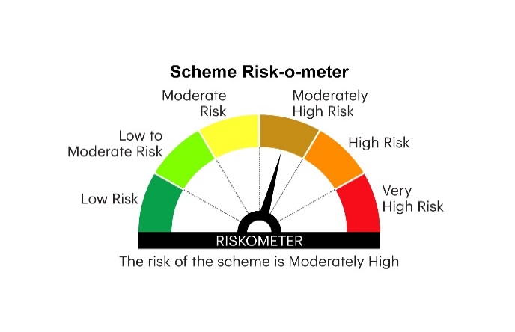
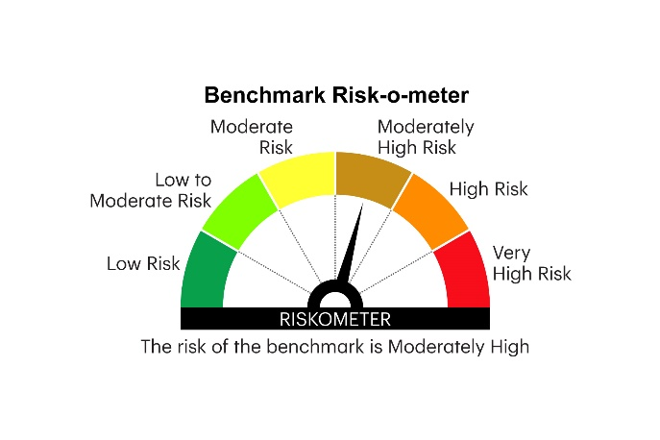
RICBOF | INVESCO MUTUAL FUND
 | Monthly Portfolio Statement as on May 31, 2025
 | Invesco India Credit Risk Fund (An open ended debt scheme predominantly investing in AA and below rated corporate bonds (excluding AA+ rated corporate bonds). A relatively high interest rate risk and moderate credit risk)

 | Name of the Instrument | ISIN | Industry*/Rating | Quantity | Market/Fair Value (Rs. in Lakhs) | % to Net Assets | YTM
 | Equity & Equity related
 | (a) Listed / awaiting listing on Stock Exchange |  |  |  | Nil | Nil | Nil
 | Sub Total |  |  |  | Nil | Nil | Nil
 | (b) Unlisted
SINT04 | Sintex Industries Ltd ** ^ | INE429C01043 | Textiles & Apparels | 2,351,392 | 7.19 | 0.05
 | Sub Total |  |  |  | 7.19 | 0.05
 | Total |  |  |  | 7.19 | 0.05
 | InvITs Instruments (a) Listed / awaiting listing on Stock Exchange
 | (a) Listed / awaiting listing on Stock Exchange
GOI5228 | Roadstar Infra Investment Trust **@ | INE0JEI23010 | Transport Infrastructure | 400,000 | 201.96 | 1.35
OPAL47 | Sub Total |  |  |  | 201.96 | 1.35
CENT241 | Total |  |  |  | 201.96 | 1.35
JVSL211 | Debt Instruments
GOI5196 | (a) Listed / awaiting listing on Stock Exchanges
GOI5228 | 7.18% Government of India 2033 | IN0020230085 | SOVEREIGN | 2,000,000 | 2,116.07 | 14.12 | 6.36%
CRFS83 | 8.29% ONGC Petro Additions Limited 2027 ** | INE163N08289 | ICRA AA | 1,200,000 | 1,218.36 | 8.13 | 7.23%
TATP38 | 8.1% Aditya Birla Real Estate Limited 2026 ** | INE055A08037 | CRISIL AA | 1,200,000 | 1,207.72 | 8.06 | 7.34%
THDC180 | 8.5% JSW Steel Limited 2027 ** | INE019A07431 | CARE AA | 1,200,000 | 1,205.34 | 8.04 | 7.15%
GOI5196 | 7.18% Government of India 2037 | IN0020230077 | SOVEREIGN | 1,000,000 | 1,065.03 | 7.11 | 6.50%
GOI5721 | 8.65% Aadhar Housing Finance Limited 2027 ** | INE883F07330 | ICRA AA | 1,000,000 | 1,018.33 | 6.80 | 7.72%
GOI5379 | 9.03% Credila Financial Services Limited 2026 ** | INE539K07270 | CARE AA | 1,000,000 | 1,009.73 | 6.74 | 7.51%
GOI5713 | 8.20% Tata Projects Limited 2026 ** | INE725H08121 | FITCH AA | 1,000,000 | 1,007.82 | 6.73 | 7.27%
TATP37 | 8.2175% Tata Housing Development Company Limited 2027 ** | INE582L08052 | CARE AA | 1,000,000 | 1,004.61 | 6.70 | 7.07%
 | 8.30% TVS Credit Services Limited 2025 ** | INE729N07032 | CRISIL AA+ | 1,000,000 | 1,002.90 | 6.69 | 7.19%
GOI5721 | 7.23% Government of India 2039 | IN0020240027 | SOVEREIGN | 816,300 | 876.07 | 5.85 | 6.53%
GOI5379 | 7.32% Government of India 2030 | IN0020230135 | SOVEREIGN | 500,000 | 531.67 | 3.55 | 6.03%
GOI5713 | 7.1% Government of India 2034 | IN0020240019 | SOVEREIGN | 500,000 | 527.09 | 3.52 | 6.39%
 | 7.99% Tata Projects Limited 2025 ** | INE725H08105 | FITCH AA | 200,000 | 200.44 | 1.34 | 6.98%
 | Sub Total |  |  |  | 13,991.18 | 93.38
TRP_020625 | (b) Privately placed / Unlisted |  |  |  | Nil | Nil | Nil
 | Sub Total |  |  |  | Nil | Nil | Nil
 | Total |  |  |  | 13,991.18 | 93.38
 | Money Market Instruments
 | TREPS / Reverse Repo
CDMD50ME | Triparty Repo |  |  |  | 337.85 | 2.25 | 5.84%
 | Sub Total |  |  |  | 337.85 | 2.25
 | Total |  |  |  | 337.85 | 2.25
 | Others
 | Corporate Debt Market Development Fund
 | Corporate Debt Market Development Fund Class A2 | INF0RQ622028 |  | 353 | 39.52 | 0.26
 | Sub Total |  |  |  | 39.52 | 0.26
 | Total |  |  |  | 39.52 | 0.26
 | Net Receivables / (Payables) |  |  |  | 407.27 | 2.71
 | GRAND TOTAL |  |  |  | 14,984.97 | 100.00

 | YTM - Yield To Maturity
 | * Industry Classification is as recommended by AMFI
 | ** Non Traded Security
 | ^Pursuant to the approval of resolution plan for Sintex Industries Limited by the National Company Law Tribunal, Ahmedabad Bench on 10 February 2023, the Scheme had on 28 March 2023 received an amount of INR 4.79 Crores along-with 2,351,392 unlisted equity shares (FV INR 1 each) of Sintex Industries Limited ( ISIN: INE429C01043) as full and final settlement, performance and satisfaction, of all outstanding claims and dues from Sintex Industries Limited. The unlisted equity shares have been valued in line with valuation methodology prescribed pursuant to para 9.8 of SEBI master circular for Mutual funds dated June 27, 2024.

 | @ Pursuant to resolution plan for IL&FS Transportation Network Ltd. (‘ITNL’), the scheme received an amount of Rs 71.13 Lacs on February 27, 2025, and 4,00,000 units of Roadstar Infra Investment Trust (‘Roadstar InvITs’) having face value of Rs.100 each on March 07, 2025, as a part of the second interim distribution. Units of Roadstar InvITs were listed on the stock exchange on March 11, 2025. However, there was no volume in units of Roadstar InvITs on the stock exchanges since the date of listing till March 31, 2025. Hence, the Units of Roadstar InvITs are valued in good faith to ensure fair valuation and in line with valuation policy.

 | Notes :
 | (1) Details of security in default beyond it's maturity date: Nil
 | (2) Total Value and percentage of illiquid equity shares is ₹ 7.19 Lacs & 0.05% respectively.
 | (3) Total outstanding exposure in derivative instruments as on May 31, 2025: Nil
 | (4) Total investments in Foreign Securities / Overseas ETFs as on May 31, 2025 and its percentage to NAV : Nil
 | (5) Deviation from the valuation prices given by valuation agencies during the month ended May 31, 2025: Nil

 |  |  |  |  | BENCHMARK NAME - NIFTY CREDIT RISK BOND INDEX B-II
 | SCHEME RISK-O-METER |  |  |  | BENCHMARK RISK-O-METER

