Overnight
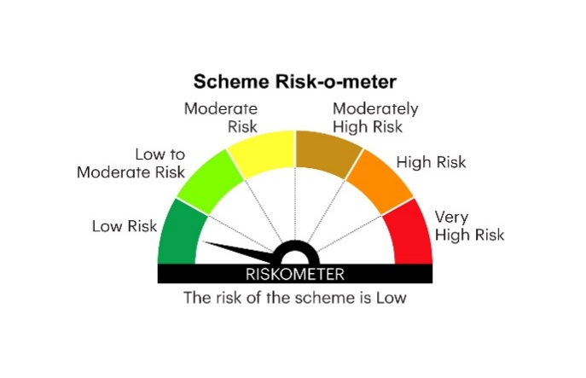
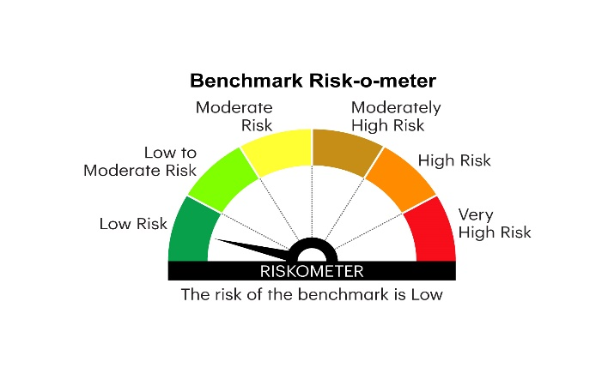
IOF | INVESCO MUTUAL FUND
 | Monthly Portfolio Statement as on January 31, 2025
 | Invesco India Overnight Fund (An open ended debt scheme investing in overnight securities.A relatively low interest rate risk and relatively low credit risk)

 | Name of the Instrument | ISIN | Rating | Quantity | Market/Fair Value (Rs. in Lakhs) | % to Net Assets | YTM
 | Money Market Instruments
 | Treasury Bill/Cash Management Bill
TBIL2329 | 364 Days Tbill 2025 | IN002023Z513 | SOVEREIGN | 2,500,000 | 2,488.61 | 2.27 | 6.43%
TBIL2396 | 182 Days Tbill 2025 | IN002024Y209 | SOVEREIGN | 500,000 | 498.86 | 0.46 | 6.42%
 | Sub Total |  |  |  | 2,987.47 | 2.73
 | TREPS / Reverse Repo
 | 6.80% Repo in Corporate Debt Securities |  |  |  | 8,295.36 | 7.57 | 6.80%
TRP_030225 | Triparty Repo |  |  |  | 98,314.74 | 89.67 | 6.64%
 | Sub Total |  |  |  | 106,610.10 | 97.24
 | Total |  |  |  | 109,597.57 | 99.97
 | Net Receivables / (Payables) |  |  |  | 39.75 | 0.03
 | GRAND TOTAL |  |  |  | 109,637.32 | 100.00

 | YTM - Yield To Maturity

 | Notes :
 | (1) Details of security in default beyond it's maturity date: Nil
 | (2) Total Value and percentage of illiquid equity shares: Nil
 | (3) Total outstanding exposure in derivative instruments as on January 31, 2025: Nil
 | (4) Total investments in Foreign Securities / Overseas ETFs as on January 31, 2025 and its percentage to NAV : Nil
 | (5) Deviation from the valuation prices given by valuation agencies during the month ended January 31, 2025: Nil
 |  |  |  |  | BENCHMARK NAME - NIFTY 1D RATE INDEX
 | SCHEME RISK-O-METER |  |  |  | BENCHMARK RISK-O-METER

