Overnight
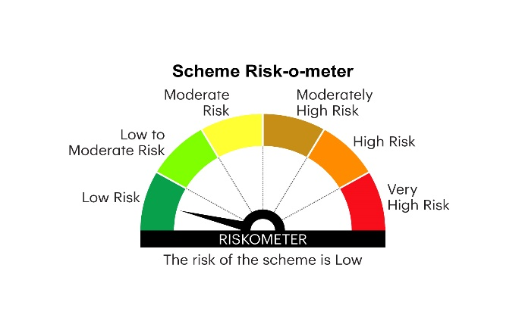
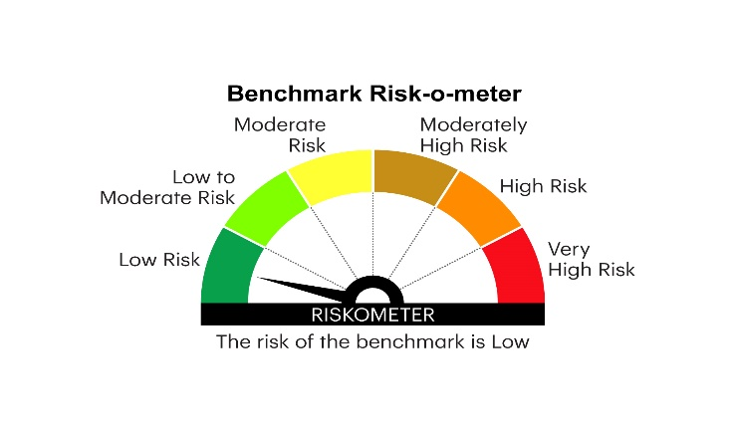
IOF | INVESCO MUTUAL FUND
 | Monthly Portfolio Statement as on February 28, 2025
 | Invesco India Overnight Fund (An open ended debt scheme investing in overnight securities.A relatively low interest rate risk and relatively low credit risk)

 | Name of the Instrument | ISIN | Rating | Quantity | Market/Fair Value (Rs. in Lakhs) | % to Net Assets | YTM
 | Money Market Instruments
 | Treasury Bill/Cash Management Bill
TBIL2406 | 182 Days Tbill 2025 | IN002024Y233 | SOVEREIGN | 500,000 | 499.56 | 1.15 | 6.45%
TBIL2444 | 91 Days Tbill 2025 | IN002024X367 | SOVEREIGN | 500,000 | 498.95 | 1.15 | 6.40%
 | Sub Total |  |  |  | 998.51 | 2.30
 | TREPS / Reverse Repo
 | 6.40% Repo in Corporate Debt Securities |  |  |  | 4,997.37 | 11.49 | 6.40%
TRP_030325 | Triparty Repo |  |  |  | 37,978.43 | 87.30 | 6.28%
 | Sub Total |  |  |  | 42,975.80 | 98.79
 | Total |  |  |  | 43,974.31 | 101.09
 | Net Receivables / (Payables) |  |  |  | (468.76) | (1.09)
 | GRAND TOTAL |  |  |  | 43,505.55 | 100.00

 | YTM - Yield To Maturity

 | Notes :
 | (1) Details of security in default beyond it's maturity date: Nil
 | (2) Total Value and percentage of illiquid equity shares: Nil
 | (3) Total outstanding exposure in derivative instruments as on February 28, 2025: Nil
 | (4) Total investments in Foreign Securities / Overseas ETFs as on February 28, 2025 and its percentage to NAV : Nil
 | (5) Deviation from the valuation prices given by valuation agencies during the month ended February 28, 2025: Nil
 |  |  |  |  | BENCHMARK NAME - NIFTY 1D RATE INDEX
 | SCHEME RISK-O-METER |  |  |  | BENCHMARK RISK-O-METER

