Overnight
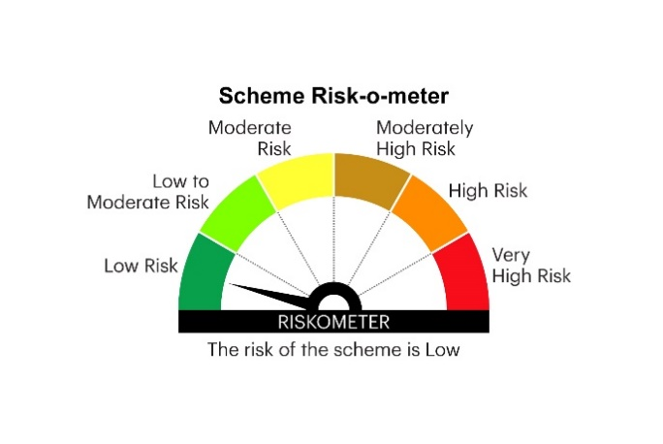
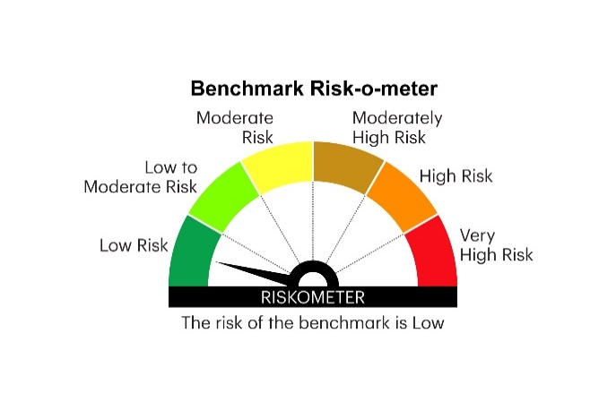
IOF | INVESCO MUTUAL FUND
 | Monthly Portfolio Statement as on March 31, 2025
 | Invesco India Overnight Fund (An open ended debt scheme investing in overnight securities.A relatively low interest rate risk and relatively low credit risk)

 | Name of the Instrument | ISIN | Rating | Quantity | Market/Fair Value (Rs. in Lakhs) | % to Net Assets | YTM
 | Money Market Instruments
 | Treasury Bill/Cash Management Bill
TBIL2349 | 364 Days Tbill 2025 (MD 18/04/2025) | IN002024Z032 | SOVEREIGN | 1,500,000 | 1,495.64 | 4.23 | 6.26%
TBIL2463 | 91 Days Tbill 2025 (MD 24/04/2025) | IN002024X425 | SOVEREIGN | 1,000,000 | 996.00 | 2.82 | 6.38%
TBIL2351 | 364 Days Tbill 2025 (MD 24/04/2025) | IN002024Z040 | SOVEREIGN | 500,000 | 498.00 | 1.41 | 6.38%
 | Sub Total |  |  |  | 2,989.64 | 8.46
 | TREPS / Reverse Repo
 | 6.40% Repo in Corporate Debt Securities |  |  |  | 6,793.02 | 19.23 | 7.50%
TRP_020425 | Triparty Repo |  |  |  | 25,513.69 | 72.23 | 6.88%
 | Sub Total |  |  |  | 32,306.71 | 91.46
 | Total |  |  |  | 35,296.35 | 99.92
 | Net Receivables / (Payables) |  |  |  | 25.68 | 0.08
 | GRAND TOTAL |  |  |  | 35,322.03 | 100.00

 | YTM - Yield To Maturity

 | Notes :
 | (1) Details of security in default beyond it's maturity date: Nil
 | (2) Total Value and percentage of illiquid equity shares: Nil
 | (3) Total outstanding exposure in derivative instruments as on March 31, 2025: Nil
 | (4) Total investments in Foreign Securities / Overseas ETFs as on March 31, 2025 and its percentage to NAV : Nil
 | (5) Deviation from the valuation prices given by valuation agencies during the month ended March 31, 2025: Nil
 |  |  |  |  | BENCHMARK NAME - NIFTY 1D RATE INDEX
 | SCHEME RISK-O-METER |  |  |  | BENCHMARK RISK-O-METER

