Overnight
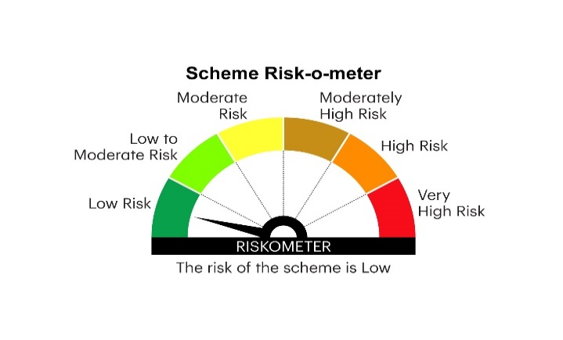
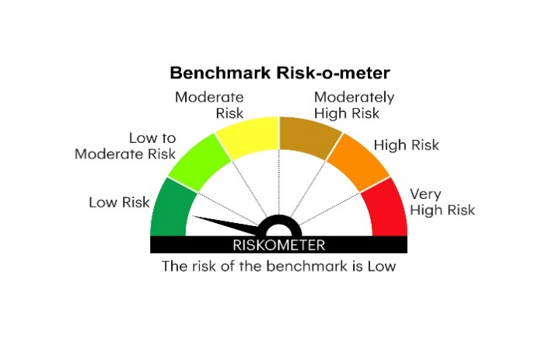
IOF | INVESCO MUTUAL FUND
 | Monthly Portfolio Statement as on April 30, 2025
 | Invesco India Overnight Fund (An open ended debt scheme investing in overnight securities.A relatively low interest rate risk and relatively low credit risk)

 | Name of the Instrument | ISIN | Rating | Quantity | Market/Fair Value (Rs. in Lakhs) | % to Net Assets | YTM
 | Money Market Instruments
 | Treasury Bill/Cash Management Bill
TBIL2443 | 364 Days Tbill 2025 (MD 23/05/2025) | IN002024Z081 | SOVEREIGN | 1,000,000 | 996.49 | 3.05 | 5.85%
 | Sub Total |  |  |  | 996.49 | 3.05
 | TREPS / Reverse Repo
 | 6.05% Repo in Corporate Debt Securities |  |  |  | 4,198.61 | 12.86 | 6.05%
TRP_020525 | Triparty Repo |  |  |  | 27,479.82 | 84.16 | 5.95%
 | Sub Total |  |  |  | 31,678.43 | 97.02
 | Total |  |  |  | 32,674.92 | 100.07
 | Net Receivables / (Payables) |  |  |  | (22.02) | (0.07)
 | GRAND TOTAL |  |  |  | 32,652.90 | 100.00

 | YTM - Yield To Maturity

 | Notes :
 | (1) Details of security in default beyond it's maturity date: Nil
 | (2) Total Value and percentage of illiquid equity shares: Nil
 | (3) Total outstanding exposure in derivative instruments as on April 30, 2025: Nil
 | (4) Total investments in Foreign Securities / Overseas ETFs as on April 30, 2025 and its percentage to NAV : Nil
 | (5) Deviation from the valuation prices given by valuation agencies during the month ended April 30, 2025: Nil
 |  |  |  |  | BENCHMARK NAME - NIFTY 1D RATE INDEX
 | SCHEME RISK-O-METER |  |  |  | BENCHMARK RISK-O-METER

