Overnight
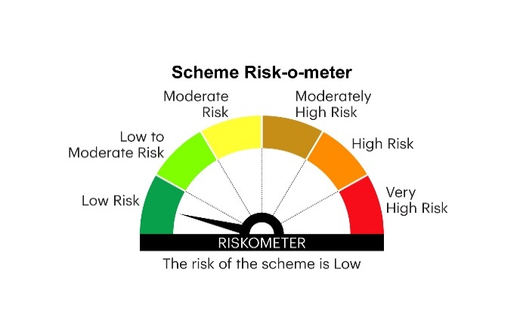
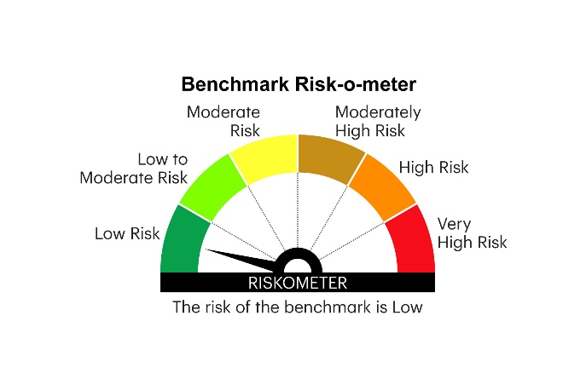
IOF | INVESCO MUTUAL FUND
 | Monthly Portfolio Statement as on May 31, 2025
 | Invesco India Overnight Fund (An open ended debt scheme investing in overnight securities.A relatively low interest rate risk and relatively low credit risk)

 | Name of the Instrument | ISIN | Rating | Quantity | Market/Fair Value (Rs. in Lakhs) | % to Net Assets | YTM
 | Money Market Instruments
 | Treasury Bill/Cash Management Bill
TBIL2485 | 91 Days Tbill 2025 (MD 19/06/2025) | IN002024X508 | SOVEREIGN | 1,000,000 | 997.15 | 3.09 | 5.80%
TBIL2479 | 91 Days Tbill 2025 (MD 05/06/2025) | IN002024X482 | SOVEREIGN | 500,000 | 499.68 | 1.55 | 5.83%
 | Sub Total |  |  |  | 1,496.83 | 4.64
 | TREPS / Reverse Repo
 | 5.91% Repo in Corporate Debt Securities |  |  |  | 5,497.33 | 17.04 | 5.91%
TRP_020625 | Triparty Repo |  |  |  | 25,539.63 | 79.17 | 5.82%
 | Sub Total |  |  |  | 31,036.96 | 96.21
 | Total |  |  |  | 32,533.79 | 100.85
 | Net Receivables / (Payables) |  |  |  | (273.28) | (0.85)
 | GRAND TOTAL |  |  |  | 32,260.51 | 100.00

 | YTM - Yield To Maturity

 | Notes :
 | (1) Details of security in default beyond it's maturity date: Nil
 | (2) Total Value and percentage of illiquid equity shares: Nil
 | (3) Total outstanding exposure in derivative instruments as on May 31, 2025: Nil
 | (4) Total investments in Foreign Securities / Overseas ETFs as on May 31, 2025 and its percentage to NAV : Nil
 | (5) Deviation from the valuation prices given by valuation agencies during the month ended May 31, 2025: Nil

 |  |  |  |  | BENCHMARK NAME - NIFTY 1D RATE INDEX
 | SCHEME RISK-O-METER |  |  |  | BENCHMARK RISK-O-METER

