Overnight
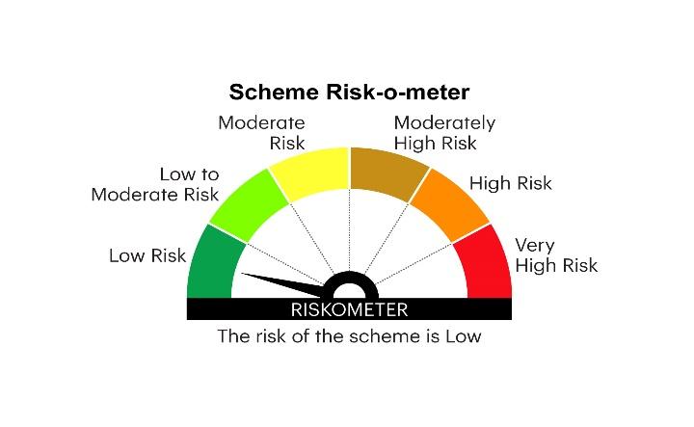
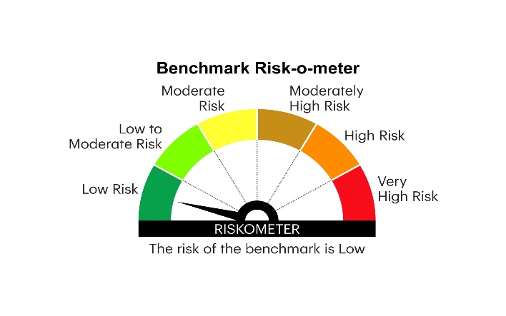
IOF | INVESCO MUTUAL FUND
 | Monthly Portfolio Statement as on June 30, 2025
 | Invesco India Overnight Fund (An open ended debt scheme investing in overnight securities.A relatively low interest rate risk and relatively low credit risk)

 | Name of the Instrument | ISIN | Rating | Quantity | Market/Fair Value (Rs. in Lakhs) | % to Net Assets | YTM
 | Money Market Instruments
 | Treasury Bill/Cash Management Bill
TBIL2492 | 91 Days Tbill 2025 (MD 03/07/2025) | IN002025X018 | SOVEREIGN | 1,500,000 | 1,499.56 | 6.41 | 5.35%
TBIL2500 | 91 Days Tbill 2025 (MD 24/07/2025) | IN002025X042 | SOVEREIGN | 1,000,000 | 996.67 | 4.26 | 5.31%
TBIL2497 | 91 Days Tbill 2025 (MD 17/07/2025) | IN002025X034 | SOVEREIGN | 500,000 | 498.84 | 2.13 | 5.31%
 | Sub Total |  |  |  | 2,995.07 | 12.80
 | TREPS / Reverse Repo
 | 5.70% Repo in Corporate Debt Securities |  |  |  | 3,899.39 | 16.66 | 5.70%
TRP_010725 | Triparty Repo |  |  |  | 16,487.70 | 70.45 | 5.49%
 | Sub Total |  |  |  | 20,387.09 | 87.11
 | Total |  |  |  | 23,382.16 | 99.91
 | Net Receivables / (Payables) |  |  |  | 22.11 | 0.09
 | GRAND TOTAL |  |  |  | 23,404.27 | 100.00

 | YTM - Yield To Maturity

 | Notes :
 | (1) Details of security in default beyond it's maturity date: Nil
 | (2) Total Value and percentage of illiquid equity shares: Nil
 | (3) Total outstanding exposure in derivative instruments as on June 30, 2025: Nil
 | (4) Total investments in Foreign Securities / Overseas ETFs as on June 30, 2025 and its percentage to NAV : Nil
 | (5) Deviation from the valuation prices given by valuation agencies during the month ended June 30, 2025: Nil
 |  |  |  |  | BENCHMARK NAME - NIFTY 1D RATE INDEX
 | SCHEME RISK-O-METER |  |  |  | BENCHMARK RISK-O-METER

