Overnight Fund
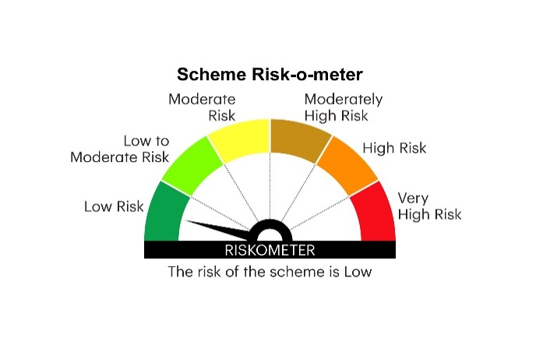
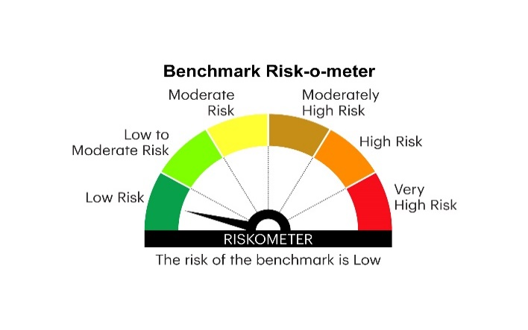
IOF | INVESCO MUTUAL FUND
 | Monthly Portfolio Statement as on July 31, 2025
 | Invesco India Overnight Fund (An open ended debt scheme investing in overnight securities.A relatively low interest rate risk and relatively low credit risk)

 | Name of the Instrument | ISIN | Rating | Quantity | Market/Fair Value (Rs. in Lakhs) | % to Net Assets | YTM
 | Money Market Instruments
 | Treasury Bill/Cash Management Bill
TBIL2394 | 364 Days Tbill 2025 (MD 07/08/2025) | IN002024Z198 | SOVEREIGN | 1,000,000 | 999.13 | 5.23 | 5.30%
TBIL2469 | 182 Days Tbill 2025 (MD 07/08/2025) | IN002024Y431 | SOVEREIGN | 1,000,000 | 999.13 | 5.23 | 5.30%
TBIL2505 | 91 Days Tbill 2025 (MD 07/08/2025) | IN002025X067 | SOVEREIGN | 500,000 | 499.57 | 2.61 | 5.30%
TBIL2511 | 91 Days Tbill 2025 (MD 21/08/2025) | IN002025X083 | SOVEREIGN | 400,000 | 398.84 | 2.09 | 5.31%
 | Sub Total |  |  |  | 2,896.67 | 15.16
 | TREPS / Reverse Repo
 | 5.55% Repo in Corporate Debt Securities |  |  |  | 2,599.60 | 13.60 | 5.55%
TRP_010825 | Triparty Repo |  |  |  | 13,603.00 | 71.14 | 5.50%
 | Sub Total |  |  |  | 16,202.60 | 84.74
 | Total |  |  |  | 19,099.27 | 99.90
 | Net Receivables / (Payables) |  |  |  | 21.14 | 0.10
 | GRAND TOTAL |  |  |  | 19,120.41 | 100.00

 | YTM - Yield To Maturity

 | Notes :
 | (1) Details of security in default beyond it's maturity date: Nil
 | (2) Total Value and percentage of illiquid equity shares: Nil
 | (3) Total outstanding exposure in derivative instruments as on July 31, 2025: Nil
 | (4) Total investments in Foreign Securities / Overseas ETFs as on July 31, 2025 and its percentage to NAV : Nil
 | (5) Deviation from the valuation prices given by valuation agencies during the month ended July 31, 2025: Nil
 |  |  |  |  | BENCHMARK NAME - NIFTY 1D RATE INDEX
 | SCHEME RISK-O-METER |  |  |  | BENCHMARK RISK-O-METER

