Overnight Fund
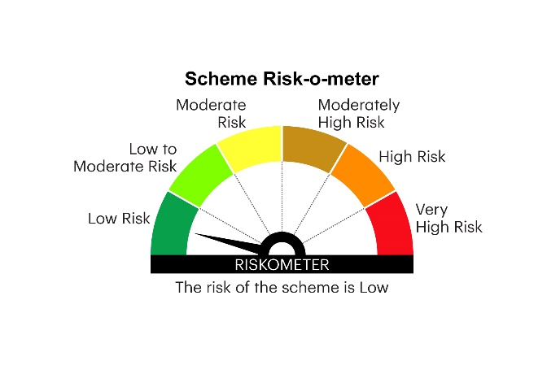
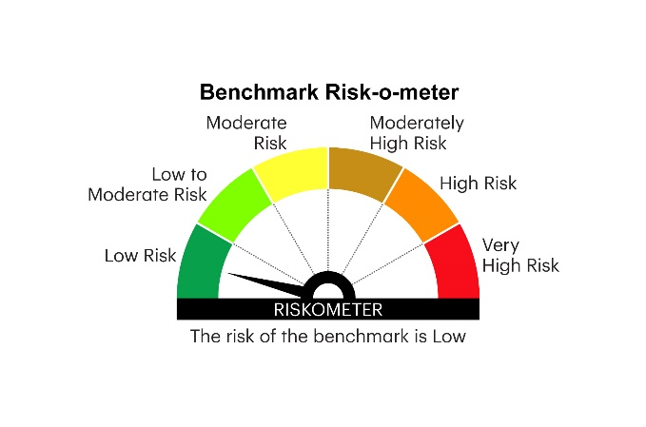
IOF | INVESCO MUTUAL FUND
 | Monthly Portfolio Statement as on August 31, 2025
 | Invesco India Overnight Fund (An open ended debt scheme investing in overnight securities.A relatively low interest rate risk and relatively low credit risk)

 | Name of the Instrument | ISIN | Rating | Quantity | Market/Fair Value (Rs. in Lakhs) | % to Net Assets | YTM
 | Money Market Instruments
 | Treasury Bill/Cash Management Bill
TBIL2484 | 182 Days Tbill 2025 (MD 11/09/2025) | IN002024Y480 | SOVEREIGN | 2,000,000 | 1,997.01 | 6.27 | 5.46%
TBIL2515 | 91 Days Tbill 2025 (MD 04/09/2025) | IN002025X109 | SOVEREIGN | 500,000 | 499.78 | 1.57 | 5.41%
TBIL2524 | 91 Days Tbill 2025 (MD 25/09/2025) | IN002025X133 | SOVEREIGN | 500,000 | 498.23 | 1.56 | 5.41%
 | Sub Total |  |  |  | 2,995.02 | 9.40
 | TREPS / Reverse Repo
 | 5.55% Repo in Corporate Debt Securities |  |  |  | 9,095.85 | 28.55 | 5.55%
TRP_010925 | Triparty Repo |  |  |  | 20,261.30 | 63.60 | 5.39%
 | Sub Total |  |  |  | 29,357.15 | 92.15
 | Total |  |  |  | 32,352.17 | 101.55
 | Net Receivables / (Payables) |  |  |  | (492.85) | (1.55)
 | GRAND TOTAL |  |  |  | 31,859.32 | 100.00

 | YTM - Yield To Maturity

 | Notes :
 | (1) Details of security in default beyond it's maturity date: Nil
 | (2) Total Value and percentage of illiquid equity shares: Nil
 | (3) Total outstanding exposure in derivative instruments as on August 31, 2025: Nil
 | (4) Total investments in Foreign Securities / Overseas ETFs as on August 31, 2025 and its percentage to NAV : Nil
 | (5) Deviation from the valuation prices given by valuation agencies during the month ended August 31, 2025: Nil
 |  |  |  |  | BENCHMARK NAME - NIFTY 1D RATE INDEX
 | SCHEME RISK-O-METER |  |  |  | BENCHMARK RISK-O-METER

