Overnight Fund
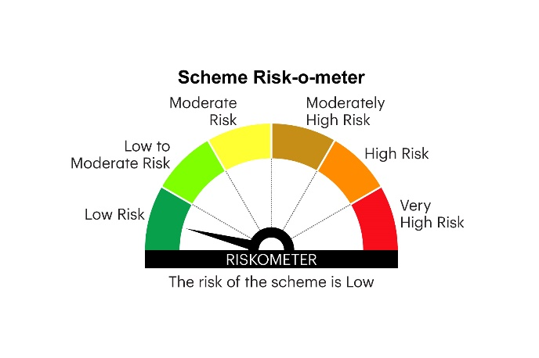
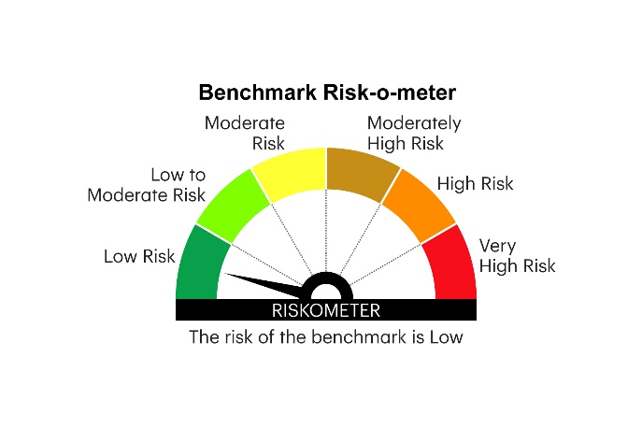
IOF | INVESCO MUTUAL FUND
 | Monthly Portfolio Statement as on September 30, 2025
 | Invesco India Overnight Fund (An open ended debt scheme investing in overnight securities. A relatively low interest rate risk and relatively low credit risk)

 | Name of the Instrument | ISIN | Rating | Quantity | Market/Fair Value (Rs. in Lakhs) | % to Net Assets | YTM
 | Money Market Instruments
 | Treasury Bill/Cash Management Bill
TBIL2531 | 91 Days Tbill (MD 09/10/2025) | IN002025X158 | SOVEREIGN | 2,000,000 | 1,997.64 | 3.10 | 5.40%
TBIL2534 | 91 Days Tbill (MD 16/10/2025) | IN002025X166 | SOVEREIGN | 1,000,000 | 997.79 | 1.55 | 5.40%
TBIL2422 | 364 Days Tbill (MD 23/10/2025) | IN002024Z289 | SOVEREIGN | 500,000 | 498.38 | 0.77 | 5.40%
 | Sub Total |  |  |  | 3,493.81 | 5.42
 | TREPS / Reverse Repo
 | 5.75% Repo in Corporate Debt Securities |  |  |  | 8,998.58 | 13.98 | 5.75%
TRP_011025 | Triparty Repo |  |  |  | 51,832.00 | 80.54 | 5.52%
 | Sub Total |  |  |  | 60,830.58 | 94.52
 | Total |  |  |  | 64,324.39 | 99.94
 | Net Receivables / (Payables) |  |  |  | 30.85 | 0.06
 | GRAND TOTAL |  |  |  | 64,355.24 | 100.00

 | YTM - Yield To Maturity

 | Notes :
 | (1) Details of security in default beyond it's maturity date: Nil
 | (2) Total Value and percentage of illiquid equity shares: Nil
 | (3) Total outstanding exposure in derivative instruments as on September 30, 2025: Nil
 | (4) Total investments in Foreign Securities / Overseas ETFs as on September 30, 2025 and its percentage to NAV : Nil
 | (5) Deviation from the valuation prices given by valuation agencies during the month ended September 30, 2025: Nil
 |  |  |  |  | BENCHMARK NAME - NIFTY 1D RATE INDEX
 | SCHEME RISK-O-METER |  |  |  | BENCHMARK RISK-O-METER

