Overnight Fund
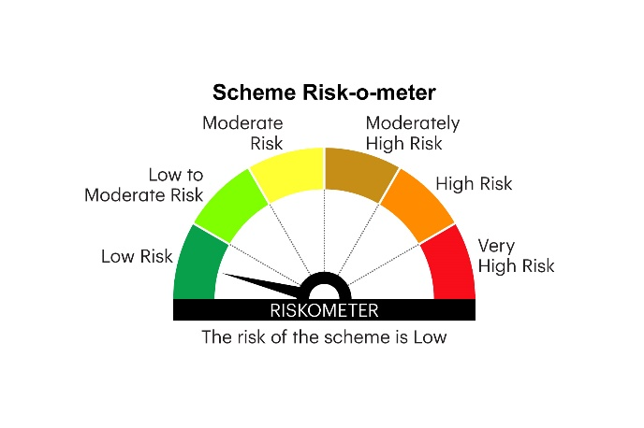
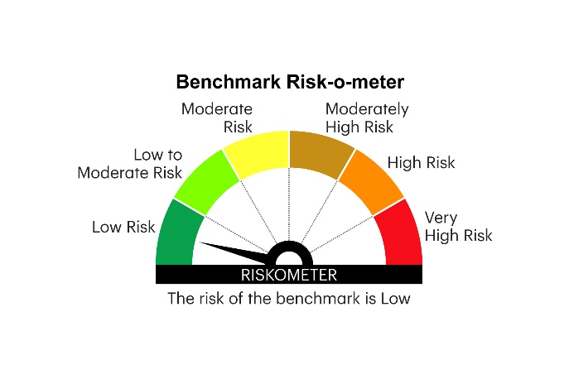
IOF | INVESCO MUTUAL FUND
 | Monthly Portfolio Statement as on October 31, 2025
 | Invesco India Overnight Fund (An open ended debt scheme investing in overnight securities. A relatively low interest rate risk and relatively low credit risk)

 | Name of the Instrument | ISIN | Rating | Quantity | Market/Fair Value (Rs. in Lakhs) | % to Net Assets | YTM
 | Money Market Instruments
 | Treasury Bill/Cash Management Bill
TBIL2544 | 91 Days Tbill 2025(MD 06/11/2025) | IN002025X190 | SOVEREIGN | 500,000 | 499.62 | 1.51 | 5.52%
TBIL2550 | 91 Days Tbill 2025(MD 20/11/2025) | IN002025X216 | SOVEREIGN | 500,000 | 498.61 | 1.50 | 5.36%
 | Sub Total |  |  |  | 998.23 | 3.01
 | TREPS / Reverse Repo
 | 5.70% Repo in Corporate Debt Securities |  |  |  | 4,997.66 | 13.98 | 5.70%
TRP_031125 | Triparty Repo |  |  |  | 27,120.00 | 81.84 | 5.59%
 | Sub Total |  |  |  | 32,117.66 | 95.82
 | Total |  |  |  | 33,115.89 | 98.83
 | Net Receivables / (Payables) |  |  |  | 22.94 | 1.17
 | GRAND TOTAL |  |  |  | 33,138.83 | 100.00

 | YTM - Yield To Maturity

 | Notes :
 | (1) Details of security in default beyond it's maturity date: Nil
 | (2) Total Value and percentage of illiquid equity shares: Nil
 | (3) Total outstanding exposure in derivative instruments as on October 31, 2025: Nil
 | (4) Total investments in Foreign Securities / Overseas ETFs as on October 31, 2025 and its percentage to NAV : Nil
 | (5) Deviation from the valuation prices given by valuation agencies during the month ended October 31, 2025: Nil
 |  |  |  |  | BENCHMARK NAME - NIFTY 1D RATE INDEX
 | SCHEME RISK-O-METER |  |  |  | BENCHMARK RISK-O-METER

