Overnight Fund
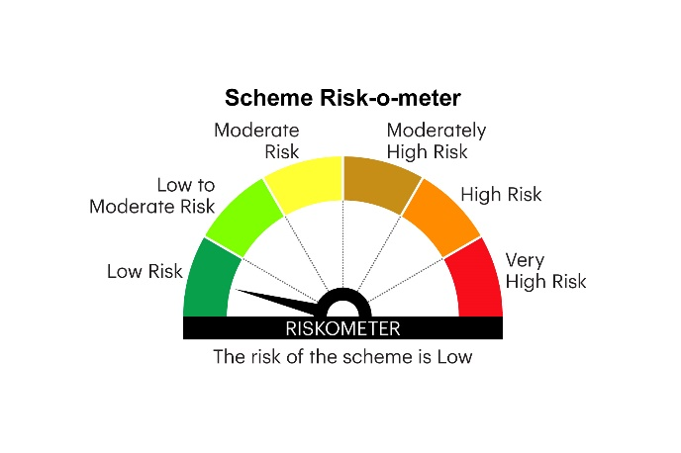
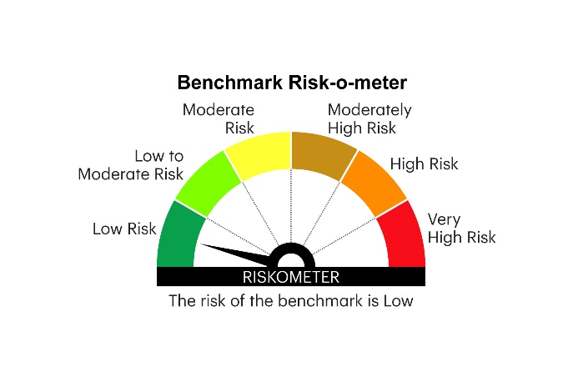
IOF | INVESCO MUTUAL FUND
 | Monthly Portfolio Statement as on November 30, 2025
 | Invesco India Overnight Fund (An open ended debt scheme investing in overnight securities.A relatively low interest rate risk and relatively low credit risk)

 | Name of the Instrument | ISIN | Rating | Quantity | Market/Fair Value (Rs. in Lakhs) | % to Net Assets | YTM
 | Money Market Instruments
 | Treasury Bill/Cash Management Bill
TBIL2526 | 182 Days Tbill 2025(MD 11/12/2025) | IN002025Y115 | SOVEREIGN | 1,500,000 | 1,497.85 | 1.21 | 5.25%
TBIL2530 | 182 Days Tbill 2025(MD 18/12/2025) | IN002025Y123 | SOVEREIGN | 500,000 | 498.77 | 0.40 | 5.28%
 | Sub Total |  |  |  | 1,996.62 | 1.61
 | TREPS / Reverse Repo
 | 5.47% Repo in Corporate Debt Securities |  |  |  | 6,197.21 | 5.02 | 5.47%
TRP_011225 | Triparty Repo |  |  |  | 118,914.50 | 96.41 | 5.41%
 | Sub Total |  |  |  | 125,111.71 | 101.43
 | Total |  |  |  | 127,108.33 | 103.04
 | Net Receivables / (Payables) |  |  |  | (3,765.38) | (3.04)
 | GRAND TOTAL |  |  |  | 123,342.95 | 100.00

 | YTM - Yield To Maturity

 | Notes :
 | (1) Details of security in default beyond it's maturity date: Nil
 | (2) Total Value and percentage of illiquid equity shares: Nil
 | (3) Total outstanding exposure in derivative instruments as on November 30, 2025: Nil
 | (4) Total investments in Foreign Securities / Overseas ETFs as on November 30, 2025 and its percentage to NAV : Nil
 | (5) Deviation from the valuation prices given by valuation agencies during the month ended November 30, 2025: Nil
 |  |  |  |  | BENCHMARK NAME - NIFTY 1D RATE INDEX
 | SCHEME RISK-O-METER |  |  |  | BENCHMARK RISK-O-METER

