Overnight Fund
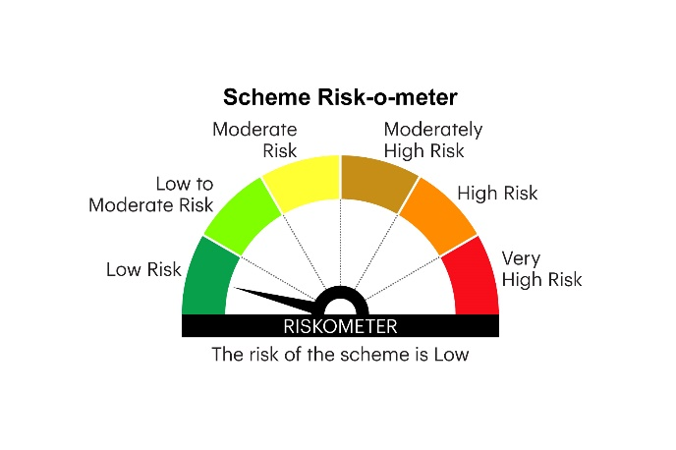
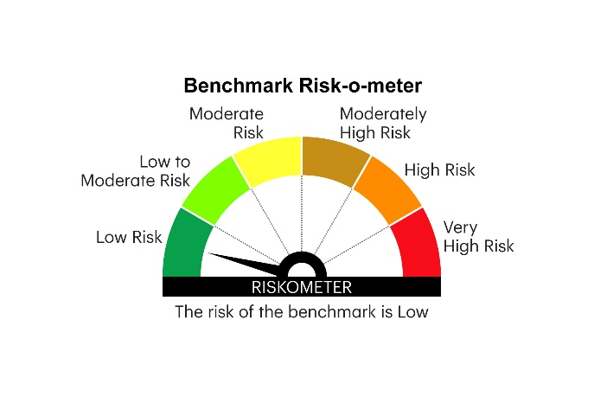
IOF | INVESCO MUTUAL FUND
 | Monthly Portfolio Statement as on December 31, 2025
 | Invesco India Overnight Fund (An open ended debt scheme investing in overnight securities.A relatively low interest rate risk and relatively low credit risk)

 | Name of the Instrument | ISIN | Rating | Quantity | Market/Fair Value (Rs. in Lakhs) | % to Net Assets | YTM
 | Money Market Instruments
 | Treasury Bill/Cash Management Bill
TBIL2538 | 182 Days Tbill (MD 22/01/2026) | IN002025Y172 | SOVEREIGN | 1,500,000 | 1,495.48 | 2.17 | 5.25%
TBIL2456 | 364 Days Tbill (MD 01/01/2026) | IN002024Z388 | SOVEREIGN | 1,000,000 | 1,000.00 | 1.45 | 5.28%
TBIL2532 | 182 Days Tbill (MD 08/01/2026) | IN002025Y156 | SOVEREIGN | 500,000 | 499.50 | 0.72 | 5.25%
TBIL2574 | 91 Days Tbill (MD 15/01/2026) | IN002025X299 | SOVEREIGN | 500,000 | 499.00 | 0.72 | 5.25%
TBIL2462 | 364 Days Tbill (MD 15/01/2026) | IN002024Z404 | SOVEREIGN | 500,000 | 499.00 | 0.72 | 5.25%
 | Sub Total |  |  |  | 3,992.98 | 5.78
 | Reverse Repo
REP5_311225 | REP5_311225_010126 |  |  | 49,999,315 | 49,999.31 | 72.43 | 5.60%
REP6_311225 | REP6_311225_010126 |  |  | 10,394,461 | 10,394.46 | 15.06 | 6.00%
 | Sub Total |  |  |  | 60,393.77 | 87.49
 | TREPS / Reverse Repo
TRP_010126 | Triparty Repo |  |  |  | 4,931.90 | 7.14 | 5.33%
 | Sub Total |  |  |  | 4,931.90 | 7.14
 | Total |  |  |  | 69,318.65 | 100.41
 | Net Receivables / (Payables) |  |  |  | (291.74) | (0.41)
 | GRAND TOTAL |  |  |  | 69,026.91 | 100.00

 | YTM - Yield To Maturity

 | Notes :
 | (1) Details of security in default beyond it's maturity date: Nil
 | (2) Total Value and percentage of illiquid equity shares: Nil
 | (3) Total outstanding exposure in derivative instruments as on December 31, 2025 Nil
 | (4) Total investments in Foreign Securities / Overseas ETFs as on December 31, 2025 Nil
 | (5) Deviation from the valuation prices given by valuation agencies during the month ended December 31, 2025: Nil

 |  |  |  |  | BENCHMARK NAME - NIFTY 1D RATE INDEX
 | SCHEME RISK-O-METER |  |  |  | BENCHMARK RISK-O-METER

