Medium Duration
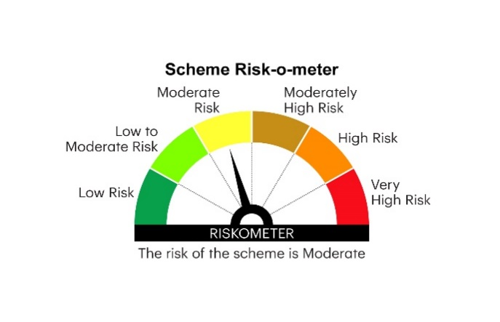

IMDF | INVESCO MUTUAL FUND
 | Monthly Portfolio Statement as on January 31, 2025
 | Invesco India Medium Duration Fund (An open ended medium term debt scheme investing in instruments such that the Macaulay duration of the portfolio is between 3 years and 4 years.A relatively high interest rate risk and moderate credit risk)

 | Name of the Instrument | ISIN | Rating | Quantity | Market/Fair Value (Rs. in Lakhs) | % to Net Assets | YTM
 | Debt Instruments
 | (a) Listed / awaiting listing on Stock Exchanges
GOI5196 | 7.18% Government of India 2037 | IN0020230077 | SOVEREIGN | 2,000,000 | 2,056.43 | 12.13 | 6.96%
GOI5833 | 7.02% Government of India 2031 | IN0020240076 | SOVEREIGN | 1,500,000 | 1,524.17 | 8.99 | 6.82%
GOI5228 | 7.18% Government of India 2033 | IN0020230085 | SOVEREIGN | 1,000,000 | 1,027.35 | 6.06 | 6.87%
GOI5081 | 7.17% Government of India 2030 | IN0020230036 | SOVEREIGN | 1,000,000 | 1,021.62 | 6.03 | 6.78%
NHBA331 | 7.59% National Housing Bank 2027 | INE557F08FZ1 | CRISIL AAA | 1,000,000 | 1,005.44 | 5.93 | 7.34%
RPAT30 | 6.75% Sikka Ports and Terminals Limited 2026 ** | INE941D07208 | CRISIL AAA | 1,000,000 | 987.95 | 5.83 | 7.79%
CGPO21 | 9.90% Tata Power Company Limited 2028 ** | INE295J08022 | CARE AA+ | 500,000 | 526.15 | 3.10 | 7.88%
GOI4976 | 7.26% Government of India 2033 | IN0020220151 | SOVEREIGN | 500,000 | 515.61 | 3.04 | 6.86%
GOI5379 | 7.32% Government of India 2030 | IN0020230135 | SOVEREIGN | 500,000 | 515.19 | 3.04 | 6.79%
POWF411 | 7.85% Power Finance Corporation Limited 2028 ** | INE134E08JP5 | CRISIL AAA | 500,000 | 506.70 | 2.99 | 7.50%
RUPL50 | 7.90% Jamnagar Utilities & Power Private Limited 2028 ** | INE936D07182 | CRISIL AAA | 500,000 | 503.67 | 2.97 | 7.63%
NBAR772 | 7.62% National Bank For Agriculture and Rural Development 2029 ** | INE261F08EH1 | CRISIL AAA | 500,000 | 503.28 | 2.97 | 7.42%
SIDB566 | 7.68% Small Industries Dev Bank of India 2027 ** | INE556F08KQ2 | CRISIL AAA | 500,000 | 501.80 | 2.96 | 7.51%
NXST20 | 7.86% Nexus Select Trust - REIT 2026 ** | INE0NDH07019 | CRISIL AAA | 500,000 | 500.54 | 2.95 | 7.96%
BHFL98 | 7.83% Bajaj Housing Finance Limited 2025 ** | INE377Y07391 | CRISIL AAA | 500,000 | 499.91 | 2.95 | 7.77%
SUMM22 | 7.4% Summit Digitel Infrastructure Limited 2028 ** | INE507T07070 | CRISIL AAA | 500,000 | 495.79 | 2.93 | 7.89%
PGCI458 | 7.7% Power Grid Corporation of India Limited 2033 ** | INE752E08718 | CRISIL AAA | 500,000 | 457.79 | 2.70 | 7.22%
BHAT66 | 8.90% Bharti Telecom Limited 2025 ** | INE403D08181 | CRISIL AA+ | 400,000 | 401.22 | 2.37 | 8.39%
GODP225 | 8.30% Godrej Properties Limited 2027 ** | INE484J08055 | ICRA AA+ | 400,000 | 400.51 | 2.36 | 8.23%
CENT241 | 8.1% Aditya Birla Real Estate Limited 2026 ** | INE055A08037 | CRISIL AA | 400,000 | 399.19 | 2.36 | 8.24%
SUMM26 | 8.06% Summit Digitel Infrastructure Limited 2029 ** | INE507T07120 | CRISIL AAA | 300,000 | 304.17 | 1.79 | 7.88%
OPAL47 | 8.29% ONGC Petro Additions Limited 2027 | INE163N08289 | ICRA AA | 300,000 | 301.24 | 1.78 | 8.05%
GOI3734 | 6.54% Government of India 2032 | IN0020210244 | SOVEREIGN | 300,000 | 296.64 | 1.75 | 6.86%
GOI5152 | 7.3% Government of India 2053 | IN0020230051 | SOVEREIGN | 150,000 | 155.09 | 0.92 | 7.15%
 | Sub Total |  |  |  | 15,407.45 | 90.90
 | (b) Privately placed / Unlisted |  |  |  | Nil | Nil | Nil
 | Sub Total |  |  |  | Nil | Nil | Nil
 | Total |  |  |  | 15,407.45 | 90.90
 | Money Market Instruments
 | TREPS / Reverse Repo
TRP_030225 | Triparty Repo |  |  |  | 1,388.00 | 8.19 | 6.57%
 | Sub Total |  |  |  | 1,388.00 | 8.19
 | Total |  |  |  | 1,388.00 | 8.19
 | Others
 | Corporate Debt Market Development Fund
CDMD50ME | Corporate Debt Market Development Fund Class A2 | INF0RQ622028 |  | 748 | 81.63 | 0.48
 | Sub Total |  |  |  | 81.63 | 0.48
 | Total |  |  |  | 81.63 | 0.48
 | Net Receivables / (Payables) |  |  |  | 71.76 | 0.43
 | GRAND TOTAL |  |  |  | 16,948.84 | 100.00

 | YTM - Yield To Maturity
 | Aggregate Investments by other schemes i.e. Inter - scheme investment in the portfolio is `15.6 Crores as on January 31, 2025
 | ** Non Traded Security

 | Notes :
 | (1) Details of security in default beyond it's maturity date: Nil
 | (2) Total Value and percentage of illiquid equity shares: Nil
 | (3) Total outstanding exposure in derivative instruments as on January 31, 2025: Nil
 | (4) Total investments in Foreign Securities / Overseas ETFs as on January 31, 2025 and its percentage to NAV : Nil
 | (5) Deviation from the valuation prices given by valuation agencies during the month ended January 31, 2025: Nil
 |  |  |  |  | BENCHMARK NAME - NIFTY MEDIUM DURATION DEBT INDEX A-III
 | SCHEME RISK-O-METER |  |  |  | BENCHMARK RISK-O-METER

