Medium Duration
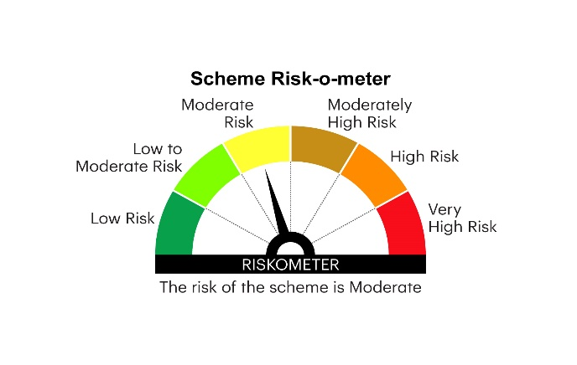

IMDF | INVESCO MUTUAL FUND
 | Monthly Portfolio Statement as on February 28, 2025
 | Invesco India Medium Duration Fund (An open ended medium term debt scheme investing in instruments such that the Macaulay duration of the portfolio is between 3 years and 4 years.A relatively high interest rate risk and moderate credit risk)

 | Name of the Instrument | ISIN | Rating | Quantity | Market/Fair Value (Rs. in Lakhs) | % to Net Assets | YTM
 | Debt Instruments
 | (a) Listed / awaiting listing on Stock Exchanges
GOI5196 | 7.18% Government of India 2037 | IN0020230077 | SOVEREIGN | 2,000,000 | 2,043.73 | 12.51 | 7.03%
GOI5833 | 7.02% Government of India 2031 | IN0020240076 | SOVEREIGN | 1,500,000 | 1,522.41 | 9.32 | 6.84%
GOI5228 | 7.18% Government of India 2033 | IN0020230085 | SOVEREIGN | 1,000,000 | 1,024.58 | 6.27 | 6.91%
GOI5081 | 7.17% Government of India 2030 | IN0020230036 | SOVEREIGN | 1,000,000 | 1,020.92 | 6.25 | 6.79%
NHBA331 | 7.59% National Housing Bank 2027 ** | INE557F08FZ1 | CRISIL AAA | 1,000,000 | 1,003.05 | 6.14 | 7.44%
CGPO21 | 9.90% Tata Power Company Limited 2028 ** | INE295J08022 | CARE AA+ | 500,000 | 526.18 | 3.22 | 7.85%
GOI5379 | 7.32% Government of India 2030 | IN0020230135 | SOVEREIGN | 500,000 | 514.71 | 3.15 | 6.80%
GOI4976 | 7.26% Government of India 2033 | IN0020220151 | SOVEREIGN | 500,000 | 514.52 | 3.15 | 6.89%
POWF411 | 7.85% Power Finance Corporation Limited 2028 ** | INE134E08JP5 | CRISIL AAA | 500,000 | 507.16 | 3.10 | 7.45%
RUPL50 | 7.90% Jamnagar Utilities & Power Private Limited 2028 ** | INE936D07182 | CRISIL AAA | 500,000 | 504.41 | 3.09 | 7.58%
GOI6156 | 6.79% Government of India 2034 | IN0020240126 | SOVEREIGN | 500,000 | 502.30 | 3.07 | 6.84%
NBAR772 | 7.62% National Bank For Agriculture and Rural Development 2029 ** | INE261F08EH1 | CRISIL AAA | 500,000 | 501.70 | 3.07 | 7.51%
SIDB566 | 7.68% Small Industries Dev Bank of India 2027 ** | INE556F08KQ2 | CRISIL AAA | 500,000 | 501.22 | 3.07 | 7.56%
NXST20 | 7.86% Nexus Select Trust - REIT 2026 ** | INE0NDH07019 | CRISIL AAA | 500,000 | 500.69 | 3.06 | 7.95%
BHFL98 | 7.83% Bajaj Housing Finance Limited 2025 ** | INE377Y07391 | CRISIL AAA | 500,000 | 499.92 | 3.06 | 7.72%
PGCI458 | 7.7% Power Grid Corporation of India Limited 2033 ** | INE752E08718 | CRISIL AAA | 500,000 | 454.85 | 2.78 | 7.39%
BHAT66 | 8.90% Bharti Telecom Limited 2025 ** | INE403D08181 | CRISIL AA+ | 400,000 | 401.10 | 2.46 | 8.34%
GODP225 | 8.30% Godrej Properties Limited 2027 ** | INE484J08055 | ICRA AA+ | 400,000 | 400.76 | 2.45 | 8.19%
CENT241 | 8.1% Aditya Birla Real Estate Limited 2026 ** | INE055A08037 | CRISIL AA | 400,000 | 399.34 | 2.44 | 8.22%
SUMM26 | 8.06% Summit Digitel Infrastructure Limited 2029 ** | INE507T07120 | CRISIL AAA | 300,000 | 304.67 | 1.86 | 7.82%
OPAL47 | 8.29% ONGC Petro Additions Limited 2027 ** | INE163N08289 | ICRA AA | 300,000 | 300.93 | 1.84 | 8.09%
GOI3734 | 6.54% Government of India 2032 | IN0020210244 | SOVEREIGN | 300,000 | 296.56 | 1.82 | 6.86%
GOI5152 | 7.3% Government of India 2053 | IN0020230051 | SOVEREIGN | 150,000 | 153.21 | 0.94 | 7.25%
 | Sub Total |  |  |  | 14,398.92 | 88.12
 | (b) Privately placed / Unlisted |  |  |  | Nil | Nil | Nil
 | Sub Total |  |  |  | Nil | Nil | Nil
 | Total |  |  |  | 14,398.92 | 88.12
 | Money Market Instruments
 | TREPS / Reverse Repo
TRP_030325 | Triparty Repo |  |  |  | 1,477.49 | 9.04 | 6.27%
 | Sub Total |  |  |  | 1,477.49 | 9.04
 | Total |  |  |  | 1,477.49 | 9.04
 | Others
 | Corporate Debt Market Development Fund
CDMD50ME | Corporate Debt Market Development Fund Class A2 | INF0RQ622028 |  | 748 | 82.07 | 0.50
 | Sub Total |  |  |  | 82.07 | 0.50
 | Total |  |  |  | 82.07 | 0.50
 | Net Receivables / (Payables) |  |  |  | 379.28 | 2.34
 | GRAND TOTAL |  |  |  | 16,337.76 | 100.00

 | YTM - Yield To Maturity
 | Aggregate Investments by other schemes i.e. Inter - scheme investment in the portfolio is `15.66 Crores as on February 28, 2025

 | ** Non Traded Security

 | Notes :
 | (1) Details of security in default beyond it's maturity date: Nil
 | (2) Total Value and percentage of illiquid equity shares: Nil
 | (3) Total outstanding exposure in derivative instruments as on February 28, 2025: Nil
 | (4) Total investments in Foreign Securities / Overseas ETFs as on February 28, 2025 and its percentage to NAV : Nil
 | (5) Deviation from the valuation prices given by valuation agencies during the month ended February 28, 2025: Nil
 |  |  |  |  | BENCHMARK NAME - NIFTY MEDIUM DURATION DEBT INDEX A-III
 | SCHEME RISK-O-METER |  |  |  | BENCHMARK RISK-O-METER

